ANN-15
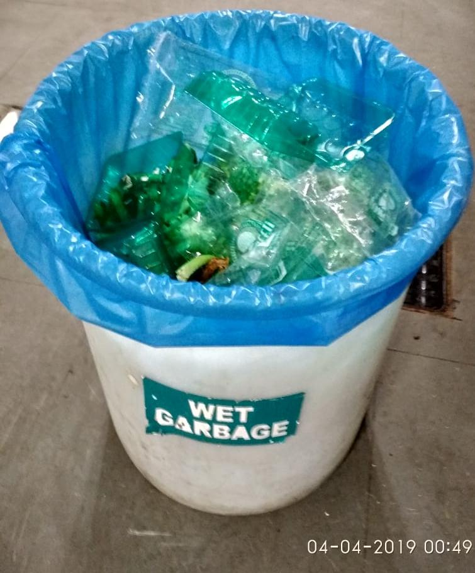
UNIT : HOTEL GREEN PARK - CHENNAI

TITLE : MAIN KITCHEN - PLASTIC AND VEGETABLE PEEL WASTE IN THE SAME GARBAGE BAG

