ANN-16
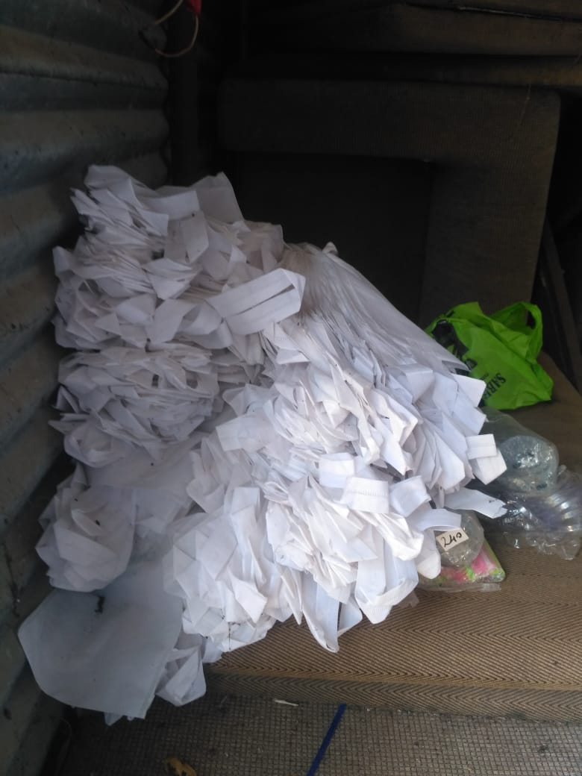
UNIT : HOTEL GREEN PARK - CHENNAI

TITLE : | BANNED PLASTIC COVERS ARE AVAILABLE IN THE UNIT ( Backside of Meadows)

