ANN-4
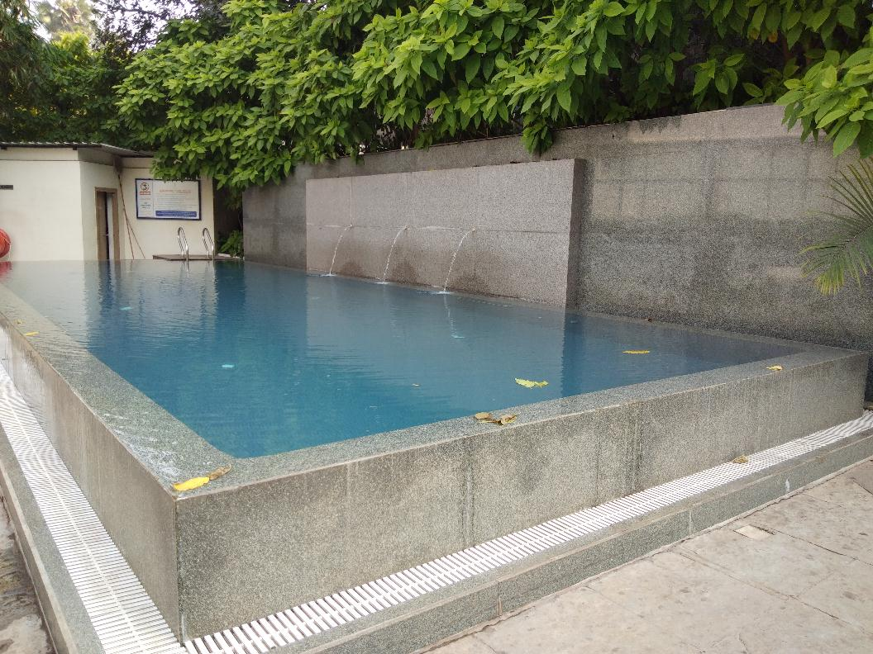
UNIT : HOTEL GREEN PARK - VISAKHAPATNAM

TITLE : SWIMMING POOL WAS NOT CLEANED PROPERLY

