ANN-4.
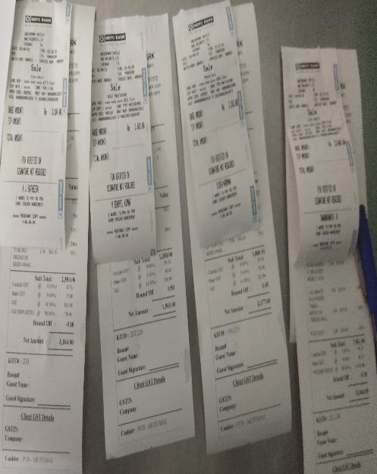
UNIT : HOTEL GREEN PARK - CHENNAI

TITLE : PAID SEAL NOT AVAILABLE ON THE MUSTANG BAR BILLS

