ANN-10
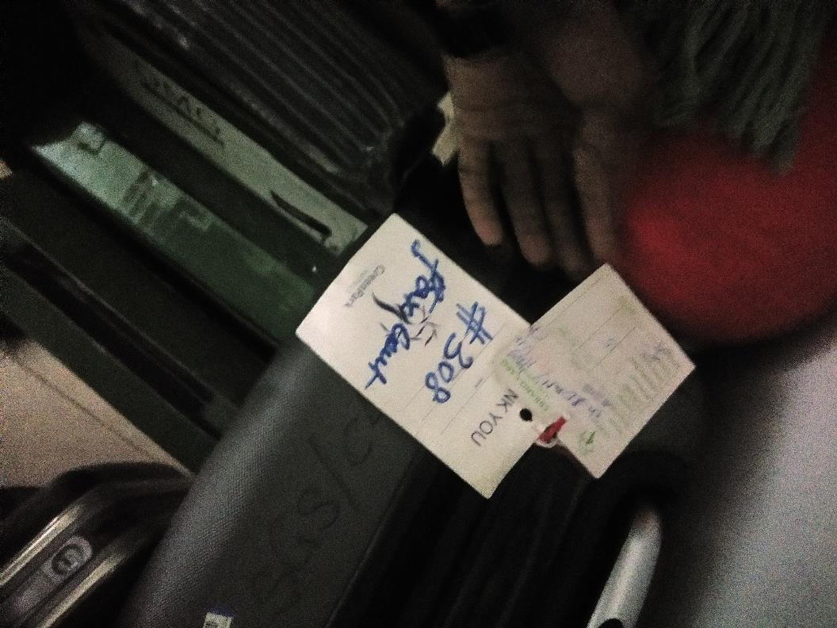
UNIT | : HOTEL GREEN PARK-CHENNAI

TITLE | : LEFT LUGGAGE NOT UPDATED IN THE SYSTEM

