6
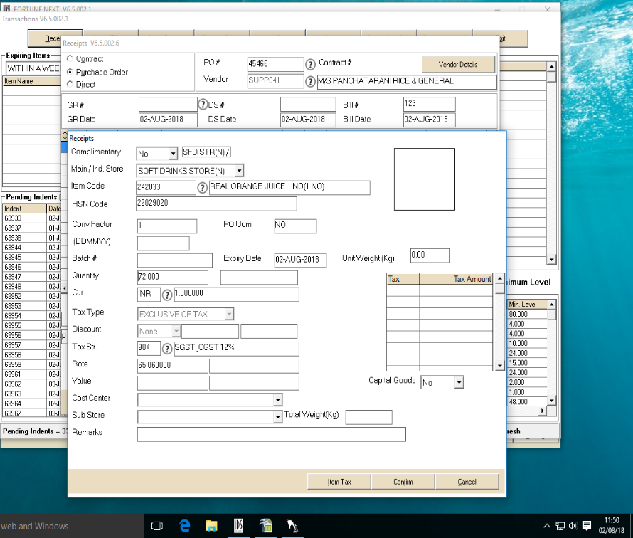
UNIT : HOTEL GREENPARK - VISAKHAPATNAM

TITLE : IDS IS ACCEPTING EXPIRY DATE SAME AS GRN DATE

