4
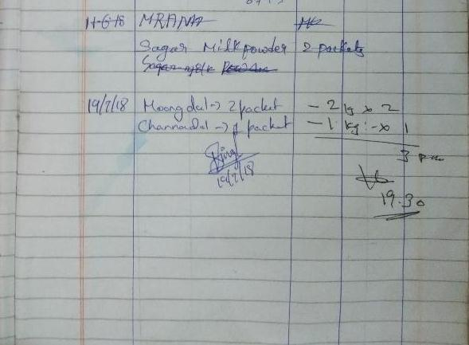
UNIT | : HOTEL GREENPARK - VISAKHAPATNAM

TITLE | : INCOMPLETE DETAILS IN ODD HOUR REGISTER (DEPARTMENT NAME, INDENT NO)

Annexure No : 4
Point Ref. No : 47

