3
UNIT : HOTEL GREEN PARK-CHENNAI

TITLE : VEHICLE INSURANCE COPIES NOT AVAILABLE AND VEHICLE USED FOR TRANSPORT REGISTERED AS PERSONAL VEHICLE

Annexure No : 3
Point Ref. No : 14

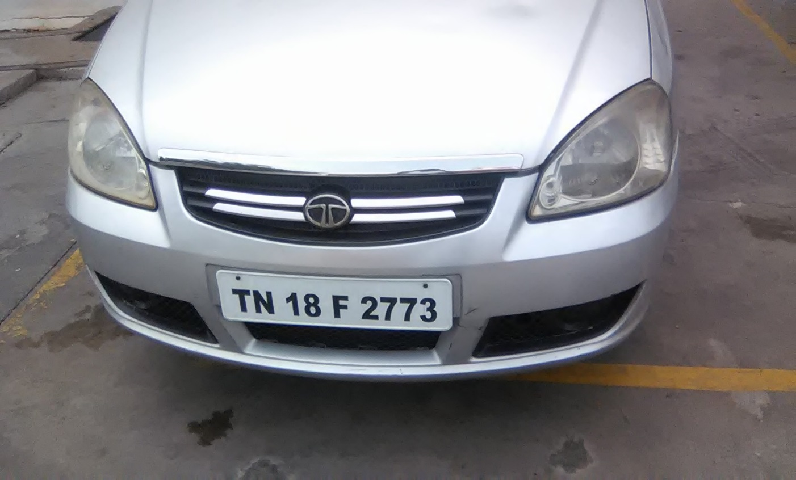
Vehicle No's : | Vehicle No's : | Vehicle No's :
TN22CM8915 | TN02BC6420 | TN09CK4737
TN18F2773 | TN10AL0228 | TN22CP7303
TN09BQ9234 | TN06J2981 | TN20EQ7959
TN18AJ3606 | TN10BB6118 | TN09CK4803
TN09CM8915 | TN09BM6881 | TN09BY9760
TN143117 | TN01AR4248 | TN09BW3103
TN09CH7936 | TN25AM1096 | TN22DE2057
TN09CH7760 | TN10AW4132 | TN25AY7708
TN25BY1138 | TN09BR0921 | TN22CB0613
TN21BZ1072 | TN19S8495 | TN01BD6745
TN25AM7692 | TN10AC0319 | TN09VP5930
TN07BR8836 | TN09CD0859 | TN09CD4172
TN09CH7806 | TN20BR5008 | TN09BS6295
TN09BR6523 | TN09BQ5043 | TN19AE9605

