Sheet1
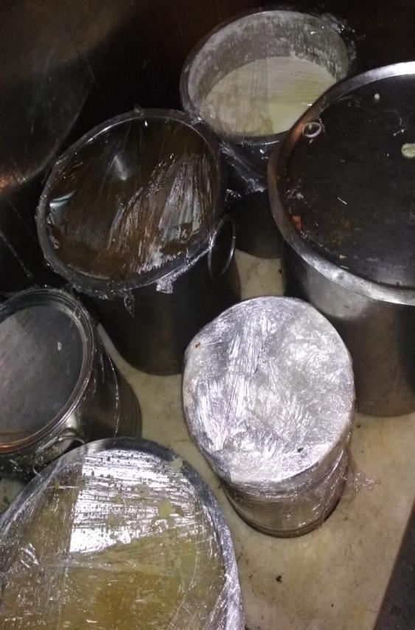
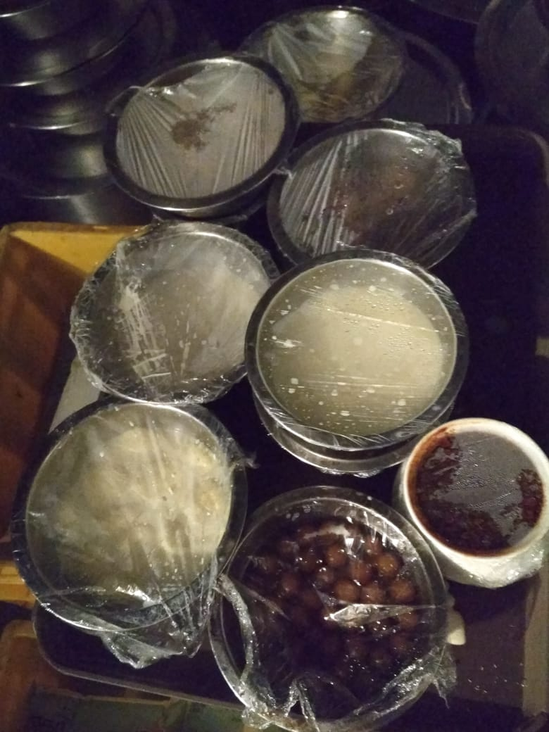
UNIT : HOTEL GREEN PARK - CHENNAI

TITLE : BANQUET COLD STORAGE - ITEM STORED WERE NOT DATE TAGGED AND THE ROOM WAS ALSO NOT CLEAN

