5
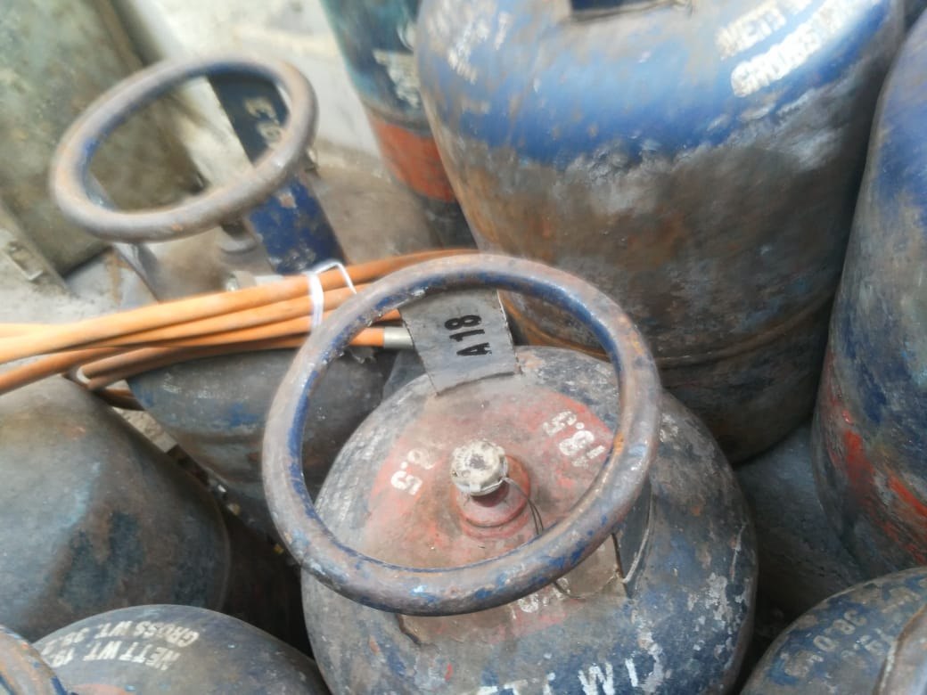
UNIT | : HOTEL GREEN PARK-CHENNAI

TITLE | : EXPIRED GAS CYLINDERS INWARDED ON 27-JUL-18

