Exhibit-4
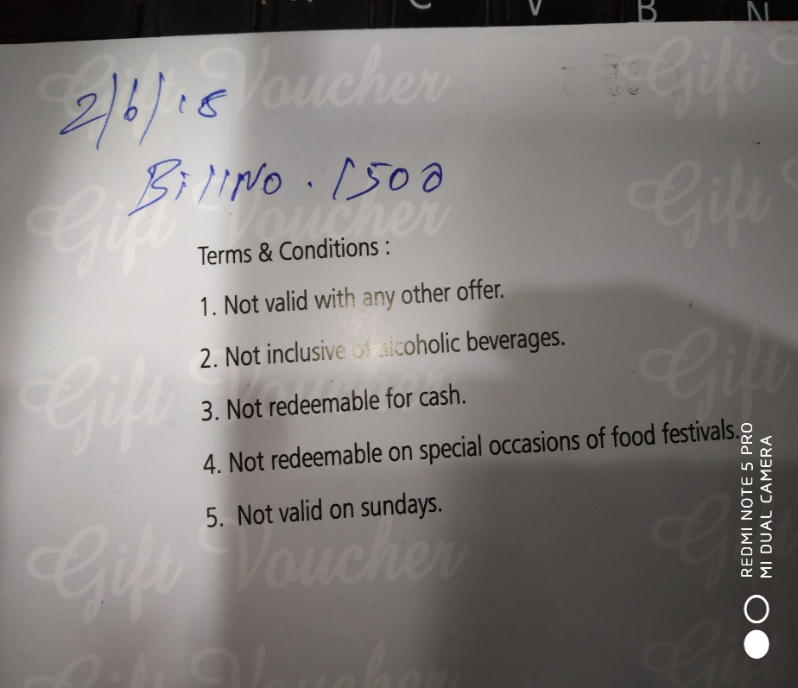
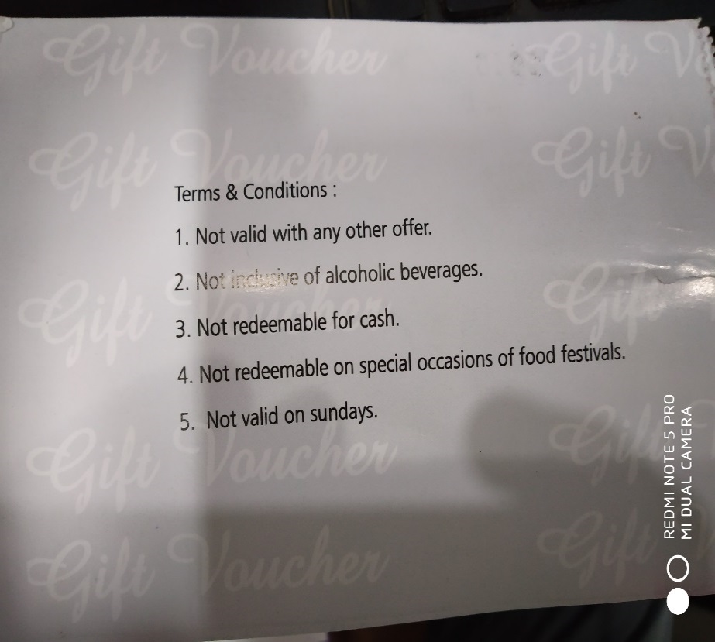
UNIT : HOTEL GREEN PARK - CHENNAI

TITLE : NO UNIFORM PRACTISE OF REFERRING THE BILL NUMBER

