Exhibit-3
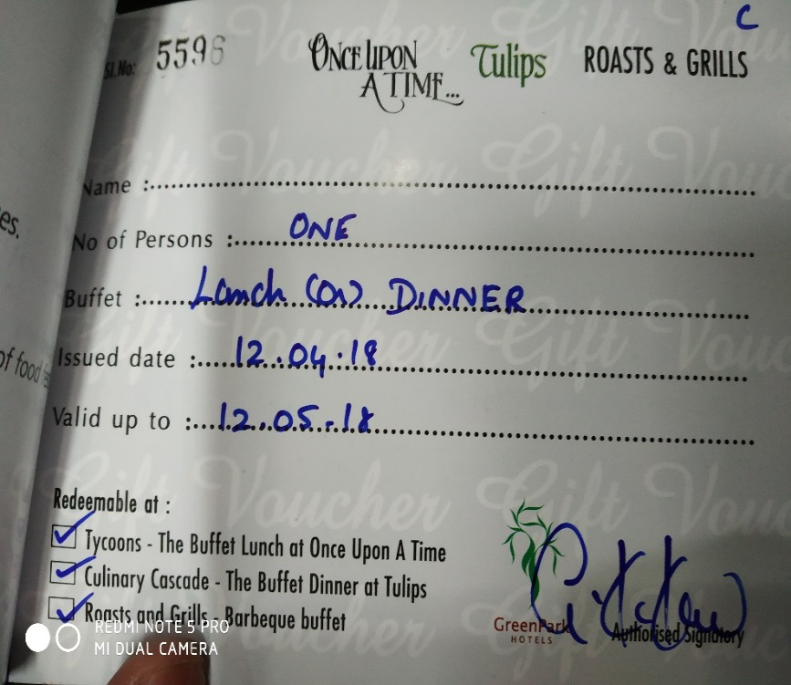
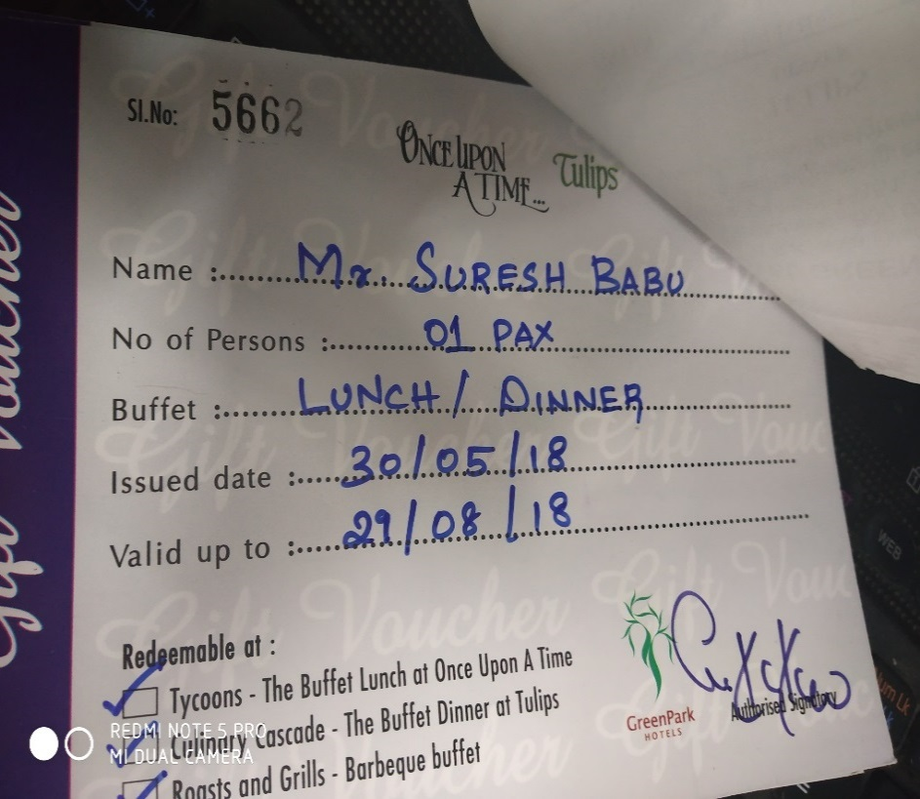
UNIT : HOTEL GREEN PARK - CHENNAI

TITLE : NO RULES FOR DEFINING PERIOD OF THE VOUCHER

