ANN-5
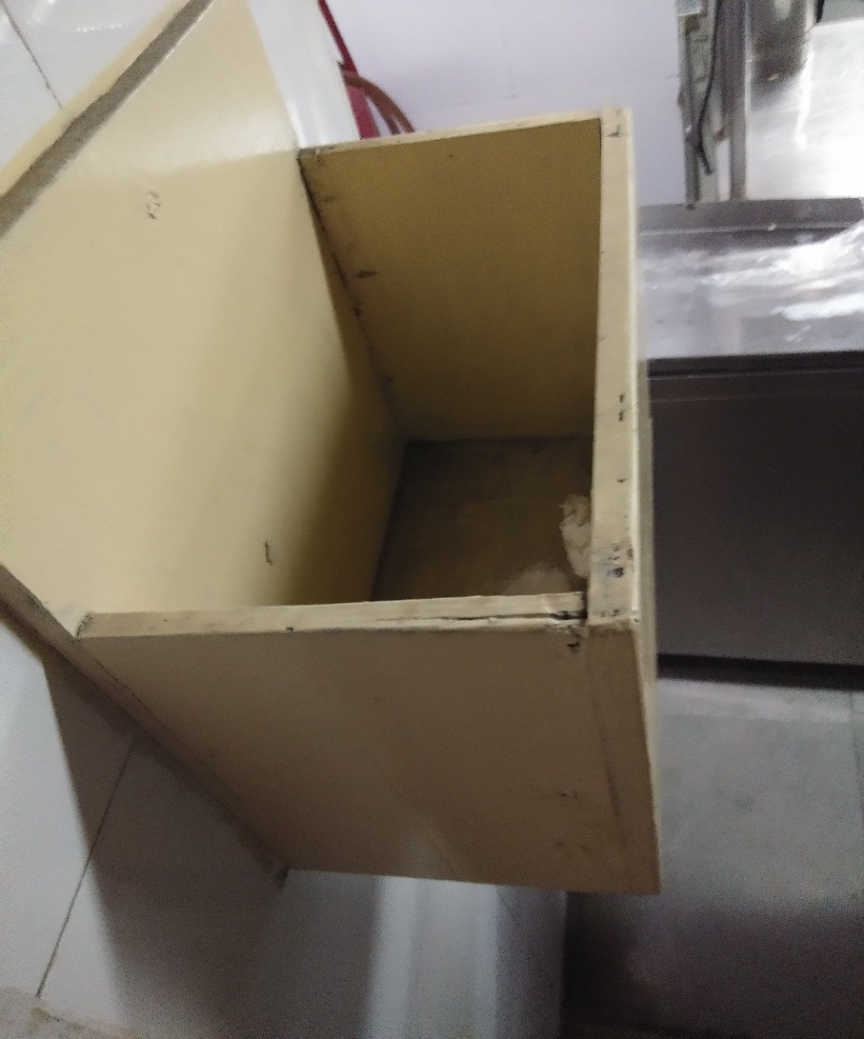
UNIT : HOTEL GREEN PARK - VISAKHAPATNAM

TITLE : NO HAIR CAPS IN THE MAIN KITCHEN

