Configuration
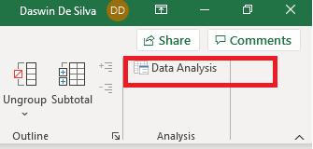
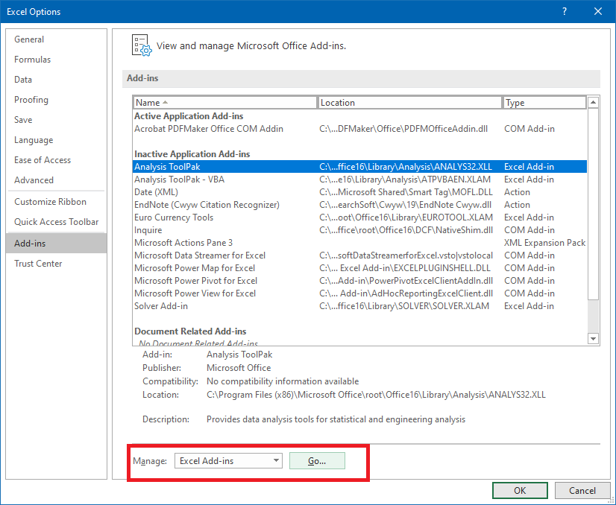
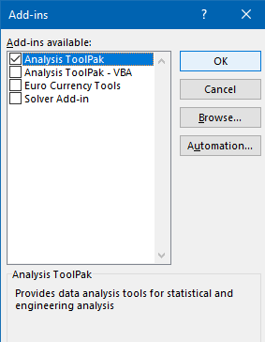
Step 1: Click on File > select Options | Step 2: go to Add-Ins submenu, select Excel Add-ins and click Go | Step 3: Select the Analysis ToolPak | Step 4: You should now see Data Analysis in the Data menu, as shown below.

Dataset
A simple dataset containing two categorical variables - 'Service type' and 'State', and two continuous numerical variables - 'Revenue' and 'Sentiment'.
Two services - NBN and Mobile
Four states - VIC, NSW, QLD, WA
Revenue is in dollars, and sentiment is a score between 0 and 100.
Service | State | Revenue | Sentiment
NBN | VIC | $673.00 | 94
NBN | VIC | $549.00 | 84
NBN | VIC | $648.00 | 76
NBN | VIC | $638.00 | 99
NBN | VIC | $589.00 | 100
NBN | NSW | $780.00 | 80
NBN | NSW | $650.00 | 80
NBN | NSW | $905.00 | 80
NBN | NSW | $855.00 | 73
NBN | NSW | $687.00 | 73
NBN | QLD | $326.00 | 55
NBN | QLD | $386.00 | 68
NBN | QLD | $385.00 | 61
NBN | QLD | $358.00 | 64
NBN | QLD | $332.00 | 69
NBN | WA | $234.00 | 65
NBN | WA | $211.00 | 68
NBN | WA | $203.00 | 67
NBN | WA | $237.00 | 69
NBN | WA | $211.00 | 69
Mobile | VIC | $395.00 | 88
Mobile | VIC | $397.00 | 85
Mobile | VIC | $399.00 | 93
Mobile | VIC | $387.00 | 99
Mobile | VIC | $325.00 | 100
Mobile | NSW | $514.00 | 91
Mobile | NSW | $568.00 | 94
Mobile | NSW | $524.00 | 94
Mobile | NSW | $506.00 | 83
Mobile | NSW | $504.00 | 96
Mobile | QLD | $206.00 | 67
Mobile | QLD | $275.00 | 65
Mobile | QLD | $288.00 | 69
Mobile | QLD | $261.00 | 61
Mobile | QLD | $260.00 | 66
Mobile | WA | $532.00 | 80
Mobile | WA | $405.00 | 76
Mobile | WA | $580.00 | 82
Mobile | WA | $581.00 | 80
Mobile | WA | $488.00 | 76

Univariate 2
Service | State | Revenue | Sentiment | Step 1: open the Data Analysis toolkit, from the Data menu | Step 4: output -
NBN | VIC | $673.00 | 94
NBN | VIC | $549.00 | 84 |  | Revenue |  | Sentiment
NBN | VIC | $648.00 | 71
NBN | VIC | $638.00 | 99 |  | Mean | 458.55 | Mean | 79
NBN | VIC | $589.00 | 100 |  | Standard Error | 30.170582335 | Standard Error | 2.3799375126
NBN | NSW | $780.00 | 94 |  | Median | 402 | Median | 81
NBN | NSW | $650.00 | 95 |  | Mode | 211 | Mode | 94
NBN | NSW | $995.00 | 92 |  | Standard Deviation | 190.81551703 | Standard Deviation | 15.052046458
NBN | NSW | $855.00 | 91 |  | Sample Variance | 36410.561538 | Sample Variance | 226.56410256
NBN | NSW | $687.00 | 94 |  | Kurtosis | 0.2443704248 | Kurtosis | -1.4681826588
NBN | QLD | $326.00 | 55 | Step 2: select Descriptive statistics | Skewness | 0.69339049025 | Skewness | -0.14787508118
NBN | QLD | $386.00 | 68 |  | Range | 792 | Range | 49
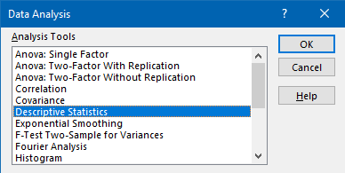
NBN | QLD | $385.00 | 61 |  | Minimum | 203 | Minimum | 51
NBN | QLD | $358.00 | 64 |  | Maximum | 995 | Maximum | 100
NBN | QLD | $332.00 | 69 |  | Sum | 18342 | Sum | 3160
NBN | WA | $234.00 | 65 |  | Count | 40 | Count | 40
NBN | WA | $211.00 | 60
NBN | WA | $203.00 | 61
NBN | WA | $237.00 | 62
NBN | WA | $211.00 | 63
Mobile | VIC | $395.00 | 88
Mobile | VIC | $397.00 | 85
Mobile | VIC | $399.00 | 93
Mobile | VIC | $387.00 | 99 | Step 3: configure the settings window as shown below
Mobile | VIC | $325.00 | 91
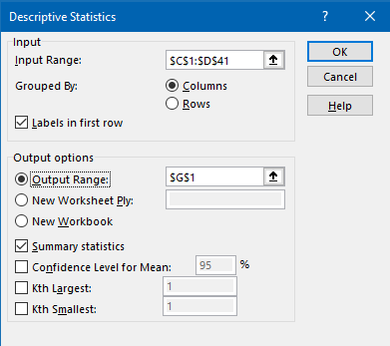
Mobile | NSW | $514.00 | 100
Mobile | NSW | $568.00 | 94
Mobile | NSW | $524.00 | 94
Mobile | NSW | $506.00 | 83
Mobile | NSW | $504.00 | 96
Mobile | QLD | $206.00 | 62
Mobile | QLD | $275.00 | 63
Mobile | QLD | $288.00 | 69
Mobile | QLD | $261.00 | 61
Mobile | QLD | $260.00 | 51
Mobile | WA | $532.00 | 80
Mobile | WA | $405.00 | 76
Mobile | WA | $580.00 | 82
Mobile | WA | $581.00 | 80
Mobile | WA | $488.00 | 71

Bivariate
Service | State | Revenue | Sentiment | Bivariate of numerical:
NBN | VIC | $673.00 | 94
NBN | VIC | $549.00 | 84 | Correlation, provides the Pearson correlation coefficient between two numerical variables, it measures linear co-movement between the two variables.
NBN | VIC | $648.00 | 71 | correlation between revenue and sentiment | 0.69860662607 | - this is a strong positive correlation
NBN | VIC | $638.00 | 99 | R squared | 0.48805121798
NBN | VIC | $589.00 | 100 | Scatter plot with trend line: (x axis revenue and y axis sentiment)
NBN | NSW | $780.00 | 94
NBN | NSW | $650.00 | 95
NBN | NSW | $995.00 | 92
NBN | NSW | $855.00 | 91
NBN | NSW | $687.00 | 94
NBN | QLD | $326.00 | 55
NBN | QLD | $386.00 | 68
NBN | QLD | $385.00 | 61
NBN | QLD | $358.00 | 64
NBN | QLD | $332.00 | 69
NBN | WA | $234.00 | 65
NBN | WA | $211.00 | 60
NBN | WA | $203.00 | 61
NBN | WA | $237.00 | 62
NBN | WA | $211.00 | 63
Mobile | VIC | $395.00 | 88
Mobile | VIC | $397.00 | 85
Mobile | VIC | $399.00 | 93 | Bivariate of categorical (contigency table):
Mobile | VIC | $387.00 | 99
Mobile | VIC | $325.00 | 91 | Step 1: Select Pivot Table from Insert menu |  |  | Step 2: fill in the values for all columns
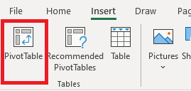
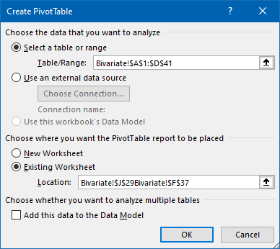
Mobile | NSW | $514.00 | 100
Mobile | NSW | $568.00 | 94
Mobile | NSW | $524.00 | 94
Mobile | NSW | $506.00 | 83
Mobile | NSW | $504.00 | 96
Mobile | QLD | $206.00 | 62
Mobile | QLD | $275.00 | 63
Mobile | QLD | $288.00 | 69
Mobile | QLD | $261.00 | 61
Mobile | QLD | $260.00 | 51 | Step 3: Pivot table as shown below
Mobile | WA | $532.00 | 80
Mobile | WA | $405.00 | 76 | Sum of Revenue | Column Labels
Mobile | WA | $580.00 | 82 | Row Labels | NSW | QLD | VIC | WA | Grand Total
Mobile | WA | $581.00 | 80 | Mobile | 31.16% | 15.37% | 22.67% | 30.80% | 100.00%
Mobile | WA | $488.00 | 71 | NBN | 39.88% | 17.97% | 31.14% | 11.02% | 100.00%
 |  |  |  | Grand Total | 35.89% | 16.78% | 27.26% | 20.07% | 100.00%

 |  |  |  | Step 4 : Pivot chart

Bivariate 2
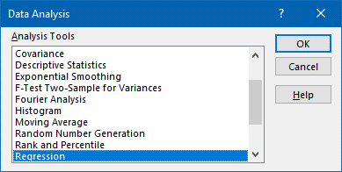
Service | State | Revenue | Sentiment | Step 1: select Regression | SUMMARY OUTPUT
NBN | VIC | $673.00 | 94
NBN | VIC | $549.00 | 84 |  | Regression Statistics
NBN | VIC | $648.00 | 71 |  | Multiple R | 0.69860662607
NBN | VIC | $638.00 | 99 |  | R Square | 0.48805121798
NBN | VIC | $589.00 | 100 |  | Adjusted R Square | 0.47457888162
NBN | NSW | $780.00 | 94 |  | Standard Error | 10.910617038
NBN | NSW | $650.00 | 95 |  | Observations | 40
NBN | NSW | $995.00 | 92
NBN | NSW | $855.00 | 91 |  | ANOVA
NBN | NSW | $687.00 | 94 |  |  | df | SS | MS | F | Significance F
NBN | QLD | $326.00 | 55 |  | Regression | 1 | 4312.4205621 | 4312.4205621 | 36.226175225 | 5.3642203636E-07
NBN | QLD | $386.00 | 68 |  | Residual | 38 | 4523.5794379 | 119.04156416
NBN | QLD | $385.00 | 61 | Step 2: input parameters | Total | 39 | 8836
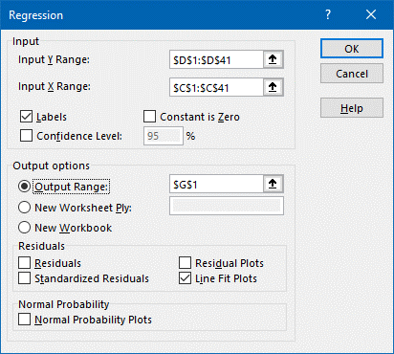
NBN | QLD | $358.00 | 64
NBN | QLD | $332.00 | 69 |  |  | Coefficients | Standard Error | t Stat | P-value | Lower 95% | Upper 95% | Lower 95.0% | Upper 95.0%
NBN | WA | $234.00 | 65 |  | Intercept | 53.730231697 | 4.539064368 | 11.837292301 | 2.5744042519E-14 | 44.541376281 | 62.919087114 | 44.541376281 | 62.919087114
NBN | WA | $211.00 | 60 |  | Revenue | 0.055107988884 | 0.0091559480614 | 6.0188184243 | 5.3642203636E-07 | 0.036572741063 | 0.073643236704 | 0.036572741063 | 0.073643236704
NBN | WA | $203.00 | 61
NBN | WA | $237.00 | 62
Revenue Line Fit Plot
NBN | WA | $211.00 | 63
Mobile | VIC | $395.00 | 88 |  | RESIDUAL OUTPUT
Mobile | VIC | $397.00 | 85
Mobile | VIC | $399.00 | 93 |  | Observation | Predicted Sentiment | Residuals
Mobile | VIC | $387.00 | 99 |  | 1 | 90.817908216 | 3.1820917839
Mobile | VIC | $325.00 | 91 |  | 2 | 83.984517595 | 0.015482405464
Mobile | NSW | $514.00 | 100 |  | 3 | 89.440208494 | -18.440208494
Mobile | NSW | $568.00 | 94 |  | 4 | 88.889128605 | 10.110871395
Mobile | NSW | $524.00 | 94 |  | 5 | 86.18883715 | 13.81116285
Mobile | NSW | $506.00 | 83 |  | 6 | 96.714463027 | -2.7144630267
Mobile | NSW | $504.00 | 96 |  | 7 | 89.550424472 | 5.4495755282
Mobile | QLD | $206.00 | 62 |  | 8 | 108.56268064 | -16.562680637
Mobile | QLD | $275.00 | 63 |  | 9 | 100.84756219 | -9.847562193
Mobile | QLD | $288.00 | 69 |  | 10 | 91.58942006 | 2.4105799395
Mobile | QLD | $261.00 | 61 |  | 11 | 71.695436073 | -16.695436073
Mobile | QLD | $260.00 | 51 |  | 12 | 75.001915406 | -7.0019154065
Mobile | WA | $532.00 | 80 |  | 13 | 74.946807418 | -13.946807418
Mobile | WA | $405.00 | 76 |  | 14 | 73.458891718 | -9.4588917177
Mobile | WA | $580.00 | 82 |  | 15 | 72.026084007 | -3.0260840068
Mobile | WA | $581.00 | 80 |  | 16 | 66.625501096 | -1.6255010962
Mobile | WA | $488.00 | 71 |  | 17 | 65.358017352 | -5.3580173518
 |  |  |  |  | 18 | 64.917153441 | -3.9171534408
 |  |  |  |  | 19 | 66.790825063 | -4.7908250628
 |  |  |  |  | 20 | 65.358017352 | -2.3580173518
 |  |  |  |  | 21 | 75.497887306 | 12.502112694
 |  |  |  |  | 22 | 75.608103284 | 9.3918967158
 |  |  |  |  | 23 | 75.718319262 | 17.281680738
 |  |  |  |  | 24 | 75.057023395 | 23.942976605
 |  |  |  |  | 25 | 71.640328085 | 19.359671915
 |  |  |  |  | 26 | 82.055737984 | 17.944262016
 |  |  |  |  | 27 | 85.031569383 | 8.9684306167
 |  |  |  |  | 28 | 82.606817872 | 11.393182128
 |  |  |  |  | 29 | 81.614874073 | 1.3851259275
 |  |  |  |  | 30 | 81.504658095 | 14.495341905
 |  |  |  |  | 31 | 65.082477407 | -3.0824774074
 |  |  |  |  | 32 | 68.88492864 | -5.8849286404
 |  |  |  |  | 33 | 69.601332496 | -0.60133249588
 |  |  |  |  | 34 | 68.113416796 | -7.113416796
 |  |  |  |  | 35 | 68.058308807 | -17.058308807
 |  |  |  |  | 36 | 83.047681784 | -3.0476817835
 |  |  |  |  | 37 | 76.048967195 | -0.048967195275
 |  |  |  |  | 38 | 85.69286525 | -3.6928652499
 |  |  |  |  | 39 | 85.747973239 | -5.7479732388
 |  |  |  |  | 40 | 80.622930273 | -9.6229302726

Correlation
New data
We have introduced three new numerical variables - UsageGB (Internet use in GB), LeadDays (# of days from first contact to transaction completion), Age (customer age)
Which of these are discrete or continuous?
Requirement
Reflect on what you would like to explore: Just like with sentiment, how do these variables affect revenue? i.e. does customer age affect revenue? etc.
This means we are interested in the correlation betwene these three variables with revenue.
In other words, Sentiment, UsageGB, LeadDays, Age and input variables that may have a relationship (or correlation) with the output variable Revenue.
Let's create a correlation matrix to explore these relationships.
Select 'Correlation' from the Data Analysis Toolkit and input all numerical columns along with the configuration shown in the image.
What is Correlation?
This function produces pair-wise Pearson correlation coefficient, a value between -1 and +1,
+1 indicates a perfect positive correlation. As variable X increases, variable Y increases. As variable X decreases, variable Y decreases.
-1 indicates a perfect negative correlation. As variable X increases, variable Z decreases. As variable X decreases, variable Z increases.
The closer to 0, the weaker a +/- relationship and 0 indicates no correlation.
The correlation matrix for our data is shown in cells I15:N20. We are interested in the last row 'Revenue' and its correlation with every other variable. How do we intepret this?
Intepreting the result
0.74 - Sentiment has a strong positive correlation with Revenue - when sentiment increases revenue increases.
0.83 - UsageGB has a stronger positive correlation with Revenue - for customers with high data usage revenue is also high.
-0.62 - LeadDays has a fairly strong negative correlation with Revenue - if the transaction takes longer then the revenue generated will be less.
0.09 - Being close to 0, Age is not correlated to Revenue, customer age does not affect the revenue generated.
Visual validation
Now let's visualise each of these pair-wise correlations using scatter plots and add a trend line to the graph.
Notice how our intepretations are validated by the Graphs 1-3.
Non-linearity
But what about Graphs 4-6? Graph 4 tells us there is no relationship (which validates 0.09). But when the trend line is a quadratic there seems to be a relationship, and it gets better when the axis are swapped - X axis revenue and Y axis age (Graph 6).
What does this mean? All Correlation and regression are useful only to determine a "linear correlation" but not a non-linear corelation, like quadratic or polynomial. This is one of the reasons we need machine learning.
Service | State | Sentiment | UsageGB | LeadDays | Age | Revenue
NBN | VIC | 94 | 105 | 14 | 68 | 673
NBN | VIC | 84 | 91 | 21 | 41 | 549
NBN | VIC | 71 | 98 | 9 | 71 | 648
NBN | VIC | 99 | 103 | 9 | 71 | 638
NBN | VIC | 100 | 111 | 29 | 41 | 589
NBN | NSW | 94 | 104 | 6 | 79 | 745
NBN | NSW | 95 | 94 | 6 | 66 | 650
NBN | NSW | 92 | 106 | 8 | 59 | 700
NBN | NSW | 91 | 103 | 12 | 59 | 710
NBN | NSW | 94 | 92 | 14 | 65 | 687
NBN | QLD | 55 | 23 | 35 | 24 | 326
NBN | QLD | 68 | 42 | 19 | 23 | 386
Graph 1
NBN | QLD | 61 | 49 | 29 | 26 | 385
NBN | QLD | 64 | 14 | 34 | 31 | 358 |  | Sentiment | UsageGB | LeadDays | Age | Revenue
NBN | QLD | 69 | 48 | 23 | 40 | 332 | Sentiment | 1
NBN | WA | 65 | 42 | 26 | 70 | 234 | UsageGB | 0.63739476659 | 1
NBN | WA | 60 | 31 | 35 | 58 | 211 | LeadDays | -0.33701946538 | -0.45357447014 | 1
NBN | WA | 61 | 27 | 26 | 65 | 203 | Age | -0.089516201612 | 0.02324411342 | -0.51954792452 | 1
NBN | WA | 62 | 40 | 23 | 66 | 237 | Revenue | 0.74217769692 | 0.83586811827 | -0.62640503481 | 0.091182211264 | 1
NBN | WA | 63 | 32 | 20 | 51 | 211
Mobile | VIC | 88 | 55 | 34 | 43 | 395 | Same can be achieved using the CORREL function
Mobile | VIC | 85 | 54 | 24 | 25 | 397 |  | Sentiment | UsageGB | LeadDays | Age
Mobile | VIC | 93 | 8 | 25 | 28 | 399 | Revenue | 0.74217769692 | 0.83586811827 | -0.62640503481 | 0.091182211264
Mobile | VIC | 99 | 30 | 30 | 23 | 387
Mobile | VIC | 91 | 55 | 32 | 40 | 325
Graph 2
Graph 3
Mobile | NSW | 100 | 113 | 21 | 28 | 514
Mobile | NSW | 94 | 91 | 33 | 30 | 568
Mobile | NSW | 94 | 102 | 26 | 35 | 524
Mobile | NSW | 83 | 109 | 25 | 38 | 506
Mobile | NSW | 96 | 92 | 35 | 44 | 504
Mobile | QLD | 62 | 9 | 32 | 50 | 206
Mobile | QLD | 63 | 53 | 31 | 62 | 275
Mobile | QLD | 69 | 12 | 23 | 64 | 288
Mobile | QLD | 61 | 7 | 31 | 65 | 261
Mobile | QLD | 51 | 37 | 25 | 58 | 260
Mobile | WA | 80 | 110 | 24 | 33 | 532
Mobile | WA | 76 | 108 | 30 | 34 | 405
Mobile | WA | 82 | 97 | 22 | 31 | 580
Graph 4
Graph 5
Mobile | WA | 80 | 100 | 34 | 29 | 581
Mobile | WA | 71 | 104 | 21 | 35 | 488 |  |  |  |  | \

Graph 6

