MERGE V1
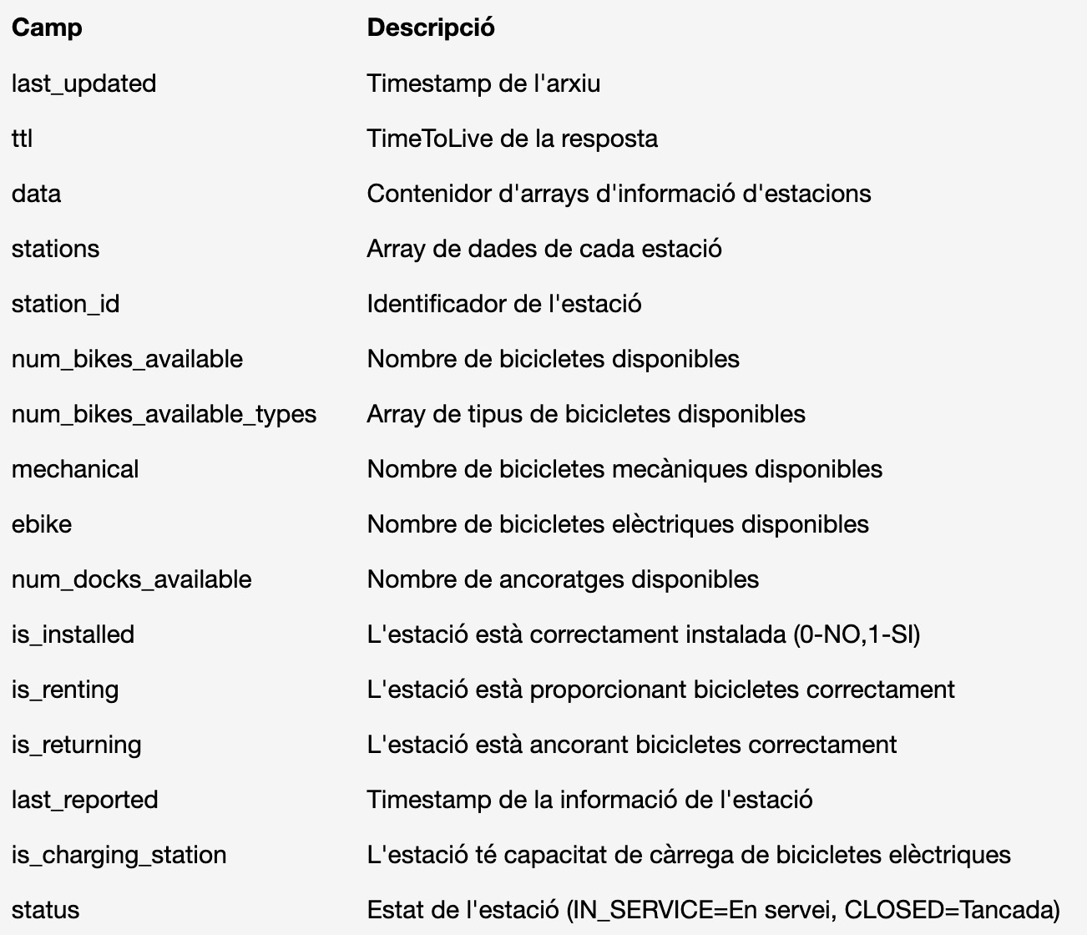
BBDD ESTACIONS |  | FULL OUTER JOIN | BBDD INFORMACIÓ
station_id |  | KEY | station_id
num_bikes_available
num_bikes_available_types.mechanical
num_bikes_available_types.ebike
num_docks_available | TARGET
is_installed
is_renting
is_returning
last_reported
is_charging_station
status
last_updated | Timestamp | KEY | last_updated
ttl |  |  | ttl
 |  |  | name | street_name | street_number
 |  |  | physical_configuration
 |  |  | lon
 |  |  | lat
 |  |  | altitude
 |  |  | address
 |  |  | post_code
 |  |  | capacity
crear: global timestamp (por horas)

RESULT
