数据看板以及问题总结
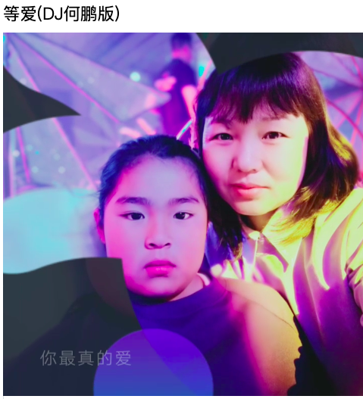


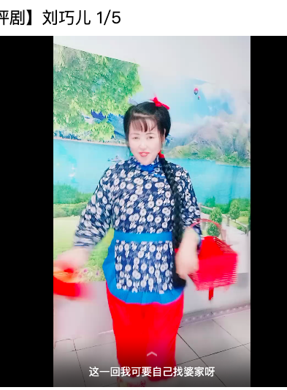
模型检测 | 画面无意义 | 抽烟 | 画面拼凑
 |  |  | 识别拼凑 | 识别低质拼凑
总数 | 3339 | 790 | 777 | 377
人审正例数 | 2182 | 66 | 377 | 245
准确率 | 65.35% | 8.35% | 48.52% | 64.99%
人审负例数 | 1157 | 724 | 400 | 132
误召率 | 34.65% | 91.65% | 51.48% | 35.01%

画面无意义badcase主要问题
1、录屏识别为无意义 |  |  |  |  |  |  | 2、风景画面 |  | 3、图片轮播 |  | 4、作者个人风格
https://kg.qq.com/node/play?s=14128201_1617760463_350 |  |  | https://kg.qq.com/node/play?s=143759802_1617751693_339 |  | https://kg.qq.com/node/play?s=15952993_1617778966_461 |  | https://kg.qq.com/node/play?s=148022244_1617771304_651 |  | https://kg.qq.com/node/play?s=155208782_1617781878_36 |  | https://kg.qq.com/node/play?s=16123793_1617773718_609 | https://kg.qq.com/node/play?s=2000394149_1617772749_948
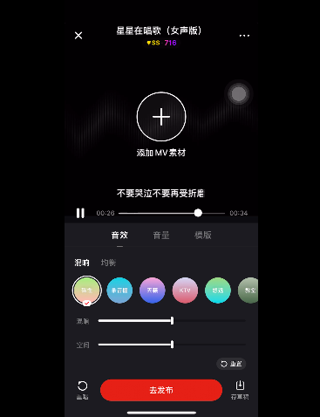
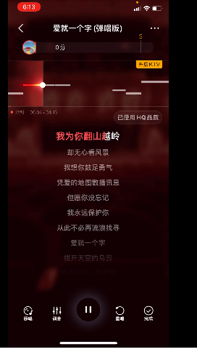
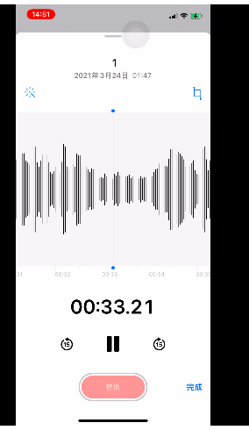
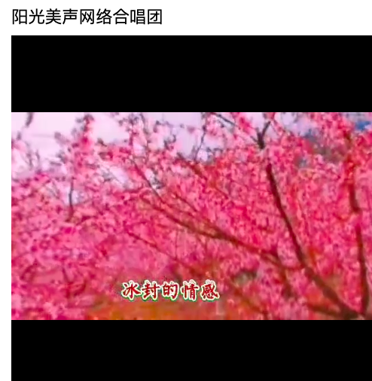
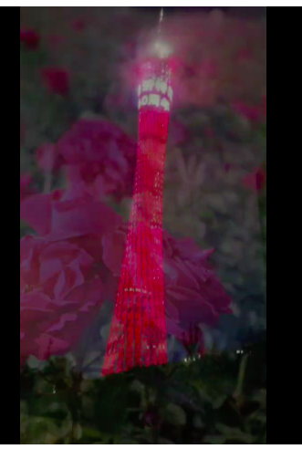
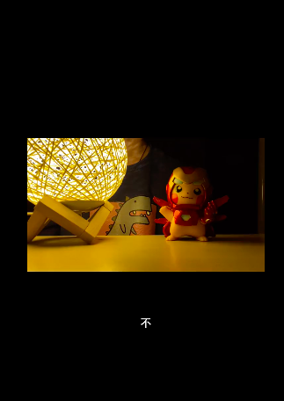
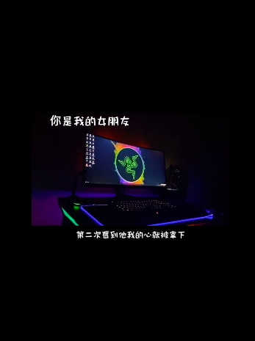

抽烟问题较大，误识别较多，误识别的内容无规律可循；唯一有个共性——用耳机唱歌，将耳机收音靠近口周围
https://kg.qq.com/node/play?s=415818690_1617773794_327 |  |  | https://kg.qq.com/node/play?s=428187396_1617767042_103 |  |  | https://kg.qq.com/node/play?s=439804860_1617746415_230 |  | https://kg.qq.com/node/play?s=473398258_1617763676_2748
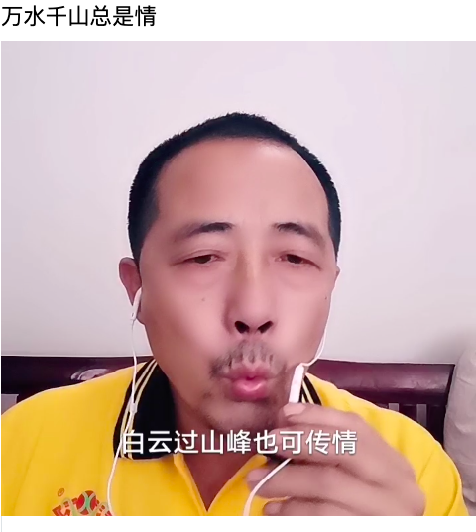
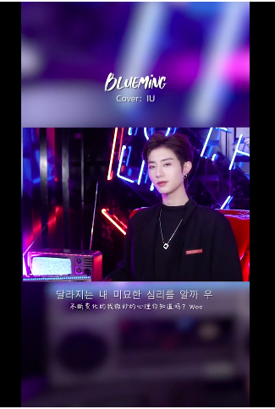
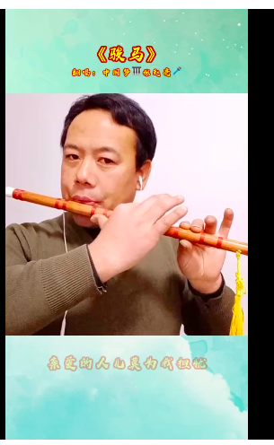
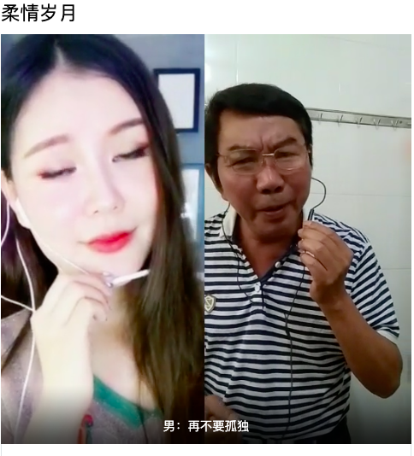

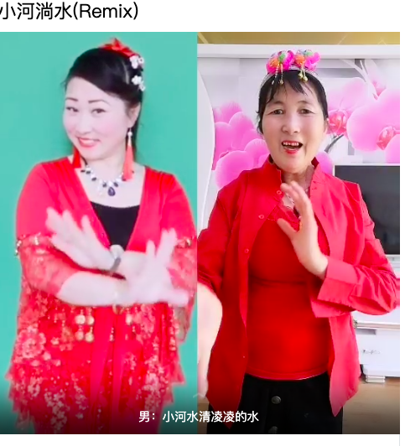
画面拼凑问题
误识别特效、背景版较多 |  |  | 转场特效 |  |  | 转场特效 |  | 特效背景 |  | 背景板
https://kg.qq.com/node/play?s=615520075_1617746355_2809 |  |  | https://kg.qq.com/node/play?s=596540960_1617766319_316 |  |  | https://kg.qq.com/node/play?s=435004739_1617763302_851 |  | https://kg.qq.com/node/play?s=349617966_1617749090_457 |  | https://kg.qq.com/node/play?s=333537627_1617766852_1835

