虎虎生财 数值框架（这个不用导出）
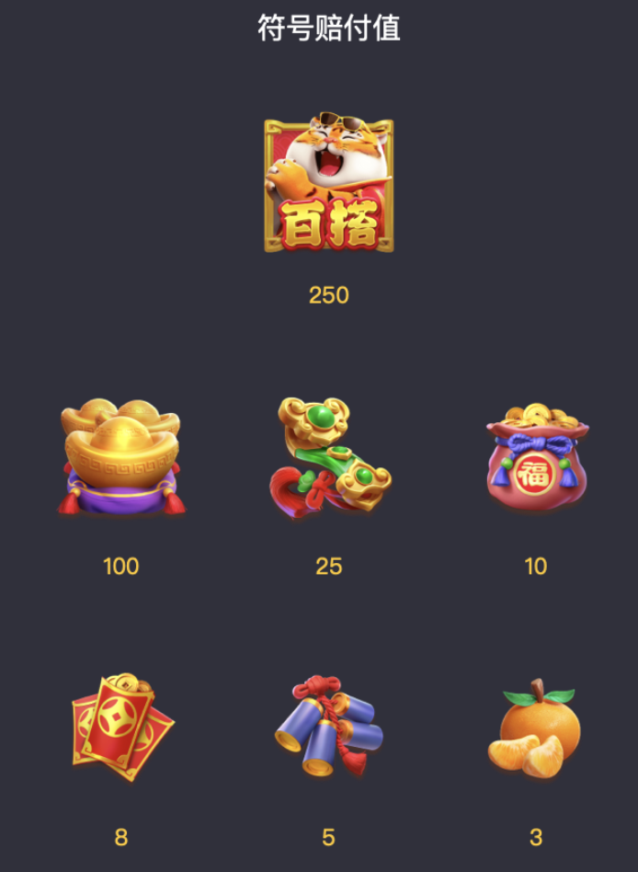
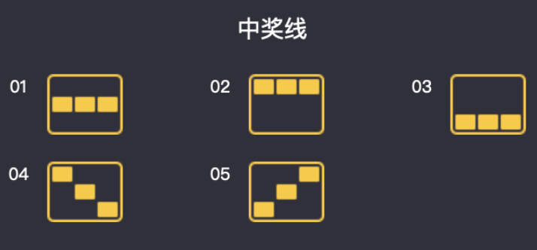
每个元素 中奖概率和期望 总计5条中奖线 全屏同一图标（包含百搭），再次x10奖金
 | 三连返奖率 | 三连概率 | 三连返奖
百搭 | 250 | 0.0098% | 2.4579%
元宝 | 100 | 0.0357% | 3.5685%
如意 | 25 | 0.1151% | 2.8766%
福袋 | 10 | 0.4748% | 4.7483%
红包 | 8 | 1.2191% | 9.7529%
鞭炮 | 5 | 2.4878% | 12.4388%
橘子 | 3 | 4.4206% | 13.2617%
 | 总中奖率 | 8.7629% | 49.1048%

普通中奖：（按概率随机）
三连，当玩家获得积分小于剩余奖池积分则发奖；
大于剩余积分，判为没中奖
特殊玩法：（虎、必中奖）
总计：1104条中奖线
仅当用户中奖积分小于剩余积分时开奖；如大于则开次高奖
假特殊玩法：（必不中）
设定概率，结果为不中
不中的表：
假生财：必定是不中奖，概率当前5%
用户每次点击slot时，
1.判断返奖区间
2.判断场景档位，随机玩家权重
3.按权重找用户ABCD类型
4.随机用户是普通还是特殊玩法
5.普通开奖走随机，超额不发奖
6. 特殊玩法从列表中随机，超额发次级奖
用户多次不中给予保底（在讨论）

 |  |  |  | 每个元素普通摇奖出现权重 3-3-3
 |  |  |  |  | 滚轮1 | 滚轮2 | 滚轮3
 |  |  |  | 百搭 | 150 | 150 | 150
 |  |  |  | 元宝2 | 100 | 100 | 100
 |  |  |  | 铜钱 | 200 | 200 | 200
 |  |  |  | 钱袋子 | 400 | 400 | 400
 |  |  |  | 红包 | 600 | 600 | 600
 |  |  |  | 鞭炮 | 800 | 800 | 800
 |  |  |  | 橘子 | 1000 | 1000 | 1000
 |  |  |  | total | 3250 | 3250 | 3250

 |  |  |  |  |  |  |  | 出现概率 3-3-3
 |  |  |  |  |  |  |  |  | 滚轮1 | 滚轮2 | 滚轮3
 |  |  |  |  |  |  |  | 百搭 | 4.6154% | 4.6154% | 4.6154%
 |  |  |  |  |  |  |  | 元宝 | 3.0769% | 3.0769% | 3.0769%
 |  |  |  |  |  |  |  | 铜钱 | 6.1538% | 6.1538% | 6.1538%
 |  |  |  |  |  |  |  | 钱袋子 | 12.3077% | 12.3077% | 12.3077%
 |  |  |  |  |  |  |  | 红包 | 18.4615% | 18.4615% | 18.4615%
 |  |  |  |  |  |  |  | 鞭炮 | 24.6154% | 24.6154% | 24.6154%
 |  |  |  |  |  |  |  | 橘子 | 30.7692% | 30.7692% | 30.7692%
 |  |  |  |  |  |  |  | total | 100.0000% | 100.0000% | 100.0000%

 |  |  |  |  |  |  |  |  |  |  |  | 图形编号和倍率
 |  |  |  |  |  |  |  |  |  |  |  | 图形 | 编号 | 三连倍率
 |  |  |  |  |  |  |  |  |  |  |  | 百搭 | 2 | 250
 |  |  |  |  |  |  |  |  |  |  |  | 元宝 | 3 | 100
 |  |  |  |  |  |  |  |  |  |  |  | 如意 | 4 | 25
 |  |  |  |  |  |  |  |  |  |  |  | 钱袋 | 5 | 10
 |  |  |  |  |  |  |  |  |  |  |  | 红包 | 6 | 8
 |  |  |  |  |  |  |  |  |  |  |  | 鞭炮 | 7 | 5
 |  |  |  |  |  |  |  |  |  |  |  | 橘子 | 8 | 3
 |  |  |  |  |  |  |  |  |  |  |  | 空格 | 1

 |  |  |  |  |  |  |  |  |  |  |  |  |  |  | 设定总返奖率档位区间
 |  |  |  |  |  |  |  |  |  |  |  |  |  |  | 返奖率编号 | 最小值 | 最大值 | 奖池预定返奖区间
 |  |  |  |  |  |  |  |  |  |  |  |  |  |  | 1 |  | 15% | 小于等于15%
 |  |  |  |  |  |  |  |  |  |  |  |  |  |  | 2 | 15% | 25% | 大于15%小于等于25%
 |  |  |  |  |  |  |  |  |  |  |  |  |  |  | 3 | 25% | 35% | 大于25%小于等于35%
 |  |  |  |  |  |  |  |  |  |  |  |  |  |  | 4 | 35% | 45% | 大于35%小于等于45%
 |  |  |  |  |  |  |  |  |  |  |  |  |  |  | 5 | 45% | 55% | 大于45%小于等于55%
 |  |  |  |  |  |  |  |  |  |  |  |  |  |  | 6 | 55% | 65% | 大于55%小于等于65%
 |  |  |  |  |  |  |  |  |  |  |  |  |  |  | 7 | 65% | 70.0% | 大于65%小于等于70%
 |  |  |  |  |  |  |  |  |  |  |  |  |  |  | 8 | 70.0% | 75% | 大于70%小于等于75%
 |  |  |  |  |  |  |  |  |  |  |  |  |  |  | 9 | 75% | 80.0% | 大于75%小于等于80%
 |  |  |  |  |  |  |  |  |  |  |  |  |  |  | 10 | 80.0% | 85% | 大于80%小于等于85%
 |  |  |  |  |  |  |  |  |  |  |  |  |  |  | 11 | 85% | 90.0% | 大于85%小于等于90%
 |  |  |  |  |  |  |  |  |  |  |  |  |  |  | 12 | 90.0% | 95% | 大于90%小于等于95%
 |  |  |  |  |  |  |  |  |  |  |  |  |  |  | 13 | 95% | 99% | 大于95%小于等于99%

 |  |  |  |  |  |  |  |  |  |  |  |  |  |  |  |  |  |  | 设定场景内档位（基于档位区间再次分档，以85%-90%为例）
 |  |  |  |  |  |  |  |  |  |  |  |  |  |  |  |  |  |  | 场景编号 | 最小值 | 最大值 | 奖池存量区间 | 玩家类型A | 玩家类型B | 玩家类型C | 玩家类型D | 特殊中奖率
 |  |  |  |  |  |  |  |  |  |  |  |  |  |  |  |  |  |  | 1 |  | 85% | 小于等于85%时 | 1 | 4 | 0 | 0 | 1.7445%
 |  |  |  |  |  |  |  |  |  |  |  |  |  |  |  |  |  |  | 2 | 85% | 87% | 大于85%小于等于87% | 1 | 10 | 2 | 0 | 1.1892%
 |  |  |  |  |  |  |  |  |  |  |  |  |  |  |  |  |  |  | 3 | 87% | 89% | 大于87%小于等于89% | 1 | 20 | 20 | 1 | 0.7746%
 |  |  |  |  |  |  |  |  |  |  |  |  |  |  |  |  |  |  | 4 | 89% | 90.0% | 大于89%小于等于90% | 0 | 0 | 10 | 10 | 0.1992%
 |  |  |  |  |  |  |  |  |  |  |  |  |  |  |  |  |  |  | 5 | 90.0% |  | 大于等于90% | 0 | 0 | 0 | 1 | 0.0000%
 |  |  |  |  |  |  |  |  |  |  |  |  |  |  |  |  |  |  | 普通中奖超额不开奖，判定为不中 特殊玩法超额开次一级倍率的奖池

 |  |  |  |  |  |  |  |  |  |  |  |  |  |  |  |  |  |  |  |  |  |  |  |  |  |  |  | 玩家类型
 |  |  |  |  |  |  |  |  |  |  |  |  |  |  |  |  |  |  |  |  |  |  |  |  |  |  |  | 玩家类型编号 | 普通中奖 | 特殊中奖 | 特殊中奖率
 |  |  |  |  |  |  |  |  |  |  |  |  |  |  |  |  |  |  |  |  |  |  |  |  |  |  |  | A型玩家 | 20 | 1 | 4.7619%
 |  |  |  |  |  |  |  |  |  |  |  |  |  |  |  |  |  |  |  |  |  |  |  |  |  |  |  | B型玩家 | 100 | 1 | 0.9901%
 |  |  |  |  |  |  |  |  |  |  |  |  |  |  |  |  |  |  |  |  |  |  |  |  |  |  |  | C型玩家 | 250 | 1 | 0.3984%
 |  |  |  |  |  |  |  |  |  |  |  |  |  |  |  |  |  |  |  |  |  |  |  |  |  |  |  | D型玩家 | 10 | 0 | 0.0000%

