十倍金牛 数值框架（这个不用导出） - 绘图

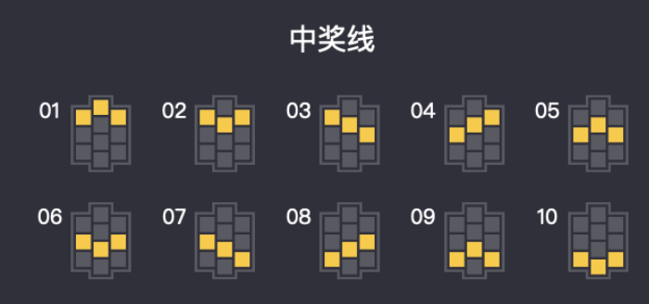
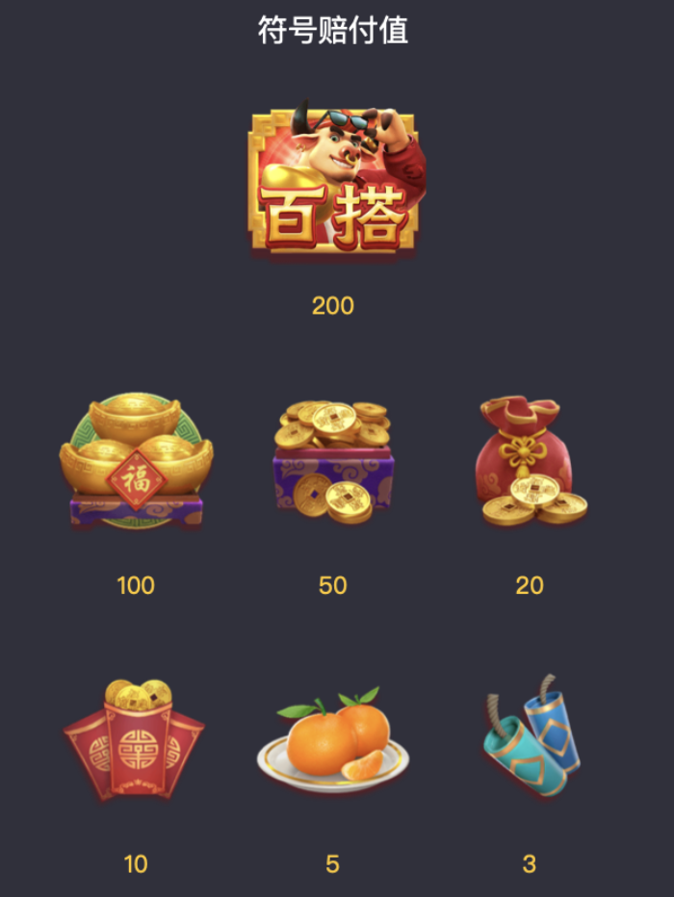

普通中奖：（按概率随机）
三连，当玩家获得积分小于剩余奖池积分则发奖；
大于剩余积分，判为没中奖
特殊玩法：（牛、必中奖）
两侧摇奖为相同排列的符号，中间一列继续摇奖，直至中奖结算
仅当用户中奖积分小于剩余积分时开奖；如大于则开次高奖
假特殊玩法：（必不中）
设定概率，结果为不中
不中的表：
假生财：必定是不中奖，概率当前5%
用户每次点击slot时，
1.判断返奖区间
2.判断场景档位，随机玩家权重
3.按权重找用户ABCD类型
4.随机用户是普通还是特殊玩法
5.普通开奖走随机，超额不发奖
6. 特殊玩法从列表中随机，超额发次级奖
用户多次不中给予保底（在讨论）

