金钱兔 数值框架（这个不用导出） - 绘图
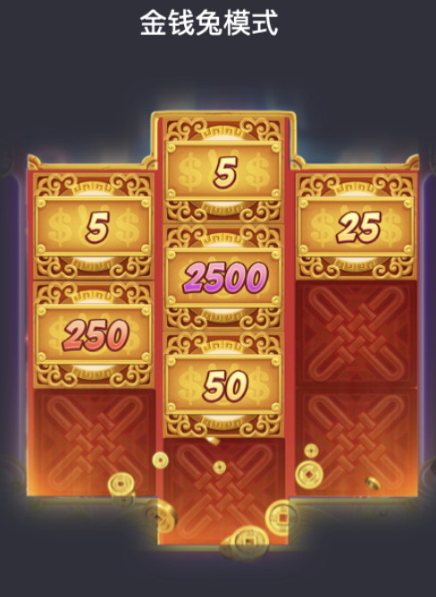
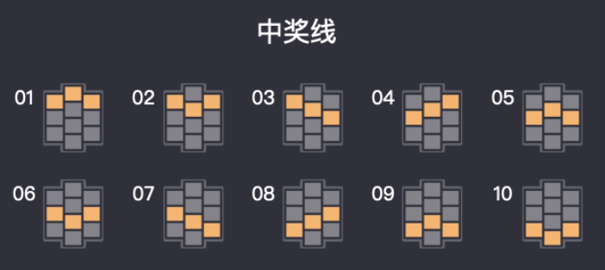


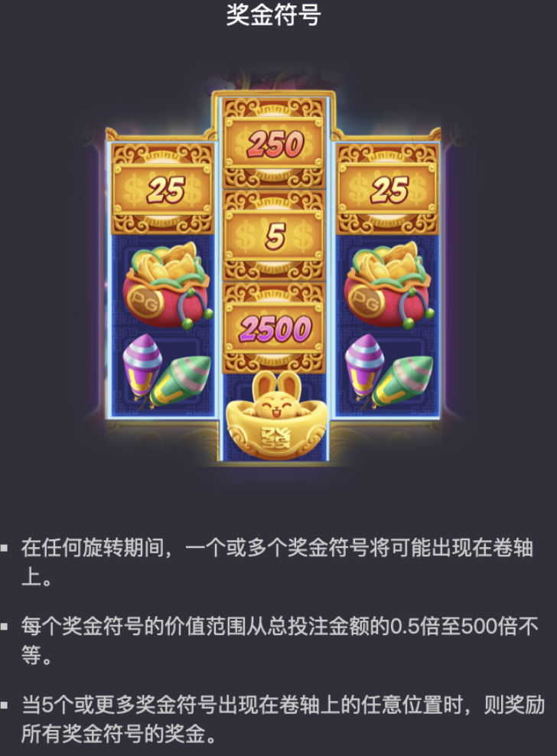

普通中奖：（按概率随机）
三连 连线 = 返奖
当玩家获得积分小于剩余奖池积分则发奖；
大于剩余积分，判为没中奖
普通中奖会混合奖票，奖票5张，5张以上按奖票倍率返奖
奖票面值=倍率 x 总中奖金额
奖票权重读表6
特殊玩法：（8次freegame摇奖）
8次免费摇奖
只会出现奖票和空的情况
奖票5张，5张以上按奖票倍率返奖
奖票面值=倍率 x 总中奖金额
奖票权重读表6
假特殊玩法：（必不中）
设定概率，结果为不中
不中的表：表4
流程：
用户每次点击slot时
1.判断返奖区间
2.判断场景档位，随机玩家权重
3.按权重找用户ABCD类型
4.随机用户是普通还是特殊玩法
5.普通开奖走随机，超额不发奖
6. 特殊玩法从列表中随机，超额发次级奖

