comparison
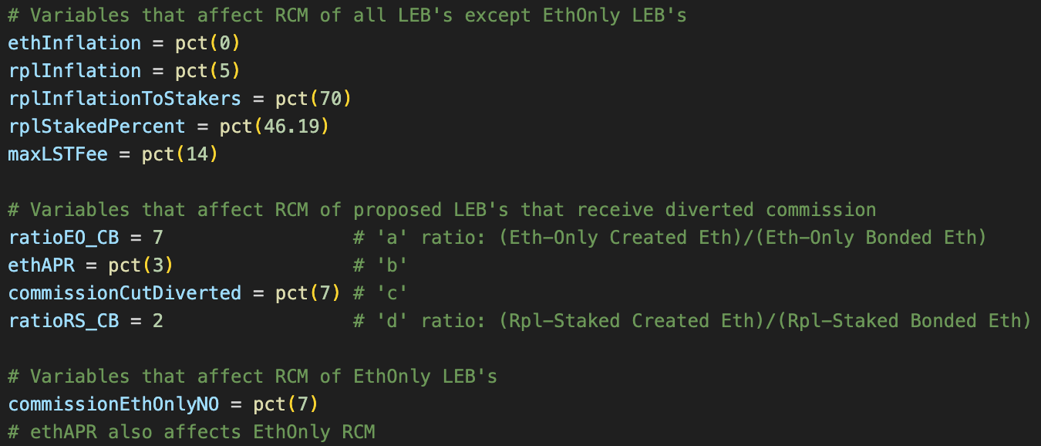
Notes and scripts can be found at: | https://github.com/orangesamus/RocketPoolRapidResearchIncubator/
Project | RP LEB8 | RP LEB4 | RP LEB8 (no RPL) | RP LEB4 (no RPL) | CSM (4) | CSM (2) | RP: EO LEB4 | RP: RPL LEB16 | RP: RPL LEB8 | RP: RPL LEB4 | RP: RPL LEB2 | Stader | Stader (no huge SD) | Swell
Bond ETH | 8 | 4 | 8 | 4 | 4 | 2 | 4 | 16 | 8 | 4 | 2 | 4 | 4 | 16
Additional bond | 2.4 | 2.8 | 0 | 0 | 0 | 0 | 0 | 1.6 | 2.4 | 2.8 | 3 | 0.4 | 0.4 | 0
Alt bond (ex: RPL) Exposure | 30.0% | 70.0% | 0.0% | 0.0% | 0.0% | 0.0% | 0.0% | 10.0% | 30.0% | 70.0% | 150.0% | 10.0% | 10.0% | 0.0%
APR ratio (K) | 0.82 | 0.82 | 0 | 0 | 0 | 0 | 0.00 | 0.82 | 0.82 | 0.82 | 0.82 | 7.76 | 1 | 0
Max fee | 14% | 14% | 14% | 14% | 7.50% | 7.50% | 7% | 14% | 14% | 14% | 14% | 6% | 6% | 10%
RC eth bond | 8.00 | 4.00 | 8.00 | 4.00 | 3.60 | 1.80 | 4.00 | 16.00 | 8.00 | 4.00 | 2.00 | 4.00 | 4.00 | 16.00
RC commission | 3.36 | 3.92 | 3.36 | 3.92 | 2.40 | 2.40 | 1.96 | 2.24 | 3.36 | 3.92 | 4.20 | 1.68 | 1.68 | 1.60
RC alt bond | 1.96 | 2.29 | 0.00 | 0.00 | 0.00 | 0.00 | 0.00 | 1.31 | 1.96 | 2.29 | 2.46 | 3.10 | 0.40 | 0.00

Eth bond reward | 0.24 | 0.12 | 0.24 | 0.12 | 0.11 | 0.05 | 0.12 | 0.48 | 0.24 | 0.12 | 0.06 | 0.12 | 0.12 | 0.48
Commission reward | 0.10 | 0.12 | 0.10 | 0.12 | 0.07 | 0.07 | 0.06 | 0.07 | 0.10 | 0.12 | 0.13 | 0.05 | 0.05 | 0.05
Alt bond equivalent eth reward | 0.06 | 0.07 | 0.00 | 0.00 | 0.00 | 0.00 | 0.00 | 0.04 | 0.06 | 0.07 | 0.07 | 0.09 | 0.01 | 0.00
New diverted commission reward | 0.00 | 0.00 | 0.00 | 0.00 | 0.00 | 0.00 | 0.00 | 0.15 | 0.15 | 0.15 | 0.15 | 0.00 | 0.00 | 0.00
Sum of rewards | 0.40 | 0.31 | 0.34 | 0.24 | 0.18 | 0.13 | 0.18 | 0.74 | 0.55 | 0.46 | 0.41 | 0.26 | 0.18 | 0.53

Equivalent eth reward for solo staking | 0.31 | 0.20 | 0.24 | 0.12 | 0.12 | 0.06 | 0.12 | 0.53 | 0.31 | 0.20 | 0.15 | 0.13 | 0.13 | 0.48
RCM (Rewarded Capital Multiplier) | 1.28 | 1.50 | 1.42 | 1.98 | 1.50 | 2.10 | 1.49 | 1.40 | 1.78 | 2.26 | 2.76 | 2.00 | 1.38 | 1.10

Rocket Pool (stats from rocketscan) |  |  |  | equations from: | https://research.lido.fi/t/bond-and-staking-fee-napkin-math/5999
RPL supply | 19,992,308 |  |  | RC_generic = Bond + (32 - Bond) * MaxFee
Effective RPL Staked | 9,233,612 |  |  | RC_csm = Bond * (1 - LidoStakingFee) + 32 * MaxFee =========names in table above======== "RC eth bond" + "RC Commission" + "RC alt bond"
Total RPL Staked | 10,238,405 |  |  | RC_alt = BondETH + (32 - BondETH) * MaxFee + BondALT * K ===names in table above======== "RC eth bond" + "RC commission" + "RC alt bond"
RPL inflation | 5% |  |  | RPL_StakingAPR_in_ETH = (1 + RPL_StakingAPR) * C_parity - 1
Node Operator share | 70% | RPL inflation distribution shares |  | C_parity = (1 + ETH_inflation) / (1 + RPL_inflation)
pDAO share | 28.50% |  |  | RPL_StakingAPR = RPL_inflation * RPL_inflation_allocation_to_stakers / RPL_staked_percent
oDAO share | 1.50% |  |  | K = RPL_StakingAPR_in_ETH / ETH_StakingAPR
Total staked share | 46.19%
RPL staking APR (RPL) | 7.58%
ETH inflation | 0%
Parity ETH: RPL price 1y | 95.2%
RPL staking APR (ETH) | 2.5%
ETH staking APR (ETH) | 3.00% |  | ETH per minipool
Ratio (K) | 0.82 |  | 0.0771 | Scenario 1: No new Node Operators join, 1/3 the existing bonded Eth from node operators (1/3 of the EB16s and 1/3 of the LEB8s) convert to EO LEB4s, leading to 1/3 EO, 2/3 RS:
commission fee charged to LST holders | 14.0% |  | 0.1541 | Scenario 2: No new Node Operators join, half the existing bonded Eth from node operators (half the EB16s and half the LEB8s) convert to EO LEB4s, leading to 1/2 EO, 1/2 RS:
commission given to Eth only minipools | 7.0% |  | 0.3082 | Scenario 3: No new Node Operators join, 2/3 the existing bonded Eth from node operators (2/3 of the EB16s and 2/3 of the LEB8s) convert to EO LEB4s, leading to 2/3 EO, 1/3 RS:
commission diverted to RPL-Staked NO | 7.0% |  | 1.3871 | Scenario 4 (Extreme Case): No new Node Operators join, 90% the existing bonded Eth from node operators (90% of the EB16 and 90% of the LEB8) convert to EO LEB4s, leading to 90% EO, 10% RS:
% bonded ETH in Eth-Only Minipools | 50.00%
Ratio (RS created Eth / RS bonded Eth) | 2.05 |  | 0.0771 | Scenario 1: All Existing RS NO stay as they are, eventually enough EO NO bond to get to ~1/3 EO, ~2/3 RS:
Eth diverted commission per minipool | 0.1541 |  | 0.1541 | Scenario 2: All Existing RS NO stay as they are, eventually enough EO NO bond to get to ~1/2 EO, ~1/2 RS:
 |  |  | 0.3082 | Scenario 3: All Existing RS NO stay as they are, eventually enough EO NO bond to get to ~2/3 EO, ~1/3 RS:
Ratio (RS created Eth / RS bonded Eth) | 2.05 | (existing ratio) | 0.9276 | Scenario 4 (Max Growth): All Existing RS NO stay as they are, eventually enough EO NO join so that total EO bond is ~6x RS bond:

Equation to calculate Eth per minipool diverted to rpl-staked minipools: |  |  |  | x | a | b | c | d
y = (32*(X)*a*b*c)/(1+d) |  |  |  | 50% | 7 | 3% | 7% | 2.05
5 inputs: | ranges for input values | notes
X = Ratio of Eth-only bond over Rpl-staked bond; can be input as x% Eth-only bond and ratio can be calculated with equation: x/(1-x) | 0%<= x <100% | variable most likely to change quickly and have largest impact on equation
a = Ratio of Eth-only created Eth over Eth-only bonded Eth | 1<= a <=15 | If Eth-only minipools were all LEB4, a = 7 since LEB4 is 4 bonded Eth, 28 created Eth, 28/4 = 7. Range of 1 (EB16) to 15 (LEB2)
b = Solo staker APR | 2.5%<= b <=5% | ultrasound.money website shows APR range from 2.5% to 5%, currently this value is close to 3%
c = Commission cut % diverted from Eth-only Node Operators to Rpl-staked Node Operators | 0%<= c <=14% | target of 7% to be competitive with Lido CSM with 4Eth bond
d = Ratio of Rpl-staked created Eth over Rpl-staked bonded Eth | 1<= a <=15 | (If all RPL-staked was LEB8 this would be: 3. Since some RPL-staked are still EB16, this number is between 1 and 3: currently close to 2 on rocketscan)

Plotted analysis:
Script to plot can be found at: | https://github.com/orangesamus/RocketPoolRapidResearchIncubator/blob/main/RCM_plotter.py
Rewards are 'unbounded' for minipools receiving diverted commission (if there is only 1 minipool that chooses to stake RPL, that minipool receives all of the diverted commission)
To better understand the RCM from 0% to 70%, I'll exclude 70% to 100% for all of the other plots after the first one below:
See example below:
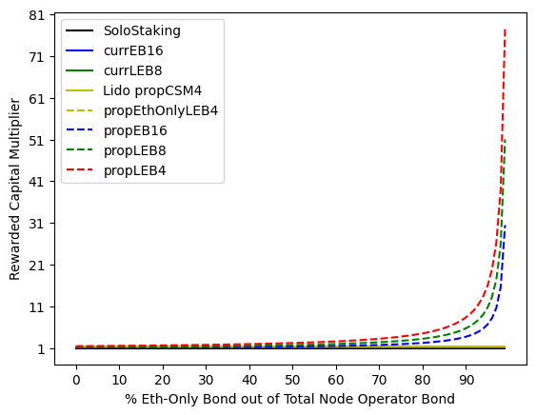
 |  |  |  | From 0% to 70%:
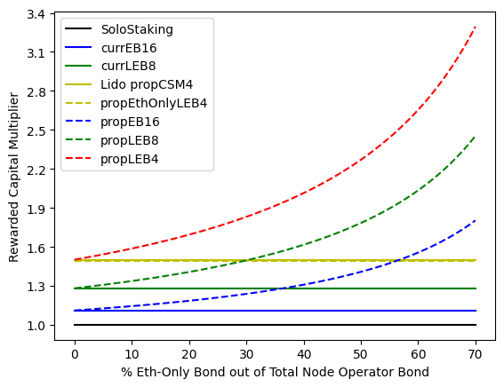

Input variables used:

example yields
High Level Example Comparison: | Commission charged to LST holders | Commission given to Eth-Only Node Operator | Commission diverted | Where diverted to |  | note: cells in orange (solo staker APR and Commissions diverted can be adjusted to view impacts elsewhere)
Lido CSM | 10.0% | 7.5% | 2.5% | Lido Treasury |  |  | 3.00% | = Solo Staker APR Example
Rocket Pool commission cut | 14.0% | 7.0% | 7.0% | RPL-Staked Nodes
 |  |  |  |  |  |  | RPL supply | 19,992,308
Existing ideas: | Overall ROI vs solo math | Overall ROI vs solo | RPL exposure | Example APR | RPL yield |  | Effective RPL Staked | 9,233,612
Reference: Lido CSM | =(4*(1-B2)+32*(C2))/(4+0) | 1.500 | 0.0% | 4.50% | no |  | Total RPL Staked | 10,238,405
Reference: EB16s | =(16+16*B3+1.6*I17)/(16+1.6) | 1.111 | 9.1% | 3.33% | yes |  | RPL inflation | 5%
Reference: LEB8s | =(8+24*B3+2.4*I18)/(8+2.4) | 1.281 | 30.0% | 3.84% | yes |  | RPL inflation distribution shares |  | equations (from https://research.lido.fi/t/bond-and-staking-fee-napkin-math/5999):
 |  |  |  |  |  |  | Node Operator | 70% | RC_generic = Bond + (32 - Bond) * MaxFee
LEB4s, no changes | =(4+28*B3+2.8*I18)/(4+2.8) | 1.502 | 41.2% | 4.51% | yes |  | pDAO | 28.50% | RC_csm = Bond * (1 - LidoStakingFee) + 32 * MaxFee
LEB4s, min bond 5.5% borrowed | =(4+28*B3+1.54*I18)/(4+1.54) | 1.657 | 31.3% | 4.97% | yes |  | oDAO | 1.50% | RC_alt = BondETH + (32 - BondETH) * MaxFee + BondALT * K
LEB2s, no changes | =(2+30*B3+3*I18)/(2+3) | 1.731 | 60.0% | 5.19% | yes |  | Total staked share | 46.19% | RPL_StakingAPR_in_ETH = (1 + RPL_StakingAPR) * C_parity - 1
LEB2s, min bond 5.5% borrowed | =(2+30*B3+1.65*I18)/(2+1.65) | 2.069 | 45.2% | 6.21% | yes |  | RPL staking APR (RPL) | 7.58% | C_parity = (1 + ETH_inflation) / (1 + RPL_inflation)
 |  |  |  |  |  |  | ETH inflation | 0% | RPL_StakingAPR = RPL_inflation * RPL_inflation_allocation_to_stakers / RPL_staked_percent
 |  |  |  |  |  |  | Parity ETH: RPL price 1y | 95.2% | K = RPL_StakingAPR_in_ETH / ETH_StakingAPR
 |  |  |  |  |  |  | RPL staking APR (ETH) | 2.5%
New Idea: Commission Cut comparison |  |  |  |  |  |  | ETH staking APR (ETH) | 3.00%
 |  |  |  |  |  |  | Ratio (K) | 0.82
Terms used below: EO = Eth-Only, RS = RPL-Staked, NO = Node Operators, MP = minipools
 |  |  |  |  |  | Commissions
Fixed commission cut examples | Overall ROI vs solo math | Overall ROI vs solo | RPL exposure | Example APR | RPL yield | LST Holder charged | EO NO earnings | Diverted | Where diverted to
EO LEB4 (earning 10% commission) | =(4 + 28*H21)/(4+0) | 1.7 | 0.0% | 5.10% | no | 14.0% | 10.0% | 4.0% | RS NO
EO LEB4 (earning 8.0% commission) | =(4 + 28*H22)/(4+0) | 1.56 | 0.0% | 4.68% | no | 14.0% | 8.0% | 6.0% | RS NO
EO LEB4 (earning 7.5% commission) | =(4 + 28*H23)/(4+0) | 1.525 | 0.0% | 4.58% | no | 14.0% | 7.5% | 6.5% | RS NO
EO LEB4 (earning 7.0% commission) | =(4 +28*H24)/(4+0) | 1.49 | 0.0% | 4.47% | no | 14.0% | 7.0% | 7.0% | RS NO
EO LEB4 (earning 6.5% commission) | =(4 +28*H25)/(4+0) | 1.455 | 0.0% | 4.37% | no | 14.0% | 6.5% | 7.5% | RS NO
EO LEB4 (earning 6.0% commission) | =(4 +28*H26)/(4+0) | 1.42 | 0.0% | 4.26% | no | 14.0% | 6.0% | 8.0% | RS NO
EO LEB4 (earning 4.0% commission) | =(4 + 28*H27)/(4+0) | 1.28 | 0.0% | 3.84% | no | 14.0% | 4.0% | 10.0% | RS NO

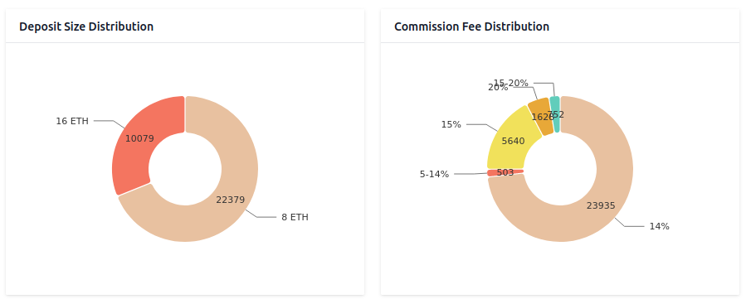

Stats from rocketscan (rough values) see picture to the right | Number of MPs created | ETH created for rETH supply | Eth bonded by NO
RS EB16 | 10,079 | 161,264 | 161,264
RS LEB8 | 22,379 | 537,096 | 179,032
Total | 32,458 | 698,360 | 340,296

Examples showing existing Node Operators reshuffling to Eth Only Nodes, impacts of commission cut:
Scenario 1: No new Node Operators join, 1/3 the existing bonded Eth from node operators (1/3 of the EB16s and 1/3 of the LEB8s) convert to EO LEB4s, leading to 1/3 EO, 2/3 RS:

 | Number of MPs | ETH created for rETH supply | Eth bonded by RS NO | New Diverted ETH | time (years) since EO LEB4s created
RS EB16 | 6,719 | 107,509 | 107,509
RS LEB8 | 14,919 | 358,064 | 119,355
Total RS | 21,639 | 465,573 | 226,864
EO LEB4 | 28,358 | 794,024 | 113,432 | 1,667 | 1
Total | 49,997 | 1,259,597 | 340,296 | 1,667

Diverted Eth Distributions Strategies Example
Example 1. Simple division by # of RS minipools (actual implementation could use attestations):
 | Overall ROI vs solo math | Overall ROI vs solo | RPL exposure | APR with commission cut | RPL yield | Total ETH earned | ETH earned from commission cut | Eth earned w/o commission cut | APR w/o commission cut | ROI vs solo w/o commission cut | Overall ROI vs solo math | ETH earned if you were a solo staker
RS EB16 | =(G55)/M55 | 1.257 | 9.1% | 3.77% | yes | 0.6635 | 0.0771 | 0.5865 | 3.33% | 1.111 | =(16+16*$B$3+1.6*$I$17)/(16+1.6) | 0.528
RS LEB8 | =(G56)/M56 | 1.528 | 30.0% | 4.58% | yes | 0.4768 | 0.0771 | 0.3997 | 3.84% | 1.281 | =(8+24*$B$3+2.4*$I$17)/(8+2.4) | 0.312
RS LEB4 | =(G57)/M57 | 2.287 | 41.2% | 6.86% | yes | 0.4666 | 0.0771 | 0.3895 | 5.73% | 1.909 | =(4+28*$B$3*2.8*$I$17)/(4+2.8) | 0.204
RS LEB2 | =(G58)/M58 | 2.245 | 60.0% | 6.73% | yes | 0.3367 | 0.0771 | 0.2597 | 5.19% | 1.731 | =(2+30*$B$3+3*$I$17)/(2+3) | 0.15

Scenario 2: No new Node Operators join, half the existing bonded Eth from node operators (half the EB16s and half the LEB8s) convert to EO LEB4s, leading to 1/2 EO, 1/2 RS:

 | Number of MPs | ETH created for rETH supply | Eth bonded by RS NO | New Diverted ETH | time (years) since EO LEB4s created
RS EB16 | 5,040 | 80,632 | 80,632
RS LEB8 | 11,190 | 268,548 | 89,516
Total RS | 16,229 | 349,180 | 170,148
EO LEB4 | 42,537 | 1,191,036 | 170,148 | 2,501 | 1
Total | 58,766 | 1,540,216 | 340,296 | 2,501

Diverted Eth Distributions Strategies Example
Example 1. Simple division by # of RS minipools (actual implementation could use attestations):
 | Overall ROI vs solo math | Overall ROI vs solo | RPL exposure | APR with commission cut | RPL yield | Total ETH earned | ETH earned from commission cut | Eth earned w/o commission cut | APR w/o commission cut | ROI vs solo w/o commission cut | Overall ROI vs solo math | ETH earned if you were a solo staker
RS EB16 | =(G75)/M75 | 1.403 | 9.1% | 4.21% | yes | 0.7406 | 0.1541 | 0.5865 | 3.33% | 1.111 | =(16+16*$B$3+1.6*$I$17)/(16+1.6) | 0.528
RS LEB8 | =(G76)/M76 | 1.775 | 30.0% | 5.33% | yes | 0.5538 | 0.1541 | 0.3997 | 3.84% | 1.281 | =(8+24*$B$3+2.4*$I$17)/(8+2.4) | 0.312
RS LEB4 | =(G77)/M77 | 2.665 | 41.2% | 7.99% | yes | 0.5436 | 0.1541 | 0.3895 | 5.73% | 1.909 | =(4+28*$B$3*2.8*$I$17)/(4+2.8) | 0.204
RS LEB2 | =(G78)/M78 | 2.759 | 60.0% | 8.28% | yes | 0.4138 | 0.1541 | 0.2597 | 5.19% | 1.731 | =(2+30*$B$3+3*$I$17)/(2+3) | 0.15

Scenario 3: No new Node Operators join, 2/3 the existing bonded Eth from node operators (2/3 of the EB16s and 2/3 of the LEB8s) convert to EO LEB4s, leading to 2/3 EO, 1/3 RS:

 | Number of MPs | ETH created for rETH supply | Eth bonded by RS NO | New Diverted ETH | time (years) since EO LEB4s created
RS EB16 | 3,360 | 53,755 | 53,755
RS LEB8 | 7,460 | 179,032 | 59,677
Total RS | 10,819 | 232,787 | 113,432
EO LEB4 | 56,716 | 1,588,048 | 226,864 | 3,335 | 1
Total | 67,535 | 1,820,835 | 340,296 | 3,335

Diverted Eth Distributions Strategies Example
Example 1. Simple division by # of RS minipools (actual implementation could use attestations):
 | Overall ROI vs solo math | Overall ROI vs solo | RPL exposure | APR with commission cut | RPL yield | Total ETH earned | ETH earned from commission cut | Eth earned w/o commission cut | APR w/o commission cut | ROI vs solo w/o commission cut | Overall ROI vs solo math | ETH earned if you were a solo staker
RS EB16 | =(G93)/M93 | 1.695 | 9.1% | 5.08% | yes | 0.8947 | 0.3082 | 0.5865 | 3.33% | 1.111 | =(16+16*$B$3+1.6*$I$17)/(16+1.6) | 0.528
RS LEB8 | =(G94)/M94 | 2.269 | 30.0% | 6.81% | yes | 0.7080 | 0.3082 | 0.3997 | 3.84% | 1.281 | =(8+24*$B$3+2.4*$I$17)/(8+2.4) | 0.312
RS LEB4 | =(G95)/M95 | 3.420 | 41.2% | 10.26% | yes | 0.6977 | 0.3082 | 0.3895 | 5.73% | 1.909 | =(4+28*$B$3*2.8*$I$17)/(4+2.8) | 0.204
RS LEB2 | =(G96)/M96 | 3.786 | 60.0% | 11.36% | yes | 0.5679 | 0.3082 | 0.2597 | 5.19% | 1.731 | =(2+30*$B$3+3*$I$17)/(2+3) | 0.15

Scenario 4 (Extreme Case): No new Node Operators join, 90% the existing bonded Eth from node operators (90% of the EB16 and 90% of the LEB8) convert to EO LEB4s, leading to 90% EO, 10% RS:

 | Number of MPs | ETH created for rETH supply | Eth bonded by RS NO | New Diverted ETH | time (years) since EO LEB4s created
RS EB16 | 1,008 | 16,126 | 16,126
RS LEB8 | 2,238 | 53,710 | 17,903
Total RS | 3,246 | 69,836 | 34,030
EO LEB4 | 76,567 | 2,143,865 | 306,266 | 4,502 | 1
Total | 79,812 | 2,213,701 | 340,296 | 4,502

Diverted Eth Distributions Strategies Example
Example 1. Simple division by # of RS minipools (actual implementation could use attestations):
 | Overall ROI vs solo math | Overall ROI vs solo | RPL exposure | APR with commission cut | RPL yield | Total ETH earned | ETH earned from commission cut | Eth earned w/o commission cut | APR w/o commission cut | ROI vs solo w/o commission cut | Overall ROI vs solo math | ETH earned if you were a solo staker
RS EB16 | =(G113)/M113 | 3.738 | 9.1% | 11.21% | yes | 1.9735 | 1.3871 | 0.5865 | 3.33% | 1.111 | =(16+16*$B$3+1.6*$I$17)/(16+1.6) | 0.528
RS LEB8 | =(G114)/M114 | 5.727 | 30.0% | 17.18% | yes | 1.7868 | 1.3871 | 0.3997 | 3.84% | 1.281 | =(8+24*$B$3+2.4*$I$17)/(8+2.4) | 0.312
RS LEB4 | =(G115)/M115 | 8.709 | 41.2% | 26.13% | yes | 1.7766 | 1.3871 | 0.3895 | 5.73% | 1.909 | =(4+28*$B$3*2.8*$I$17)/(4+2.8) | 0.204
RS LEB2 | =(G116)/M116 | 10.978 | 60.0% | 32.93% | yes | 1.6467 | 1.3871 | 0.2597 | 5.19% | 1.731 | =(2+30*$B$3+3*$I$17)/(2+3) | 0.15

Examples showing growth in Rocket Pool protocol, impact of new Eth

Scenario 1: All Existing RS NO stay as they are, eventually enough EO NO bond to get to ~1/3 EO, ~2/3 RS:

 | Number of MPs | ETH created for rETH supply | Eth bonded by RS NO | New Diverted ETH | time (years) since EO LEB4s created
RS EB16 | 10,079 | 161,264 | 161,264
RS LEB8 | 22,379 | 537,096 | 179,032
Total RS | 32,458 | 698,360 | 340,296
EO LEB4 | 42,537 | 1,191,036 | 170,148 | 2,501 | 1
Total | 74,995 | 1,889,396 | 510,444 | 2,501

Diverted Eth Distributions Strategies Example
Example 1. Simple division by # of RS minipools (actual implementation could use attestations):
 | Overall ROI vs solo math | Overall ROI vs solo | RPL exposure | APR with commission cut | RPL yield | Total ETH earned | ETH earned from commission cut | Eth earned w/o commission cut | APR w/o commission cut | ROI vs solo w/o commission cut | Overall ROI vs solo math | ETH earned if you were a solo staker
RS EB16 | =(G134)/M134 | 1.257 | 9.1% | 3.77% | yes | 0.6635 | 0.0771 | 0.5865 | 3.33% | 1.111 | =(16+16*$B$3+1.6*$I$17)/(16+1.6) | 0.528
RS LEB8 | =(G135)/M135 | 1.528 | 30.0% | 4.58% | yes | 0.4768 | 0.0771 | 0.3997 | 3.84% | 1.281 | =(8+24*$B$3+2.4*$I$17)/(8+2.4) | 0.312
RS LEB4 | =(G136)/M136 | 2.287 | 41.2% | 6.86% | yes | 0.4666 | 0.0771 | 0.3895 | 5.73% | 1.909 | =(4+28*$B$3*2.8*$I$17)/(4+2.8) | 0.204
RS LEB2 | =(G137)/M137 | 2.245 | 60.0% | 6.73% | yes | 0.3367 | 0.0771 | 0.2597 | 5.19% | 1.731 | =(2+30*$B$3+3*$I$17)/(2+3) | 0.15

Scenario 2: All Existing RS NO stay as they are, eventually enough EO NO bond to get to ~1/2 EO, ~1/2 RS:

 | Number of MPs | ETH created for rETH supply | Eth bonded by RS NO | New Diverted ETH | time (years) since EO LEB4s created
RS EB16 | 10,079 | 161,264 | 161,264
RS LEB8 | 22,379 | 537,096 | 179,032
Total RS | 32,458 | 698,360 | 340,296
EO LEB4 | 85,074 | 2,382,072 | 340,296 | 5,002 | 1
Total | 117,532 | 3,080,432 | 680,592 | 5,002

Diverted Eth Distributions Strategies Example
Example 1. Simple division by # of RS minipools (actual implementation could use attestations):
 | Overall ROI vs solo math | Overall ROI vs solo | RPL exposure | APR with commission cut | RPL yield | Total ETH earned | ETH earned from commission cut | Eth earned w/o commission cut | APR w/o commission cut | ROI vs solo w/o commission cut | Overall ROI vs solo math | ETH earned if you were a solo staker
RS EB16 | =(G152)/M152 | 1.403 | 9.1% | 4.21% | yes | 0.7406 | 0.1541 | 0.5865 | 3.33% | 1.111 | =(16+16*$B$3+1.6*$I$17)/(16+1.6) | 0.528
RS LEB8 | =(G153)/M153 | 1.775 | 30.0% | 5.33% | yes | 0.5538 | 0.1541 | 0.3997 | 3.84% | 1.281 | =(8+24*$B$3+2.4*$I$17)/(8+2.4) | 0.312
RS LEB4 | =(G154)/M154 | 2.665 | 41.2% | 7.99% | yes | 0.5436 | 0.1541 | 0.3895 | 5.73% | 1.909 | =(4+28*$B$3*2.8*$I$17)/(4+2.8) | 0.204
RS LEB2 | =(G155)/M155 | 2.759 | 60.0% | 8.28% | yes | 0.4138 | 0.1541 | 0.2597 | 5.19% | 1.731 | =(2+30*$B$3+3*$I$17)/(2+3) | 0.15

Scenario 3: All Existing RS NO stay as they are, eventually enough EO NO bond to get to ~2/3 EO, ~1/3 RS:

 | Number of MPs | ETH created for rETH supply | Eth bonded by RS NO | New Diverted ETH | time (years) since EO LEB4s created
RS EB16 | 10,079 | 161,264 | 161,264
RS LEB8 | 22,379 | 537,096 | 179,032
Total RS | 32,458 | 698,360 | 340,296
EO LEB4 | 170,148 | 4,764,144 | 680,592 | 10,005 | 1
Total | 202,606 | 5,462,504 | 1,020,888 | 10,005

Diverted Eth Distributions Strategies Example
Example 1. Simple division by # of RS minipools (actual implementation could use attestations):
 | Overall ROI vs solo math | Overall ROI vs solo | RPL exposure | APR with commission cut | RPL yield | Total ETH earned | ETH earned from commission cut | Eth earned w/o commission cut | APR w/o commission cut | ROI vs solo w/o commission cut | Overall ROI vs solo math | ETH earned if you were a solo staker
RS EB16 | =(G170)/M170 | 1.695 | 9.1% | 5.08% | yes | 0.8947 | 0.3082 | 0.5865 | 3.33% | 1.111 | =(16+16*$B$3+1.6*$I$17)/(16+1.6) | 0.528
RS LEB8 | =(G171)/M171 | 2.269 | 30.0% | 6.81% | yes | 0.7080 | 0.3082 | 0.3997 | 3.84% | 1.281 | =(8+24*$B$3+2.4*$I$17)/(8+2.4) | 0.312
RS LEB4 | =(G172)/M172 | 3.420 | 41.2% | 10.26% | yes | 0.6977 | 0.3082 | 0.3895 | 5.73% | 1.909 | =(4+28*$B$3*2.8*$I$17)/(4+2.8) | 0.204
RS LEB2 | =(G173)/M173 | 3.786 | 60.0% | 11.36% | yes | 0.5679 | 0.3082 | 0.2597 | 5.19% | 1.731 | =(2+30*$B$3+3*$I$17)/(2+3) | 0.15

Scenario 4 (Max Growth): All Existing RS NO stay as they are, eventually enough EO NO join so that total EO bond is ~6x RS bond:

 | Number of MPs | ETH created for rETH supply | Eth bonded by RS NO | New Diverted ETH | time (years) since EO LEB4s created
RS EB16 | 10,079 | 161,264 | 161,264 |  |  |  | Total Eth supply | Eth in LST, % | RP share of LST | Total ETH in RP | Total MP
RS LEB8 | 22,379 | 537,096 | 179,032 |  |  |  | 120,000,000 | 66% | 22% | 17,424,000 | 544,500
Total RS | 32,458 | 698,360 | 340,296
EO LEB4 | 512,042 | 14,337,176 | 2,048,168 | 30,108 | 1
Total | 544,500 | 15,035,536 | 2,388,464 | 30,108 |  |  |  |  |  | 17,424,000

Diverted Eth Distributions Strategies Example
Example 1. Simple division by # of RS minipools (actual implementation could use attestations):
 | Overall ROI vs solo math | Overall ROI vs solo | RPL exposure | APR with commission cut | RPL yield | Total ETH earned | ETH earned from commission cut | Eth earned w/o commission cut | APR w/o commission cut | ROI vs solo w/o commission cut | Overall ROI vs solo math | ETH earned if you were a solo staker
RS EB16 | =(G188)/M188 | 2.868 | 9.1% | 8.60% | yes | 1.5141 | 0.9276 | 0.5865 | 3.33% | 1.111 | =(16+16*$B$3+1.6*$I$17)/(16+1.6) | 0.528
RS LEB8 | =(G189)/M189 | 4.254 | 30.0% | 12.76% | yes | 1.3273 | 0.9276 | 0.3997 | 3.84% | 1.281 | =(8+24*$B$3+2.4*$I$17)/(8+2.4) | 0.312
RS LEB4 | =(G190)/M190 | 6.456 | 41.2% | 19.37% | yes | 1.3171 | 0.9276 | 0.3895 | 5.73% | 1.909 | =(4+28*$B$3*2.8*$I$17)/(4+2.8) | 0.204
RS LEB2 | =(G191)/M191 | 7.915 | 60.0% | 23.75% | yes | 1.1873 | 0.9276 | 0.2597 | 5.19% | 1.731 | =(2+30*$B$3+3*$I$17)/(2+3) | 0.15

