notes
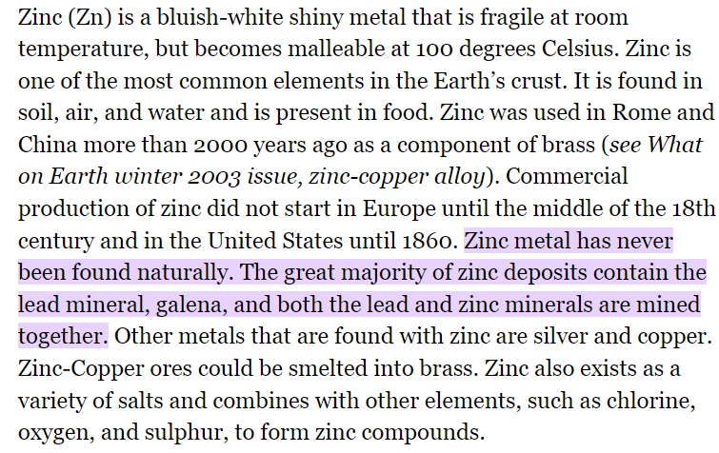
rank | 1-5 have the highest EBLL, 6-10 have the lowest EBLL
avg_ebll | Confirmed EBLL rate per 1,000 children under 6
poverty_avg | Average percentage of population below poverty line, 2012-2021
homes_before_1979 | Percentage of available homes built before 1979
premature_death | Age adjusted premature deaths per 100,000
high_school | Percentage of population that have completed high school or an equivalency
associates_degree | Percentage of population that have completed an associate's degree
bachelors_degree | Percentage of population that have completed a bachelor's degree
cognitive | Percentage of population with a cognitive disability
infant_mortality | Number of infant deaths per 1,000 live births
cancer_rates | Age-Adjusted incidence rate of cancer cases per 100,000

365 Superfund sites in TN, 54 in the 20 counties
TN ranks 46th worst in infant mortality
Hancock county has the lowest median income in TN. In the 1950s, Zinc was discovered in Hancock and mined heavily until 1971. They had 14 mines in total.

