Sheet1
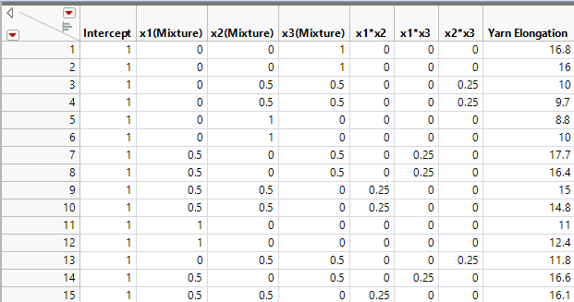
1 | 0 | 0 | 1 | 0 | 0 | 0 | 16.8
1 | 0 | 0 | 1 | 0 | 0 | 0 | 16
1 | 0 | 0.5 | 0.5 | 0 | 0 | 0.25 | 10
1 | 0 | 0.5 | 0.5 | 0 | 0 | 0.25 | 9.7
1 | 0 | 1 | 0 | 0 | 0 | 0 | 8.8
1 | 0 | 1 | 0 | 0 | 0 | 0 | 10
1 | 0.5 | 0 | 0.5 | 0 | 0.25 | 0 | 17.7
1 | 0.5 | 0 | 0.5 | 0 | 0.25 | 0 | 16.4
1 | 0.5 | 0.5 | 0 | 0.25 | 0 | 0 | 15
1 | 0.5 | 0.5 | 0 | 0.25 | 0 | 0 | 14.8
1 | 1 | 0 | 0 | 0 | 0 | 0 | 11
1 | 1 | 0 | 0 | 0 | 0 | 0 | 12.4
1 | 0 | 0.5 | 0.5 | 0 | 0 | 0.25 | 11.8
1 | 0.5 | 0 | 0.5 | 0 | 0.25 | 0 | 16.6
1 | 0.5 | 0.5 | 0 | 0.25 | 0 | 0 | 16.1

