Sheet1
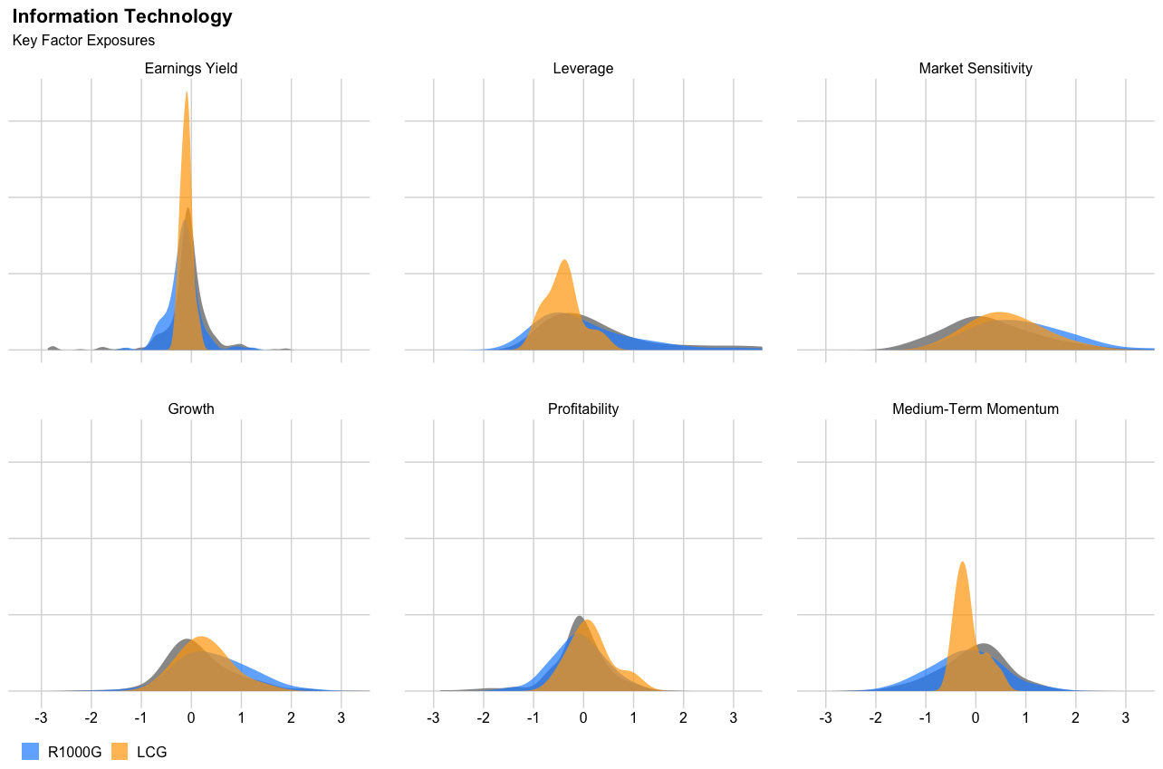

Weighted Exposures
 | LCG - TEC | R1000G - TEC | R1000G
Earnings Yield | -0.10 | -0.07 | -0.06
Growth | 0.25 | 0.24 | 0.17
Leverage | -0.36 | -0.12 | 0.07
Profitability | 0.22 | 0.39 | 0.25
Market Sensitivity | 0.59 | 0.57 | 0.24
Medium-Term Momentum | -0.13 | -0.13 | -0.11

Securities
 | acct_wt | bench_wt | Earnings Yield | Growth | Leverage | Market Sensitivity | Medium-Term Momentum | Profitability
Gartner, Inc. |  | 0.14 | -0.11 | 0.38 | 2.97 | -0.06 | 0.58 | 1.02
ServiceNow, Inc. | 2.44 | 0.48 | -0.26 | 1.37 | -0.54 | 1.15 | -0.43 | 0.88
KLA Corporation |  | 0.30 | 0.11 | 0.52 | 0.51 | 0.93 | 0.45 | 0.75
Autodesk, Inc. |  | 0.24 | -0.15 | 0.76 | 0.32 | 1.25 | 0.27 | 0.54
Fortinet, Inc. |  | 0.22 | -0.18 | 0.83 | -0.56 | 0.66 | -0.06 | 0.50
Lattice Semiconductor Corporation |  | 0.07 | -0.19 | 1.09 | -0.54 | 1.27 | 1.32 | 0.49
Dropbox, Inc. Class A |  | 0.03 | 0.21 | 1.12 | 1.69 | 0.29 | 0.14 | 0.49
Enphase Energy, Inc. |  | 0.15 | -0.19 | 2.13 | 0.44 | 0.97 | 0.38 | 0.48
Salesforce, Inc. |  | 0.20 | -0.24 | 0.73 | -0.66 | 0.91 | -0.47 | 0.44
QUALCOMM Incorporated |  | 0.73 | 0.28 | 0.58 | -0.07 | 0.47 | -0.30 | 0.39
Adobe Incorporated | 2.49 | 0.87 | -0.07 | 0.31 | -0.58 | 0.80 | -0.41 | 0.37
Broadcom Inc. |  | 1.35 | 0.09 | 0.48 | 0.52 | 0.32 | 0.09 | 0.28
Jabil Inc. |  | 0.05 | 0.35 | 0.58 | -0.32 | 0.16 | 1.20 | 0.24
ON Semiconductor Corporation |  | 0.12 | 0.08 | 0.51 | -0.26 | 1.28 | 1.16 | 0.23
Microchip Technology Incorporated |  | 0.21 | 0.08 | 0.86 | 0.09 | 0.72 | 0.49 | 0.23
Trade Desk, Inc. Class A |  | 0.14 | -0.26 | 1.04 | -0.85 | 2.18 | -0.39 | 0.20
Monolithic Power Systems, Inc. |  | 0.12 | -0.17 | 1.27 | -0.99 | 1.67 | 0.38 | 0.15
GoDaddy, Inc. Class A |  | 0.01 | -0.09 | 0.44 | 1.05 | 0.18 | 0.01 | 0.14
Pure Storage, Inc. Class A |  | 0.04 | -0.17 | 1.25 | -0.35 | 0.13 | -0.18 | 0.09
Synopsys, Inc. | 2.84 | 0.30 | -0.17 | 0.38 | -0.82 | 0.49 | 0.49 | 0.08
EPAM Systems, Inc. |  | 0.09 | -0.13 | 0.70 | -0.89 | 1.15 | 0.97 | 0.05
Gen Digital Inc. |  | 0.02 | 0.12 | 0.31 | 3.41 | -0.68 | -0.51 | 0.05
Keysight Technologies Inc |  | 0.14 | -0.02 | 0.27 | -0.40 | 0.07 | 0.55 | 0.04
Dynatrace, Inc. |  | 0.05 | -0.26 | 1.56 | -0.92 | 1.02 | 0.00 | 0.02
Intuit Inc. | 2.41 | 0.62 | -0.16 | 0.55 | -0.32 | 1.24 | -0.23 | -0.02
Arista Networks, Inc. |  | 0.20 | -0.07 | 0.77 | -0.98 | 0.50 | 0.21 | -0.03
Bentley Systems, Incorporated Class B |  | 0.04 | -0.20 | 0.49 | 1.03 | 1.04 | 0.06 | -0.06
WEX Inc. |  | 0.03 | -0.03 | 0.58 | -0.14 | 0.34 | 0.45 | -0.07
ZoomInfo Technologies Inc |  | 0.04 | -0.20 | 2.37 | -0.48 | 1.87 | -1.40 | -0.08
DoubleVerify Holdings, Inc. |  | 0.01 | -0.25 | 1.02 | -0.81 | 0.68 | 0.43 | -0.09
Zoom Video Communications, Inc. Class A |  | 0.05 | -0.18 | 1.48 | -0.97 | 1.13 | -0.83 | -0.09
GlobalFoundries Inc. |  | 0.01 | -0.03 | 0.92 | -0.65 | 0.95 | 0.07 | -0.10
NVIDIA Corporation | 3.03 | 3.15 | -0.24 | 0.64 | -0.29 | 2.01 | -0.33 | -0.10
Paycom Software, Inc. | 1.40 | 0.08 | -0.19 | 0.75 | -0.95 | 1.17 | -0.12 | -0.14
Palo Alto Networks, Inc. |  | 0.30 | -0.27 | 1.39 | 1.79 | 0.12 | -0.28 | -0.16
DocuSign, Inc. |  | 0.07 | -0.29 | 1.60 | 0.16 | 2.74 | -0.89 | -0.16
Globant SA |  | 0.04 | -0.13 | 1.30 | -0.85 | 1.38 | -0.91 | -0.17
Universal Display Corporation |  | 0.03 | -0.09 | 0.38 | -0.95 | 0.63 | -0.43 | -0.18
Datadog Inc Class A |  | 0.10 | -0.30 | 2.41 | -0.28 | 1.90 | -1.10 | -0.20
PTC Inc. |  | 0.07 | -0.13 | 0.78 | -0.18 | 0.24 | 0.73 | -0.21
Splunk Inc. |  | 0.09 | -0.35 | 0.32 | 1.31 | 1.80 | -0.50 | -0.21
CrowdStrike Holdings, Inc. Class A |  | 0.15 | -0.32 | 1.85 | -0.54 | 1.23 | -1.18 | -0.23
Analog Devices, Inc. |  | 0.10 | -0.01 | 0.81 | -0.68 | 0.14 | 0.56 | -0.24
Tyler Technologies, Inc. |  | 0.06 | -0.21 | 0.27 | -0.45 | 0.68 | -0.55 | -0.25
HubSpot, Inc. |  | 0.10 | -0.34 | 1.07 | -0.15 | 1.85 | -0.49 | -0.26
Fiserv, Inc. |  | 0.03 | 0.00 | 0.83 | -0.29 | -0.11 | 0.54 | -0.27
Workday, Inc. Class A |  | 0.20 | -0.30 | 1.34 | -0.36 | 0.73 | -0.49 | -0.31
Atlassian Corp Class A |  | 0.14 | -0.34 | 0.85 | 0.48 | 2.07 | -1.00 | -0.31
Paylocity Holding Corp. |  | 0.04 | -0.23 | 1.06 | -0.93 | 1.13 | 0.23 | -0.33
Advanced Micro Devices, Inc. |  | 0.59 | -0.18 | 1.34 | -0.90 | 1.80 | -0.68 | -0.35
Coherent Corp. |  | 0.00 | -0.08 | 1.29 | -0.04 | 1.02 | -0.96 | -0.39
Informatica, Inc. Class A |  | 0.00 | -0.26 | 1.04 | 0.00 | 0.57 | -0.01 | -0.47
Palantir Technologies Inc. Class A |  | 0.08 | -0.38 | 1.41 | -0.83 | 2.11 | -0.83 | -0.51
Certara, Inc. |  | 0.01 | -0.26 | 1.38 | -0.52 | 0.19 | -0.18 | -0.55
Definitive Healthcare Corp. Class A |  | 0.00 | -0.30 | 1.56 | -0.66 | 1.53 | -1.17 | -0.55
Five9, Inc. |  | 0.02 | -0.36 | 0.69 | 1.02 | 1.37 | -0.53 | -0.59
Toast, Inc. Class A |  | 0.03 | -0.56 | 1.07 | -0.87 | 1.93 | 0.40 | -0.61
Cloudflare Inc Class A |  | 0.09 | -0.37 | 0.91 | 0.89 | 3.47 | -1.10 | -0.62
Jamf Holding Corp |  | 0.01 | -0.57 | 0.31 | -0.35 | 1.08 | -1.04 | -0.62
Aspen Technology, Inc. |  | 0.03 | -0.22 | 0.49 | -0.94 | -0.26 | 1.20 | -0.62
Snowflake, Inc. Class A |  | 0.22 | -0.40 | 1.69 | -0.92 | 1.83 | -0.61 | -0.64
Zscaler, Inc. |  | 0.05 | -0.38 | 0.91 | 0.38 | 2.20 | -1.04 | -0.66
Ceridian HCM Holding, Inc. |  | 0.01 | -0.31 | 0.44 | -0.54 | 1.54 | 0.48 | -0.69
Okta, Inc. Class A |  | 0.01 | -0.66 | 0.33 | -0.38 | 1.84 | -1.36 | -0.72
nCino Inc |  | 0.00 | -0.43 | 0.84 | -0.82 | 1.44 | -0.88 | -0.72
UiPath, Inc. Class A |  | 0.00 | -0.55 | 1.67 | -0.94 | 2.02 | -1.08 | -0.74
Twilio, Inc. Class A |  | 0.03 | -0.80 | 0.45 | -0.77 | 2.11 | -1.54 | -0.80
Smartsheet, Inc. Class A |  | 0.03 | -0.52 | 0.41 | -0.82 | 1.84 | -0.35 | -0.81
Elastic NV |  | 0.03 | -0.51 | 0.71 | 0.10 | 1.91 | -0.71 | -0.85
MongoDB, Inc. Class A |  | 0.08 | -0.43 | 0.67 | 0.45 | 2.54 | -1.14 | -0.87
Unity Software, Inc. |  | 0.03 | -0.63 | 0.35 | -0.37 | 3.80 | -1.56 | -0.91
SentinelOne, Inc. Class A |  | 0.01 | -0.78 | 1.23 | -0.97 | 1.82 | -1.53 | -0.96
Confluent Inc Class A |  | 0.02 | -0.65 | 0.67 | 0.30 | 3.56 | -0.80 | -1.15

