Electricity
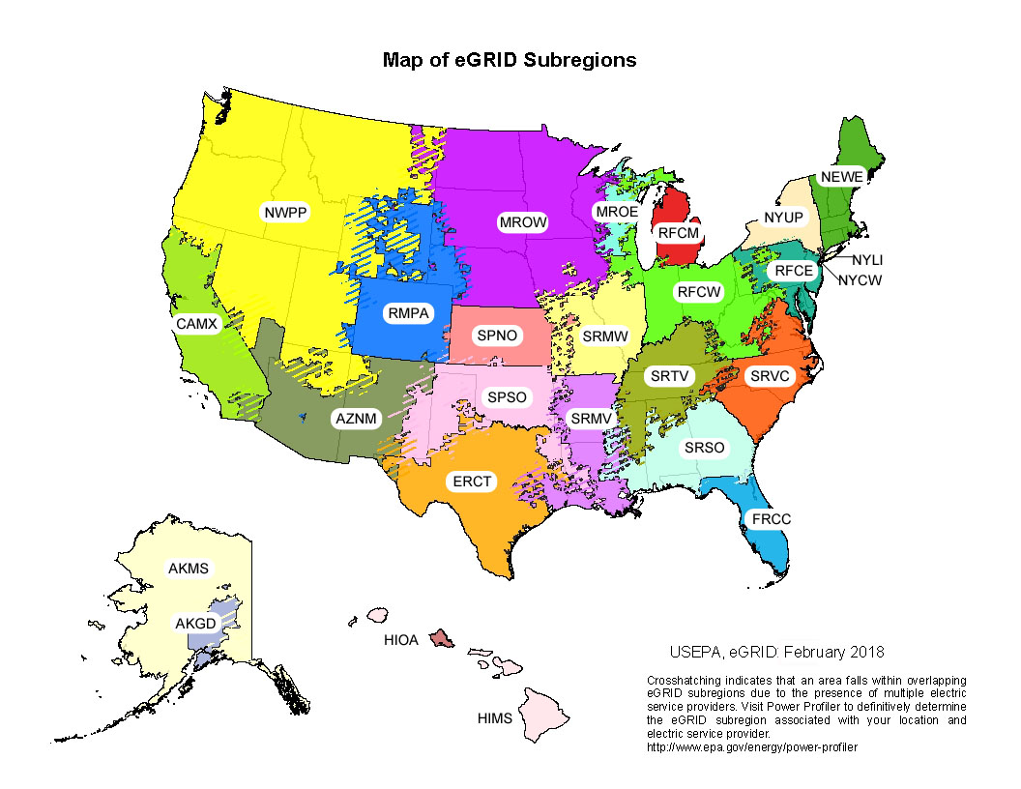
 | Total Output Emission Factors |  |  | Non-Baseload Emission Factors
eGRID Subregion | CO2 Factor | CH4 Factor | N2O Factor | CO2 Factor | CH4 Factor | N2O Factor
 | (lb / MWh) | (lb / MWh) | (lb / MWh) | (lb / MWh) | (lb / MWh) | (lb / MWh)
AKGD (ASCC Alaska Grid) | 1,072.3 | 0.077 | 0.011 | 1,367.8 | 0.110 | 0.016
AKMS (ASCC Miscellaneous) | 503.1 | 0.023 | 0.004 | 1,533.8 | 0.068 | 0.012
AZNM (WECC Southwest) | 1,043.6 | 0.079 | 0.012 | 1,384.8 | 0.097 | 0.014
CAMX (WECC California) | 527.9 | 0.033 | 0.004 | 942.9 | 0.045 | 0.006
ERCT (ERCOT All) | 1,009.2 | 0.076 | 0.011 | 1,402.8 | 0.108 | 0.015
FRCC (FRCC All) | 1,011.7 | 0.075 | 0.010 | 1,188.5 | 0.078 | 0.011
HIMS (HICC Miscellaneous) | 1,152.0 | 0.095 | 0.015 | 1,530.0 | 0.147 | 0.023
HIOA (HICC Oahu) | 1,662.9 | 0.181 | 0.028 | 1,637.5 | 0.153 | 0.024
MROE (MRO East) | 1,668.2 | 0.156 | 0.026 | 1,740.1 | 0.156 | 0.025
MROW (MRO West) | 1,238.8 | 0.115 | 0.020 | 1,822.0 | 0.154 | 0.029
NEWE (NPCC New England) | 558.2 | 0.090 | 0.012 | 975.1 | 0.086 | 0.011
NWPP (WECC Northwest) | 651.2 | 0.061 | 0.009 | 1,524.9 | 0.124 | 0.020
NYCW (NPCC NYC/Westchester) | 635.8 | 0.022 | 0.003 | 1,061.7 | 0.022 | 0.002
NYLI (NPCC Long Island) | 1,178.3 | 0.126 | 0.016 | 1,338.8 | 0.036 | 0.004
NYUP (NPCC Upstate NY) | 294.7 | 0.021 | 0.003 | 1,018.2 | 0.061 | 0.008
RFCE (RFC East) | 758.2 | 0.050 | 0.009 | 1,434.4 | 0.079 | 0.017
RFCM (RFC Michigan) | 1,272.0 | 0.067 | 0.018 | 1,806.1 | 0.101 | 0.025
RFCW (RFC West) | 1,243.4 | 0.108 | 0.019 | 1,934.4 | 0.172 | 0.029
RMPA (WECC Rockies) | 1,367.8 | 0.137 | 0.020 | 1,688.3 | 0.147 | 0.021
SPNO (SPP North) | 1,412.4 | 0.149 | 0.022 | 1,990.8 | 0.202 | 0.029
SPSO (SPP South) | 1,248.3 | 0.095 | 0.015 | 1,662.5 | 0.121 | 0.019
SRMV (SERC Mississippi Valley) | 838.9 | 0.050 | 0.007 | 1,186.0 | 0.071 | 0.010
SRMW (SERC Midwest) | 1,612.6 | 0.082 | 0.026 | 1,955.2 | 0.084 | 0.031
SRSO (SERC South) | 1,089.4 | 0.087 | 0.013 | 1,453.5 | 0.115 | 0.017
SRTV (SERC Tennessee Valley) | 1,185.4 | 0.093 | 0.017 | 1,757.4 | 0.135 | 0.025
SRVC (SERC Virginia/Carolina) | 805.3 | 0.067 | 0.011 | 1,422.2 | 0.111 | 0.019
US Average | 998.4 | 0.080 | 0.013 | 1,501.0 | 0.111 | 0.018

