Day 5
Resource Name | Category | Type | Description | Resource Link
REI Company Audit | SOP/Template | Download | Business audit spreadsheet for evaluating your REI company operations and priorities | REI_Company_Audit
DataSift REI KPI Sheet | SOP/Template | Download | KPI tracking spreadsheet template for marketing, sales, and financial metrics | DataSift REI KPI Sheet .xlsx
Facebook Groups for Hiring | SOP/Template | Download | Curated list of Facebook groups for recruiting overseas VAs and team members | Facebook Groups for Hiring
Fireflies | Tool | Software | AI meeting recorder/transcriber — records Google Meet calls and generates transcripts for training | https://fireflies.ai/
Indeed | Tool | Website | Job posting platform for hiring overseas VAs and data managers (tested hiring flow) | https://www.indeed.com/
Job Descriptions & Posts | SOP/Template | Download | Ready-to-use job descriptions and Facebook/Indeed post templates for hiring | Job Descriptions & Posts
Loom | Tool | Software | Screen recording tool for creating training videos, SOPs, and verifying VA internet quality | https://www.loom.com/
SOP Skill for Claude | SOP/Template | Download | This is the Claude skill that will help you create SOPs. | playbook-creator.skill
Example SOP Claude Made from Transcript | SOP/Template | Download | This is a real example from my training call with my VA on how to pull foreclosures and an example output from the Claude SOP creation skill that is above. | How to Pull Forclosures for Knox, County TN.docx
Ninja Assistants | Tool | Service | VA hiring agency specializing in real estate virtual assistants | https://www.ninjaassistants.com/
Example of Great Qualifer for CC | SOP/Template | Download | This is a Loom video of an applicant that I got for a cold caller. | https://www.loom.com/share/9135baa3a2184d35be518e399da46388
Example of Great Qualifer for Data Manager | SOP/Template | Download | This is a Loom video of an applicant that I got for a data manger | https://www.loom.com/share/4f70472c48984f2f86ca0830b6797f60
Tally Count App | Tool | Software | Chrome extension / app for tracking KPIs like acquisition attempts in real-time. Example is here- https://www.facebook.com/groups/reisift/permalink/25503896922601180/ | https://tallycount.app/login
Wise | Tool | Software | International payment platform for paying overseas VAs in their local currency from USD | https://wise.com/
Signing up for Expert or AI annually for private group | Form | Application | To get inside of our 90-day private group/ pay annually | https://form.typeform.com/to/DBNaNQZg
My website that I attach for job applications | SOP/Template | Download | This is an example of my website if anyone is curious about it. | https://volunteerhomebuyers.com/
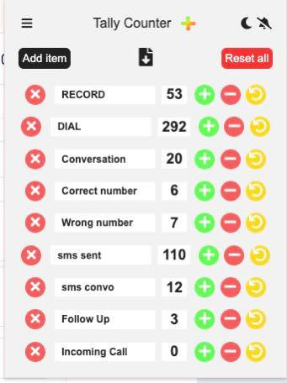
Day 5 Recording | Zoom | Recording | Passcode: c&Tib7@4 | https://us06web.zoom.us/rec/share/qJCrFQugVHXpczZGFQCZRFzWBYybETXDcmz8iVuZ_wYP41PPtwX67HHJeIdd4ys1.PKGIKEubs2HSqS1V

