Sheet1
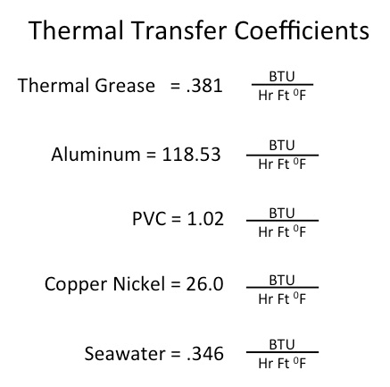
Thermal Analysis Spreadsheet for a Heat Sink

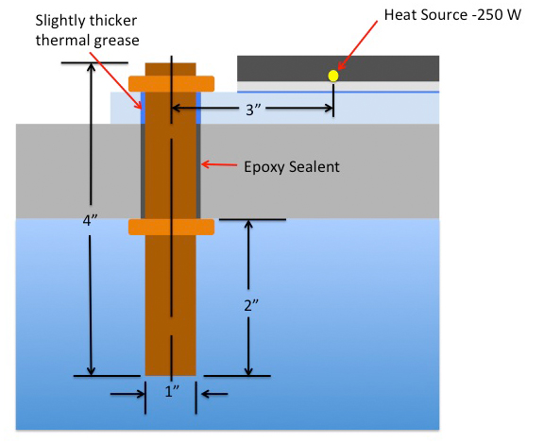
 |  |  | Input values in tan boxes only

 |  |  | 150 | Watts
 |  |  | Q | Heat Flux in BTU / watt-Hr |  |  |  | 3.41 | BTU : 1 Watt/HR

 |  |  | coverting | 150 | * 3.41 = | 511.5 | BTU/Hr | = Q

 |  |  | equation to solve:

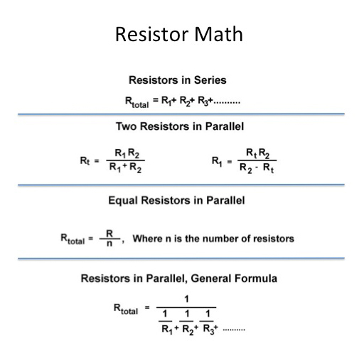
 |  |  |  | Ti - Te = Q * Rt

 |  |  |  | Ti = Temp Internal |  |  | Ti = | 80 | C = | 176 | F
 |  |  |  | Te = Temp External |  |  | Te = | 15 | C = | 59 | F
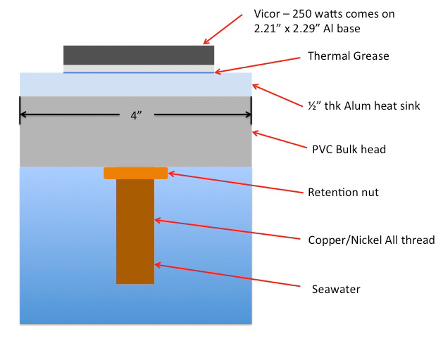
 |  |  |  | ΔT = Ti - Te |  |  | ΔT = | 176 | - | 59
 |  |  |  |  |  |  | Maximum |  | ΔT = | 117 | F

 |  |  | resistor network calcs:

 |  |  |  |  | R = L / (k*A) |  | [BTU/ HR F] ^ -1

 |  |  | Assume we will need 2 bolts for securing the internal heat sink.
 |  |  | The image below shows equivalent thermal resistor values for each
 |  |  | interface and each material path.

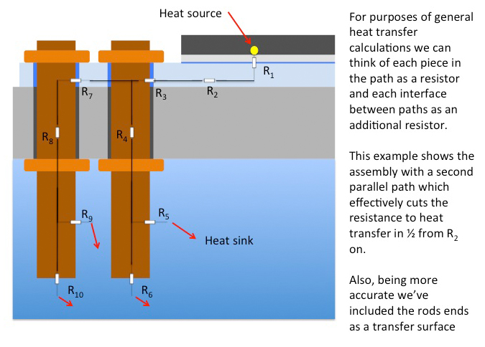

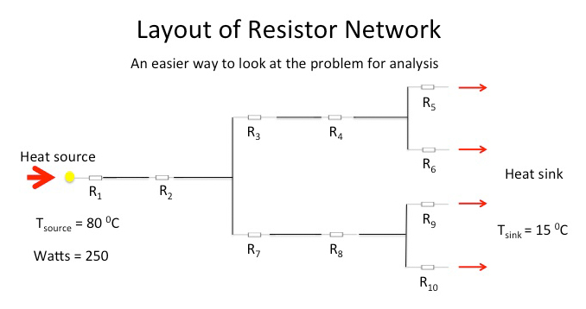
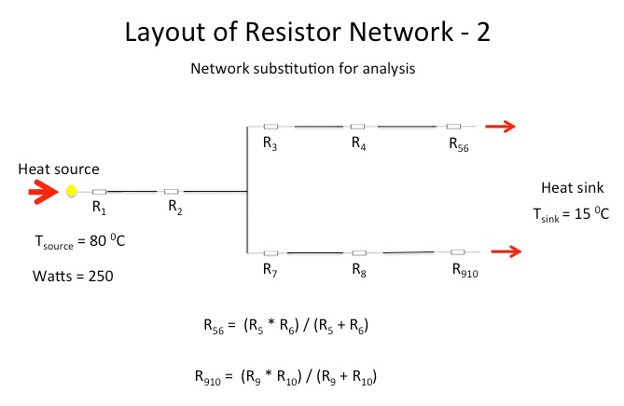

 | R5 = R9 and R6 = R10 | Area of R5 = exposed length of rod * perimeter in ft2

 |  |  |  |  | Length of rod in inches = | 3 | inches |  |  |  | These are pushing heat into the water with a
 |  |  |  |  | = | 0.25 | ft |  |  |  | k = .346

 |  |  |  |  | Diameter of rod in inches = | 0.5 | inches
 |  |  |  |  | perimeter of rod = | 0.13089583333 | ft

 |  |  |  |  | R5 = | 0.0073599832192 |  |  |  |  | R56 = | 0.0070655838905 | = R910

 |  |  |  |  | Area of rod end = | 0.0013634982639

 |  |  |  |  | R6 = | 0.17663959726
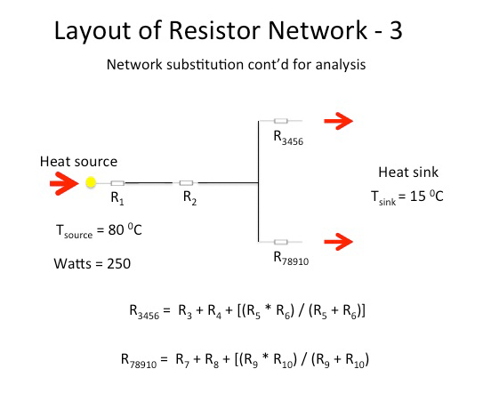

 |  |  |  |  |  | Continuing on with our reduction refer to diagram Network 3:
 |  |  |  |  |  |  |  |  |  |  |  |  |  |  | These are pushing heat into the copper nickel with a
 |  |  |  |  |  | Again R3 = R7 and R4 = R8 |  |  |  |  |  |  |  |  | k = 26

 |  |  |  |  |  | R4 is the entire rod length now so it must be longer than the above calculation:

 |  |  |  |  |  |  |  |  |  | Length of rod in inches = | 5 | inches |  | R4 = | 0.12243049009 | = R8
 |  |  |  |  |  |  |  |  |  | = | 0.41666666667 | ft

 |  |  |  |  |  | R3 is a little more involved since it has a surface interface in the aluminum heat sink:

 |  |  |  |  |  |  |  |  |  | The heat sink thickness is = | 0.5 | inches | and the same perimeter as for R5
 |  |  |  |  |  |  |  |  |  | = | 0.041666666667 | ft
 |  |  |  |  |  | assume thermal thickness is .005 |  |  |  |  |  |  |  | R3 = | 0.0029383317621 | = R7

 |  |  |  |  |  |  | We further reduce the network of resistors by the formula to the left

 |  |  |  | >>>>>> |  | R3456 = | 0.13243440574 | = R78910

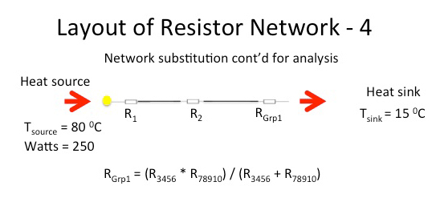
 |  |  |  |  | Further reducing the R3456 adnd R78910 into an equivalent thermal resistor we get:

 |  |  |  |  | R grp1 = | 0.066217202871

 |  |  |  |  | The heat sink is R2 and made of Aluminum with a k = 118.53

 |  |  |  |  | L we will estimate as being slightly longer than half the Vicor and 1/2 the rod diameter ~ 3 inch

 |  |  |  |  | L = | 3 | inches |  |  | A is the width of the heat sink times the thickness
 |  |  |  |  |  | 0.25 | ft |  |  |  | Width = | 2.5 | inches | = | 0.20833333333 | ft

 |  |  |  |  |  |  |  |  |  |  | Thk = | 0.5 | inches | = | 0.041666666667 | ft

 |  |  |  |  | R2 = | 0.24297646166

 |  |  |  |  |  |  |  |  |  | The Vicor base is the area of R1 for the calc = | 5.0609 | sq in | 0.035145138889 | Sq ft

 |  |  |  |  | We'll say the thermal grease is the limiting thermal coefficient k = .381

 |  |  |  |  | R1 = | 0.062492188476

 |  |  |  |  | R total = | R1 + R2 + Rgrp1 |  |  |  |  | R total = | 0.371685853

 |  | Back to our original equation: |  |  | Delta T = Q * Rt = |  | 190.11731381 |  |  |  | This must be a positive number to work properly:

 |  |  |  |  |  |  |  |  |  |  | Delta Max - Delta T = | -73.117313811 | Red = Bad Green = Good

 |  | If we doubled the number of rods again: |  |  |  | R new = | 0.1858429265

 |  |  |  |  | Delta T = Q * Rt = |  | 95.058656905 |  |  |  |  | Delta Max - Delta T = | 21.941343095 | Red = Bad Green = Good

 |  |  |  |  | now 6 rods: | R new = | 0.092921463251

 |  |  |  |  | Delta T = Q * Rt = |  | 47.529328453 |  |  |  |  | Delta Max - Delta T = | 69.470671547 | Red = Bad Green = Good

