List1
GRAFIČNI PRIKAZ |  |  |  |  |  |  |  |  | 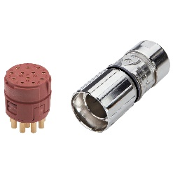

Proizvajalec in tip | Harting | 09 33 024 2601 | Lapp: | 75009702 | Lapp: | 44420088 | Hummel: | 7.001.916.103 M23 | Hummel: | 7.084.909.101
Kataloški naziv | Han E 24 Pos. M Insert Screw |  | EPIC® SIGNAL M23 Kits 12pole |  | EPIC® POWER LS1 D6 3+PE+4 14-17 (20) |  | M23 Signal inserts – 16-pole |  | M23 Power inserts – 9-pole

Število kontaktov | 24 |  | 12 |  | 3+PE+4 |  | 16 |  | 5 + 3 + PE
Max. presek vodnika | 0.75mm² - 2.5mm² |  | 0.08mm² - 1mm² |  | 0.5mm² - 4mm² |  | 0.5mm² - 4mm² |  | 0,75mm² – 4 mm²
Velikost (šxvxg) | 100mm x32,5mm x 27mm |  | 26mm x 58mm |  | 26mm x 85mm |  | 26mm x 85mm |  | 26mm x 85mm
Max. dopusten tok | 16A |  | 7A |  | 26 A |  | 8A |  | 28 A
Max. dopustna napetost | 600V |  | 100V |  | 630 V AC rms |  | 100V Ac rms |  | 600 V AC rms
Temp. območje delovanja | -40 - 125 |  | -40 - 125 |  | -40 - 125 |  | -40 - 125 |  | -40 - 125
IP zaščita | IP 64 |  | IP 68 - 1m (10h) |  | IP 68 - 1m (10h) |  | 30 |  | 30
Št priklopov/odklopov | 500 |  | 100 |  | 500 |  | 500 |  | 500
Površina kontakta | Ag |  | Au |  | Au |  | Au |  | Au
Uporabljen standard | IEC 61984 |  | IEC 61984 |  | IEC 61984 |  | IEC 61984 |  | IEC 61984

List2
https://www.hummel.com/en/circular-connectors/products/m23-power/

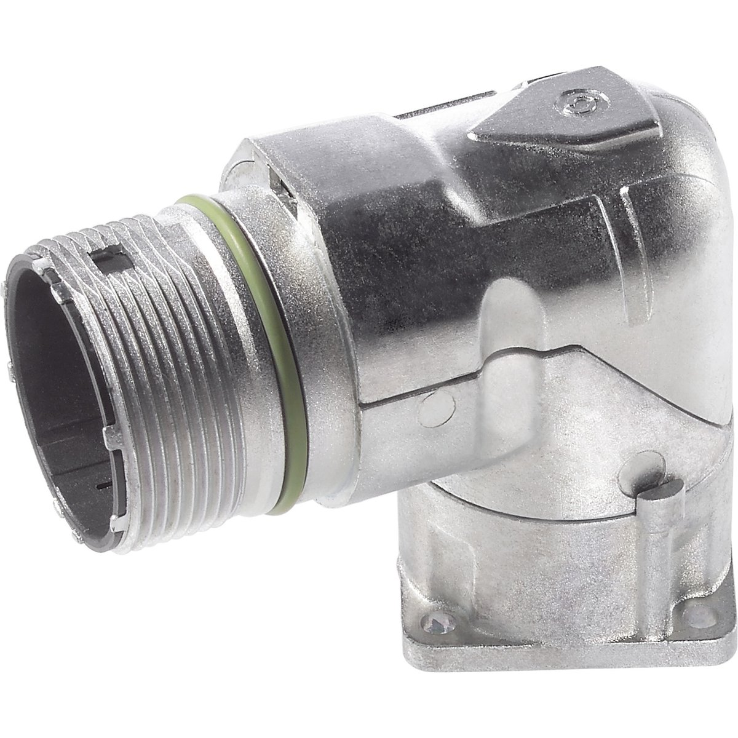
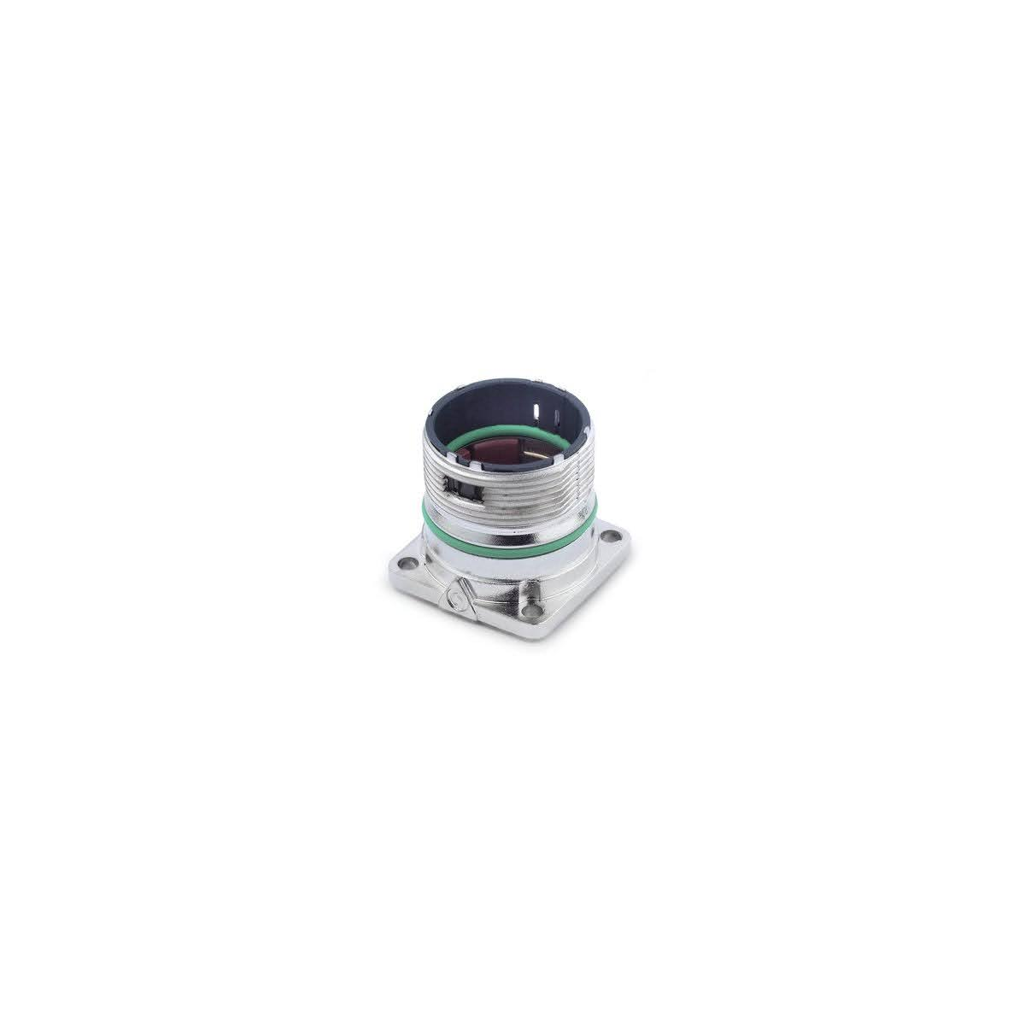

 | Hummel

It idziv
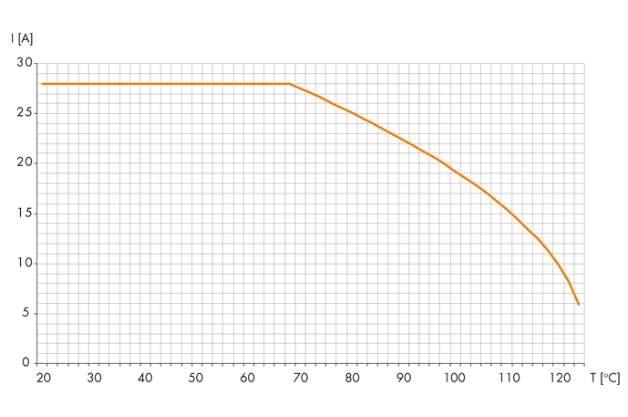
M23

