Flowchart
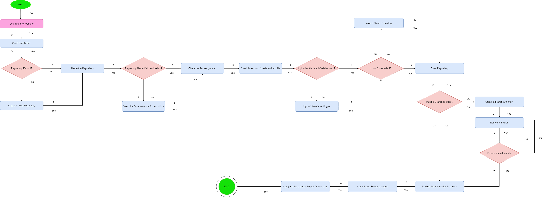
Flowchart for Repository mangement function of GitHub.

