Statistics
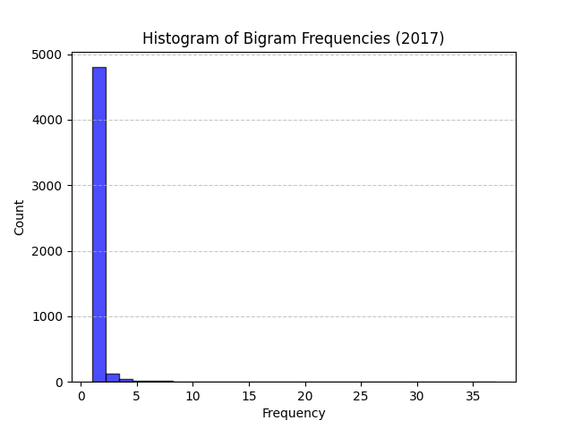
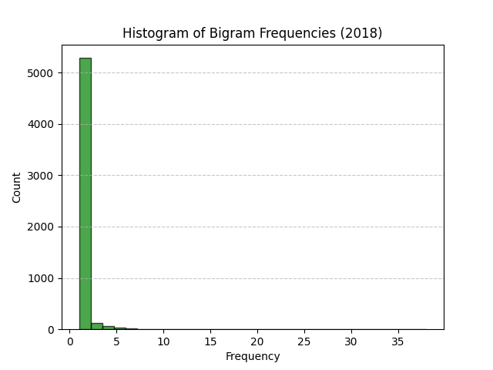
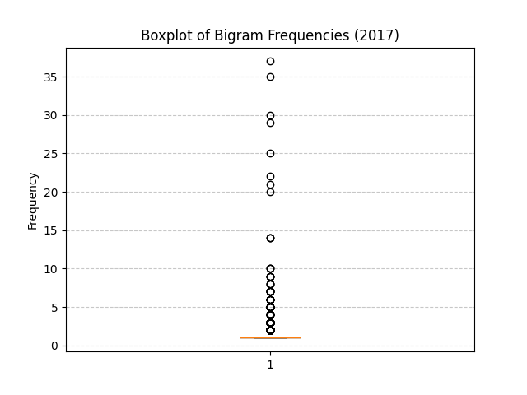
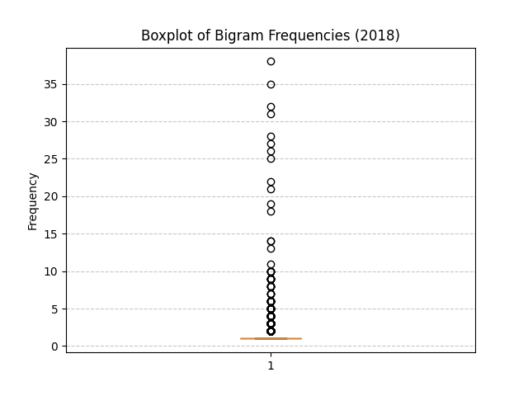
Metric | 2017 | 2018
Total Bigrams | 5034 | 5571
Unique Frequencies | 19 | 25
Mean | 1.2749304728 | 1.3164602405
Median | 1 | 1
Standard Deviation | 1.3369005367 | 1.5077942678
Minimum Frequency | 1 | 1
Maximum Frequency | 37 | 38
Mode Frequency | 1 | 1

