BOM
 | bill of materials Thorlabs Ted200c DataLogger
May-22 |  |  |  | Ori Maimon | orimaimon2000@gmail.com
total cost | cost unit | link | Image | quantity | descripion | part | #
USD 5.00 | USD 5.00 | https://www.aliexpress.com/item/33014069840.html?spm=a2g0o.store_pc_groupList.8148356.14.1e7c1fd0br54qI&pdp_npi=2%40dis%21ILS%21%E2%82%AA%2017.57%21%E2%82%AA%2017.39%21%21%21%21%21%402100bddd16526400376462065effb3%21%21sh | 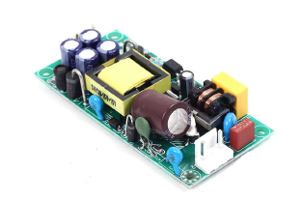 | 1 | 17W Dual Output Power Supply Module AC-DC Step Down Buck Converter AC 85V-265V to DC +/-12V Voltage Regulator | Dual Power Supply Module AC-DC | 1
USD 2.00 | USD 1.00 | https://www.aliexpress.com/item/33002541945.html?spm=a2g0o.order_list.0.0.e89a1802xpyNYk |  | 2 |  | BNC Female Connector | 2
USD 24.00 | USD 24.00 | https://www.amazon.com/ARDUINO-A000073-ATMEGA328-Original-Version/dp/B007R9TUJE/ref=sr_1_4?keywords=arduino+uno&qid=1652641948&sprefix=arduin,aps,943&sr=8-4&language=en_US&currency=USD | 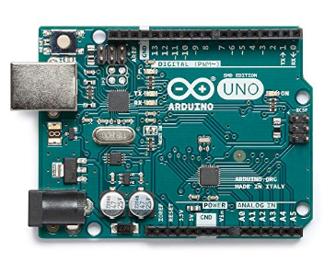 | 1 |  | Arduino UNO SMD Rev3 [A000073] | 3
USD 3.00 | USD 3.00 | https://www.aliexpress.com/item/850064380.html?spm=a2g0o.order_list.0.0.e89a1802xpyNYk | 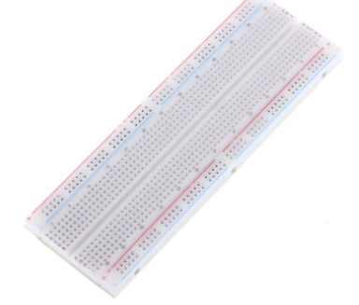 | 1 |  | MB102 Breadboard 830 Point | 4
USD 0.60 | USD 0.60 | https://www.aliexpress.com/item/1005002421876736.html?spm=a2g0o.order_list.0.0.e89a1802xpyNYk |  | 1 | Black CE IEC320 C14 AC Power Panel Socket PDU UPS Rewirable Wiring Plug Electric Battery Receptacle Docking Outlet 10A 250V | C14 S120B | 5
USD 7.50 | USD 7.50 | https://www.aliexpress.com/item/32672339870.html?spm=a2g0o.productlist.0.0.659a3bd3OUnNCd&algo_pvid=e6320568-dcee-4b31-b049-a0bcc810ce6d&algo_exp_id=e6320568-dcee-4b31-b049-a0bcc810ce6d-17&pdp_ext_f=%7B%22sku_id%22%3A%2210000001019064465%22%7D&pdp_npi=2%40dis%21USD%21%211.82%21%21%21%21%21%402100bde116526431165628082e6aef%2110000001019064465%21sea | 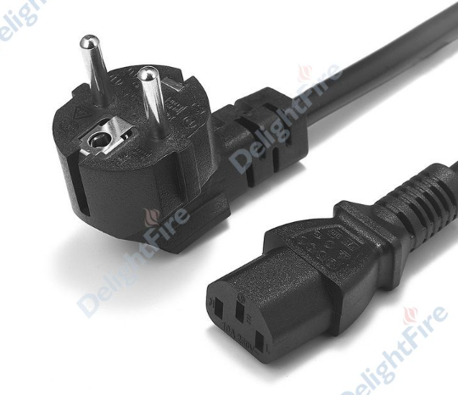 | 1 | PC Power Extension Cord 1.2mSchuko EU Plug IEC C13 Power Supply Cable For Projector PC Computer | EU Plug IEC C13 Cable | 6
USD 12.00 | USD 12.00 | https://www.cse-distributors.co.uk/products/gewiss-gw44208-ip56-junction-box-smooth-walls-240-x-190-x-90.html | 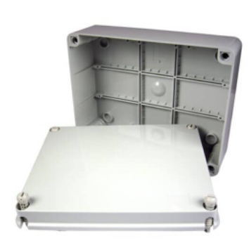 | 1 | Gewiss GW44208 IP56 Junction Box Smooth Walls 240 x 190 x 90 | Gewiss GW44208 | 7
USD 7.99 | USD 7.99 | https://www.tradeinn.com/techinn/en/startech-panel-mount-usb-cable-b-to-b-f-m-30-cm/137834541/p?queryID=bc5c5e6624436f876bb613c25e8dc627&buscador_search |  | 1 |  | Startech Panel Mount USB Cable B To B f/M 30 cm | 8
USD 2.00 | USD 2.00 |  |  | 1 |  | usb b cable arduino | 9
USD 25.00 | USD 25.00 | https://www.amazon.com/gp/product/B07VPFLSMX/ref=ppx_yo_dt_b_asin_title_o00_s00?ie=UTF8&psc=1 | 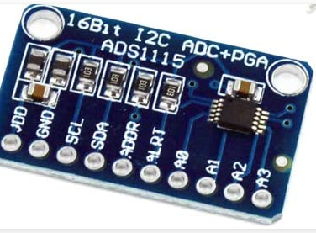 | 1 | HiLetgo 3pcs ADS1115 16 Bit 16 Byte 4 Channel I2C IIC Analog-to-Digital ADC PGA Converter with Programmable Gain Amplifier High Precision ADC Converter Development Board for Arduino | ADS1115 | 10

BOM for PCB
JLCPCB Part Class | Supplier Part | Supplier | Manufacturer | Manufacturer Part | Quantity | Footprint | Designator | Name
 |  |  |  |  | 1 | C0603 | C1 | 1u
 |  |  |  |  | 2 | C0603 | C2,C3 | 100u
 |  |  |  |  | 1 | B7B-PH-K-S | JP1 | 7PIN
 |  |  |  |  | 1 | B7B-PH-K-S | JP2 | 7PIN
 |  |  |  |  | 5 | R0603 | R1,R2,R3,R4,R5 | 100k
 |  |  |  |  | 2 | R0603 | R6,R7 | 1k
Extended Part | C328566 | LCSC | BLUE ROCKET | LM358 | 2 | SOP-8_L4.9-W3.9-P1.27-LS6.0-BL | U1,U2 | LM358
 |  |  |  |  | 1 | 3PIN | U3 | 3PIN

