Readme
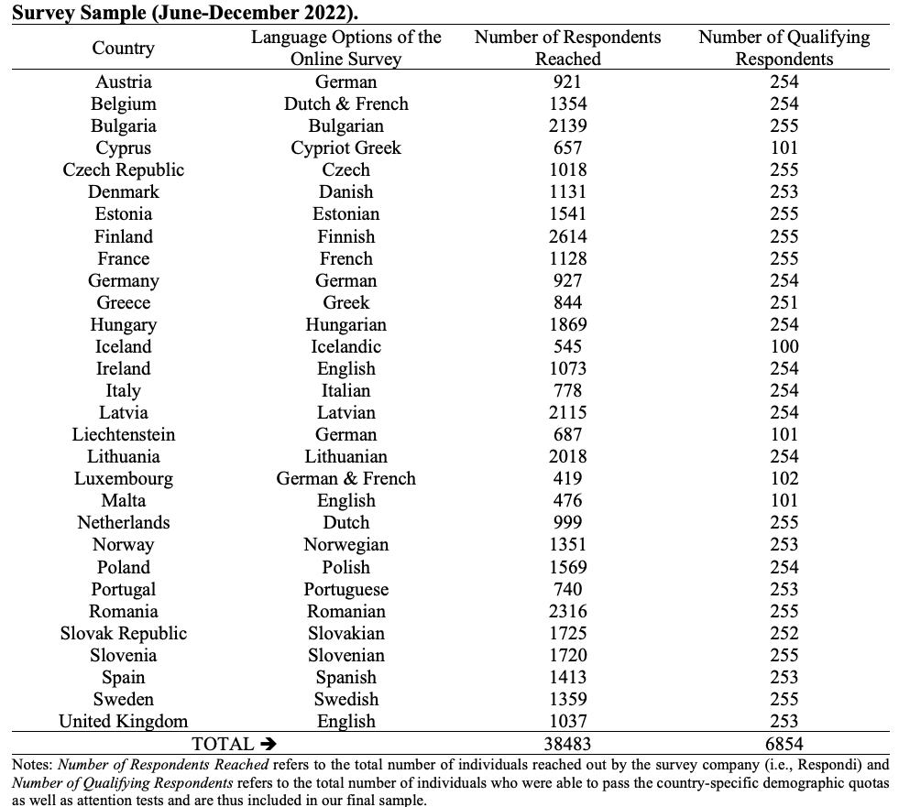
Bilateral Trust Database by Barry Eichengreen and Orkun Saka

When using this database, please cite: Eichengreen, B. & Saka, O. (2025). Cultural Stereotypes of Multinational Banks. Journal of the European Economic Association, forthcoming.

Disclaimer
While we did our best to provide the most accurate information possible, we do not take responsibility for any potential inconsistencies or inaccuracies.

Coverage
Bilateral trust between the residents of 30 European countries, as of 2022.

Description
This database contains information on how much trust the residents of a country express towards the residents of another country, across 30 European countries, as of 2022.
The information was collected via nationally-representative surveys conducted online across 30 European countries in collaboration with the survey company Respondi in the second half of the year 2022.
Sample details and coverage can be found in the summary table on this page.

Variable Labels
o_country | country of origin where trust is expressed
d_country | country of destination towards which trust is expressed
o_code | country code (origin)
d_code | country code (destination)
trust_rspdi | trust from Respondi (binary -Lot of trust-)
trust_rspdi2 | trust from Respondi (continously graded)
trustbias_rspdi | residual trust from Respondi (binary -Lot of trust-)
trustbias_rspdi2 | residual trust from Respondi (continously graded)

Variable Computation
trust_rspdi is measured as the percentage of the respondents in the origin country that express a "lot of trust" towards the destination country.
trust_rspdi2 is measured as the average trust across respondents in the origin country expressing values from 1 (i.e., “no trust at all”) to 4 (i.e., “lot of trust”) towards the destination country.
trustbias_rspdi and trustbias_rspdi2 are simply the corresponding residuals from regressions where trust_rspdi and trust_rspdi2 are seperately regressed on a set of origin and destination country fixed effects.

Note
This research was supported by the Clausen Center at the University of California, Berkeley, and a BA/Leverhulme Small Research Grant (SRG21\211248).
Contact
For any questions, please contact us at o.saka@citystgeorges.ac.uk. The latest version of the database is available at www.orkunsaka.com.

