Sheet1
 | .05(1) | .01(1) | .05(2) | .01(2)
2 | -0.82390874094 | -0.72815839346 | -0.64781748189 | -0.56066730617 |  |  |  |  |  | 100 | 0.15 | 0.187 | 0.225 | 0.275
3.903089987 | -1.7544873322 | -1.6675615401 | -1.6020599913 | -1.5086383062 |  |  |  |  |  | 8000 | 0.0176 | 0.0215 | 0.025 | 0.031
4.3979400087 | -2 | -1.920818754 | -1.8386319978 | -1.7670038896 |  |  |  |  |  | 25000 | 0.01 | 0.012 | 0.0145 | 0.0171
5 | -2.3010299957 | -2.2218487496 | -2.15490196 | -2.0705810743 |  |  |  |  |  | 100000 | 0.005 | 0.006 | 0.007 | 0.0085

100 | 0.19
1000 | 0.06
5128.6138399 | 0.02668
10000 | 0.019
100000 | 0.00612
100 | 0.1552
1000 | 0.05
5128.6138399 | 0.022
10000 | 0.0155
100000 | 0.00519
100 | 0.23
1000 | 0.071
5128.6138399 | 0.0315
10000 | 0.0225
100 | 0.28
1000 | 0.089
5011.8723363 | 0.039
10000 | 0.0275
100000 | 0.00519

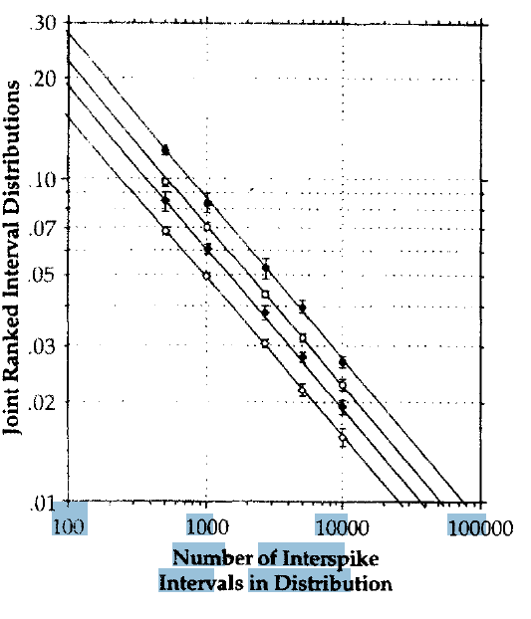

 |  |  |  |  |  |  | to calculate the .01 and .05 critical values do:

 |  |  |  |  |  |  | obtain the KS-stat (maxdif of cumulative bins)
 |  |  |  |  |  |  | obtain N (=maximum rank)

 |  |  |  |  |  |  | for JRIS of self against uniform:
 |  |  |  |  |  |  |  |  |  |  |  |  | maxrank | 22296
 |  |  |  |  |  |  |  | A | B
 |  |  |  |  |  |  | p=0.01 | -0.4918 | 0.2456 |  | critval=A * log(maxrank) + B |  |  | -1.8928818254

 |  |  |  |  |  |  | p=0.05 | -0.4918 | 0.1745 |  | critval=exp(critval) |  |  | 0.012797294802

 |  |  |  |  |  |  | for two Jris'es |  |  |  | compare critval with KS-stat

 |  |  |  |  |  |  | p=0.01 | -0.5031 | 0.4477 |  | critval < KS-stat -> significant

 |  |  |  |  |  |  | p=0.05 | -0.5008 | 0.3547
 |  |  |  |  |  |  |  |  |  |  |  |  |  |  |  | N | 10000
 |  |  |  |  |  |  |  |  |  |  |  |  |  |  |  | critvala | -1.80911 | 0.015519938644
 |  |  |  |  | self-uniform | 0.01 | -0.5 | log(max) |  | log(value) | value | max | val |  |  | critvalb | -1.71325 | 0.019353075906
 |  |  |  |  |  |  | -1 | 2 | 0.27875 | -0.72124639905 | 0.19 | 100 | 0.19 | -0.72124639905 | 0.19
 |  |  |  |  |  |  | -1.5 | 3 | 0.27815 | -1.2218487496 | 0.06 | 1000 | 0.06 | -1.2218487496 | 0.06 |  | 4
 |  |  |  |  |  |  | -1.855 | 3.71 | 0.28119 | -1.5738141748 | 0.02668 | 5128.6138399 | 0.02668 | -1.5738141748 | 0.02668
 |  |  |  |  |  |  | -2 | 4 | 0.27875 | -1.721246399 | 0.019 | 10000 | 0.019 | -1.721246399 | 0.019
 |  |  |  |  |  |  | -2.5 | 5 | 0.28675 | -2.2132485779 | 0.00612 | 100000 | 0.00612 | -2.2132485779 | 0.00612

 |  |  |  |  |  | 0.05 | -0.5 | log(max) |  | log(value) | value | max | val
 |  |  |  |  |  |  | -1 | 2 | 0.19089 | -0.80910828308 | 0.1552 | 100 | 0.1552
 |  |  |  |  |  |  | -1.5 | 3 | 0.19897 | -1.3010299957 | 0.05 | 1000 | 0.05
 |  |  |  |  |  |  | -1.855 | 3.71 | 0.19742 | -1.6575773192 | 0.022 | 5128.6138399 | 0.022
 |  |  |  |  |  |  | -2 | 4 | 0.19033 | -1.8096683018 | 0.0155 | 10000 | 0.0155
 |  |  |  |  |  |  | -2.5 | 5 | 0.21517 | -2.2848326422 | 0.00519 | 100000 | 0.00519

 |  |  |  |  | 2-jris's | 0.01 | -0.5 | log(max) |  | log(value) | value | max | val
 |  |  |  |  |  |  | -1 | 2 | 0.36173 | -0.63827216398 | 0.23 | 100 | 0.23
 |  |  |  |  |  |  | -1.5 | 3 | 0.35126 | -1.1487416513 | 0.071 | 1000 | 0.071
 |  |  |  |  |  |  | -1.855 | 3.71 | 0.35331 | -1.5016894462 | 0.0315 | 5128.6138399 | 0.0315
 |  |  |  |  |  |  | -2 | 4 | 0.35218 | -1.6478174819 | 0.0225 | 10000 | 0.0225
 |  |  |  |  |  |  | -2.5 | 5 | 0.28675 | -2.2132485779 | 0.00612 | 100000 | 0.00612

 |  |  |  |  |  | 0.05 | -0.5 | log(max) |  | log(value) | value | max | val
 |  |  |  |  |  |  | -1 | 2 | 0.44716 | -0.55284196866 | 0.28 | 100 | 0.28
 |  |  |  |  |  |  | -1.5 | 3 | 0.44939 | -1.0506099934 | 0.089 | 1000 | 0.089
 |  |  |  |  |  |  | -1.85 | 3.7 | 0.44106 | -1.408935393 | 0.039 | 5011.8723363 | 0.039
 |  |  |  |  |  |  | -2 | 4 | 0.43933 | -1.5606673062 | 0.0275 | 10000 | 0.0275
 |  |  |  |  |  |  | -2.5 | 5 | 0.21517 | -2.2848326422 | 0.00519 | 100000 | 0.00519

