Average-Max Method
Sales
Lead Time
Month | Sales | Delivery | Lead Time (Day)
jan | 900 | 1 | 38
feb | 1,000 | 2 | 37
mar | 800 | 3 | 38
apr | 1,100 | 4 | 40
may | 900 | 5 | 33
june | 1,200 | 6 | 28
july | 900 | 7 | 37
aug | 1,100 | 8 | 36
sept | 1,100 | 9 | 36
oct | 1,000 | 10 | 27
nov | 800 | Average Lead Time | 35
dec | 1,200 | MAX Lead Time | 40
TOTAL | 12,000
Average / Month | 1,000
Average / Day | 32.9
Sale MAX | 39.5
 |  | METHOD 2
 |  | Safety Stock = (Max Lead Time * Max Sale) - (Average Lead Time * Average Sale) |  | 427
 |  | Reorder Point = SS + average sale (or forecast) * Average Lead Time |  | 1,578

 |  | Limits | A delay or an extreme sale can have a significant impact on the calculation
 |  |  | No consideration of the target service rate
 |  | Tips | Capping deadlines / max sales

Normal Distribution Method
 | Month | Sales | Delivery | Lead time (Days) | Lead time (Month) | "Be careful, unlike our video on safety stock, it is important to use the average time in months and not in number of days because we use the standard deviation of sales per month. You have 3 options: Either you use all your data in DAY, WEEK or MONTH. It is essential to always remain constant with the units of time in your calculations."
 | jan | 900 | 1 | 38 | 1.2
 | feb | 1,000 | 2 | 37 | 1.2
 | mar | 800 | 3 | 38 | 1.2
 | apr | 1,100 | 4 | 40 | 1.3
 | may | 900 | 5 | 33 | 1.1
 | june | 1,200 | 6 | 28 | 0.9
 | july | 900 | 7 | 37 | 1.2
 | aug | 1,100 | 8 | 36 | 1.2
 | sept | 1,100 | 9 | 36 | 1.2
 | oct | 1,000 | 10 | 27 | 0.9
 | nov | 800 | Average Lead Time | 35 | 1.15
 | dec | 1,200 | Max Lead Time | 40 | 1.31
 | TOTAL | 12,000 | Lead Time Standard Deviation | 4.35 | 0.14
 | Average / Month | 1,000
 | Average / Day | 32.9 |  |  |  | *You can replace average sale by future forecast on the average time if your forecasts are reliable
 | Targeted Service Rate | 90%
 | Z = Coefficient service | 1.28
 | Demand Standard Deviation | 141.4

 | Recommended |  |  |  |  | Recommended
 | METHOD 3 |  | METHOD 4 |  |  | METHOD 5 | METHOD 6
 | Uncertainty only on demand |  | Uncertainty only on Lead Time |  |  | Uncertainty on demand and Lead Time independent | Uncertainty on demand and Lead Time dependent
Safety Stock Formula | Z *Demand Standard Deviation* sqrt (Average LT) |  | Z * Average Sale * Lead Time Standard Deviation |  |  | Z * sqrt( (Average LT * (Demand Standard Deviation)² + (Average Sale *Lead Time Standard Deviation)²) | Z * Demand Standard Deviation * Sqrt (Average LT) + Z * Average Sale * Lead Time Standard Deviation
 | =1,28 x 141,4 x sqrt(1,15) |  | =1,28 x 1000 * 0,14
Safety Stock | 194 |  | 183 |  |  | 267 | 377
Reorder Point | 1,345 |  | 1,333 |  |  | 1,417 | 1,527

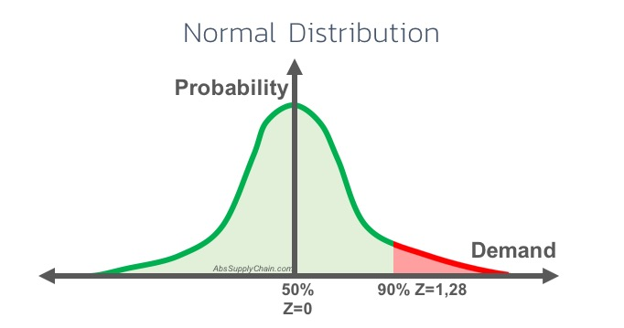
 | Normal Distribution
 | Service Rate | Z =Coeff service
 | 99.9% | 3.09
 | 99% | 2.33
 | 98% | 2.05
 | 97% | 1.88
 | 96% | 1.75
 | 95% | 1.64
 | 94% | 1.55
 | 93% | 1.48
 | 92% | 1.41
 | 91% | 1.34
 | 90% | 1.28
 | 89% | 1.23
 | 88% | 1.17
 | 87% | 1.13
 | 86% | 1.08
 | 85% | 1.04
 | 84% | 0.99
 | 83% | 0.95
 | 82% | 0.92
 | 81% | 0.88
 | 80% | 0.84
 | 79% | 0.81
 | 78% | 0.77
 | 77% | 0.74
 | 76% | 0.71
 | 75% | 0.67
 | 74% | 0.64
 | 73% | 0.61
 | 72% | 0.58
 | 71% | 0.55
 | 70% | 0.52
 | 69% | 0.50
 | 68% | 0.47
 | 67% | 0.44
 | 66% | 0.41
 | 65% | 0.39
 | 64% | 0.36
 | 63% | 0.33
 | 62% | 0.31
 | 61% | 0.28
 | 60% | 0.25
 | 59% | 0.23
 | 58% | 0.20
 | 57% | 0.18
 | 56% | 0.15
 | 55% | 0.13
 | 54% | 0.10
 | 53% | 0.08
 | 52% | 0.05
 | 51% | 0.03
 | 50% | 0.00
 | 49% | -0.03
 | 48% | -0.05
 | 47% | -0.08
 | 46% | -0.10
 | 45% | -0.13
 | 44% | -0.15
 | 43% | -0.18
 | 42% | -0.20
 | 41% | -0.23
 | 40% | -0.25
 | 39% | -0.28
 | 38% | -0.31
 | 37% | -0.33
 | 36% | -0.36
 | 35% | -0.39
 | 34% | -0.41
 | 33% | -0.44
 | 32% | -0.47
 | 31% | -0.50
 | 30% | -0.52
 | 29% | -0.55
 | 28% | -0.58
 | 27% | -0.61
 | 26% | -0.64
 | 25% | -0.67
 | 24% | -0.71
 | 23% | -0.74
 | 22% | -0.77
 | 21% | -0.81
 | 20% | -0.84
 | 19% | -0.88
 | 18% | -0.92
 | 17% | -0.95
 | 16% | -0.99
 | 15% | -1.04
 | 14% | -1.08
 | 13% | -1.13
 | 12% | -1.17
 | 11% | -1.23
 | 10% | -1.28
 | 9% | -1.34
 | 8% | -1.41
 | 7% | -1.48
 | 6% | -1.55
 | 5% | -1.64
 | 4% | -1.75
 | 3% | -1.88
 | 2% | -2.05
 | 1% | -2.33
 | 0% | -3.09

