Sheet1
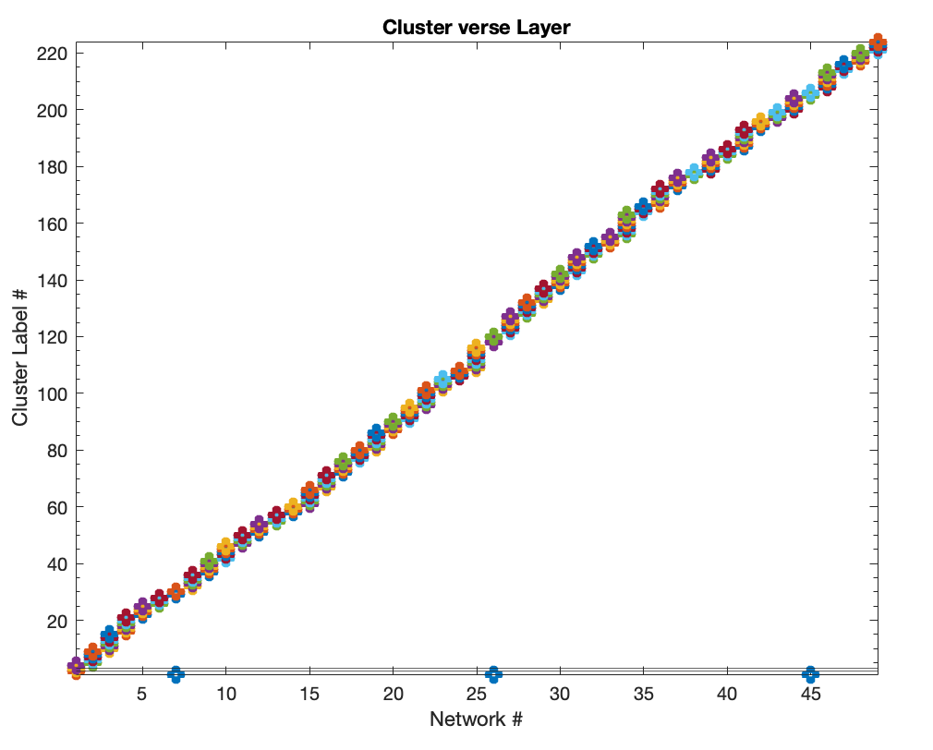
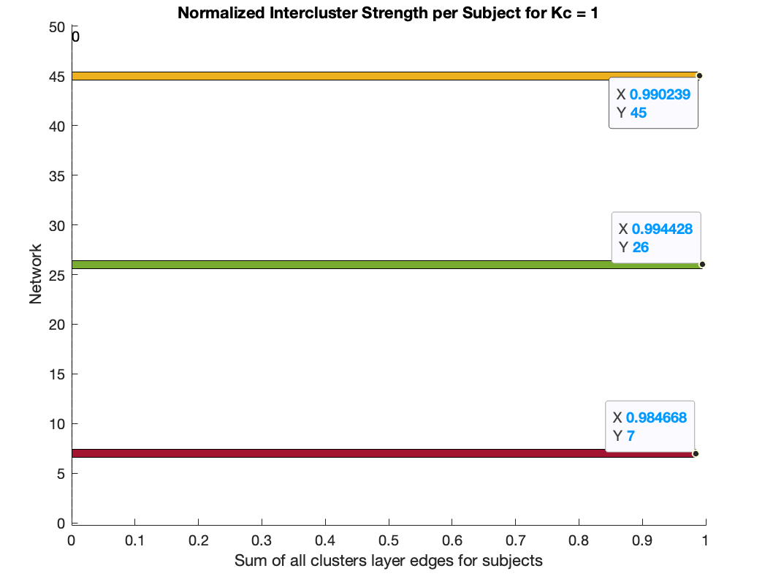
1 | AUD | 1 | Nothing
2 | BG | 1 | Nothing
3 | CB | 1 | Nothing
4 | CB | 1 | Nothing | Big Data analysis
5 | MOT | 2 | 1 | Small data analysis
6 | MOT | 2 | 2
7 | MOT | 2 | 3
8 | MOT | 2 | 4
9 | MOT | 2 | 5
10 | MOT | 2 | 6
11 | MOT | 2 | 7
12 | MOT | 2 | 8
13 | VIS | 3 | Nothing
14 | VIS | 3 | Nothing
15 | VIS | 3 | Nothing
16 | VIS | 3 | Nothing
17 | VIS | 3 | Nothing
18 | VIS | 3 | Nothing
19 | VIS | 3 | Nothing
20 | VIS | 3 | Nothing
21 | VIS | 3 | Nothing
22 | VIS | 3 | Nothing
23 | DMN | 4 | Nothing
24 | DMN | 4 | Nothing
25 | DMN | 4 | Nothing
26 | DMN | 4 | Nothing
27 | DMN | 4 | Nothing
28 | DMN | 4 | Nothing
29 | DMN | 4 | Nothing
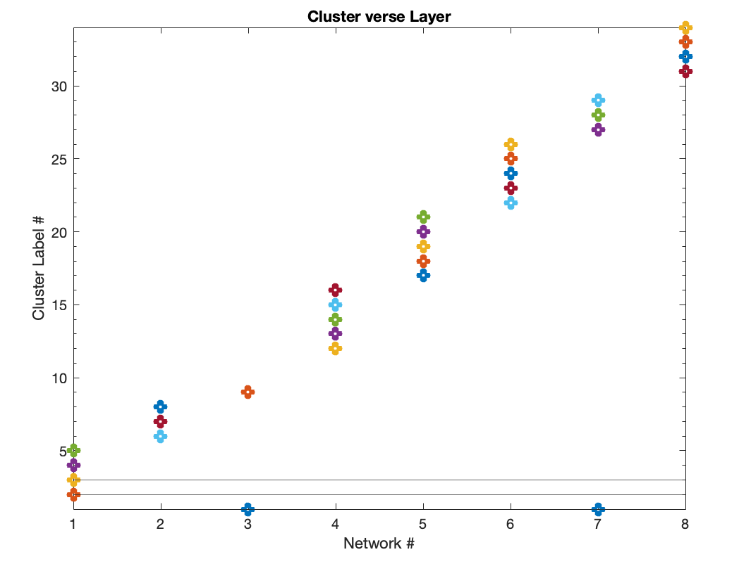
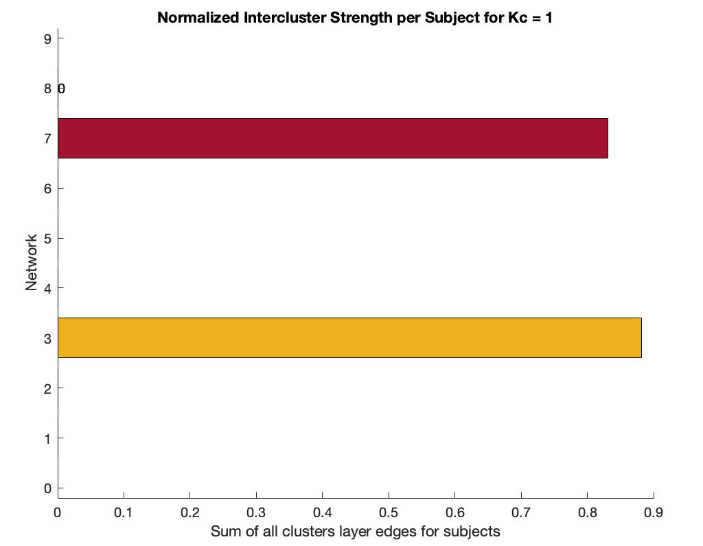
30 | DMN | 4 | Nothing
31 | DMN | 4 | Nothing
32 | DMN | 4 | Nothing
33 | DMN | 4 | Nothing
34 | ATTN | 5 | Nothing
35 | ATTN | 5 | Nothing
36 | ATTN | 5 | Nothing
37 | ATTN | 5 | Nothing
38 | ATTN | 5 | Nothing
39 | ATTN | 5 | Nothing
40 | ATTN | 5 | Nothing
41 | ATTN | 5 | Nothing
42 | FRONT | 6 | Nothing
43 | FRONT | 6 | Nothing
44 | FRONT | 6 | Nothing
45 | FRONT | 6 | Nothing
46 | FRONT | 6 | Nothing
47 | FRONT | 6 | Nothing
48 | FRONT | 6 | Nothing
49 | FRONT | 6 | Nothing

