Experimental Design
Experiment Plan on Fields 7E & 39A, Hayden Research Site RCBD split-split plots |  |  |  |  |  |  |  |  |  |  |  |  |  |  |  |  |  |  |  | FIELD ID | YEAR | Cash Crop | Cash crop plant date | Cash crop maturity | Corn N sidedress date | Corn sidedress N medium rate lb/ac | Corn sidedress N high rate lb/ac | Cover crop interseed date | Cash crop harvest date | Cover crop early killdate | Cover crop mid killdate | Cover crop late killdate | Herbicides applied for termination and weed control
 |  |  |  |  |  |  |  |  |  |  |  |  |  |  |  |  |  |  |  | 7E | 2020 | CORN | 2020-05-18 | Short Season |  | . | 140 | 6/26/2020 | 10/21/2020 | . | . | . | Roundup Power Max and Enlist One Herbicides
 |  |  |  |  |  |  |  |  |  |  |  |  |  |  |  |  |  |  | Crop Rotation | 39A | 2020 | CORN | 2020-05-18 | Short Season |  | . | 120 | 6/26/2020 | 2020-10-08 | . | . | . | Roundup Power Max and Enlist One Herbicides
 | Treatment | 60' | 60' | 60' |  | 30' |  | Treatment | 60' | 60' | 60' |  |  | CoverCrop | Flag Colors | Spring cover termination dates |  |  | 2020/ 2021/ 2022 / 2023 | 39D | 2020 | CORN | 2020-05-18 | Short Season |  | . | 120 | 6/26/2020 | 2020-10-08 | . | . | . | Roundup Power Max and Enlist One Herbicides
REP 4 | No cover | 416 | 417 | 418 | 30' | Alleyway | REP 2 | 3-WayMix | 216 | 217 | 218 | 30' | main farm lane | No cover | Blue | early-Apr12 | mid-May04 | late-May13 | <-Soybean/Corn/Soybean/Corn | 7E | 2020 | SOY | 2020-05-26 | Short Season | . | . | . | 2020-06-26 | 2020-10-08 | . | . | 5/16/2020 | Roundup Power Max and Enlist One Herbicides
 | 3-WayMix | 415 | 414 | 413 | 30' |  |  | Rye | 215 | 214 | 213 | 30' |  | 3-WayMix | Pink | 0 | 100/110 | 160/180 | <-Corn/Soybean/Corn/Soybean | 39A | 2020 | SOY | 2020-05-20 | Short Season | . | . | . | 2020-06-26 | 2020-10-06 | . | . | 2020-05-20 | Roundup Power Max and Enlist One Herbicides
 | Rye | 410 | 411 | 412 | 30' |  |  | No cover | 210 | 211 | 212 | 30' |  | Rye | Green | Spring 2022 CORN sidedress N rates |  |  |  | 39D | 2020 | SOY | 2020-05-20 | Short Season | . | . | . | 2020-06-26 | 2020-10-06 | . | . | . | Roundup Power Max and Enlist One Herbicides
 | 3-WayMix | 409 | 408 | 407 | 30' |  |  | No cover | 209 | 208 | 207 | 30' |  |  |  | Fertilizer N rates in lbs/acre |  |  |  | 7E | 2021 | CORN | 5/4/2021 | Short Season | 2021-06-17 | . | 140 | 9/1/2021 | 2021-09-20 | 5/21/2021 | 2021-05-13 | 5/21/2021 | Roundup Power Max and Enlist One Herbicides
 | Rye | 404 | 405 | 406 | 30' |  |  | 3-WayMix | 204 | 205 | 206 | 30' |  |  |  |  |  |  |  | 39A | 2021 | CORN | 5/4/2021 | Short Season | 2021-06-17 | . | 140 | 8/30/2021 | 2021-09-22 | 4/14/2021 | 2021-05-13 | 5/21/2021 | Roundup Power Max and Enlist One Herbicides
 | No cover | 403 | 402 | 401 | 30' |  |  | Rye | 203 | 202 | 201 | 30' |  |  |  | Rye at 100 lbs/A |  |  |  | 39D | 2021 | CORN | 5/4/2021 | Short Season | 2021-06-17 | . | 140 | 8/30/2021 | 2021-09-22 | . | 2021-05-13 | . | Roundup Power Max and Enlist One Herbicides
REP 3 | Rye | 316 | 317 | 318 | 30' |  | REP 1 | Rye | 116 | 117 | 118 | 30' |  |  |  | 3-WayMix= 75lb Rye, 4 lbs Radish, 15 lbs Crimson clover |  |  |  | 7E | 2021 | SOY | 2021-05-06 | Short Season | . | . | . | 2021-09-16 | 2021-10-19 | 5/21/2021 | 2021-05-13 | 5/21/2021 | Roundup Power Max and Enlist One Herbicides
 | 3-WayMix | 315 | 314 | 313 | 30' |  |  | 3-WayMix | 115 | 114 | 113 | 30' |  |  |  |  |  |  |  | 39A | 2021 | SOY | 2021-05-06 | Short Season | . | . | . | 2021-09-16 | 2021-10-20 | 4/14/2021 | 5/13/2021 | 5/21/2021 | Roundup Power Max and Enlist One Herbicides
 | No cover | 310 | 311 | 312 | 30' |  |  | No cover | 110 | 111 | 112 | 30' |  |  |  | Use short season soybean and corn cultivars |  |  |  | 39D | 2021 | SOY | 2021-05-06 | Short Season | . | . | . | 2021-09-16 | 2021-10-20 | . | 5/13/2021 | . | Roundup Power Max and Enlist One Herbicides
 | 3-WayMix | 309 | 308 | 307 | 30' wet |  |  | 3-WayMix | 109 | 108 | 107 | 30' |  |  |  | Covers interseeded in corn, approx mid-July to mid-August ahead of rain if possible |  |  |  | 7E | 2022 | CORN | 2022-05-12 | Short Season | 2022-06-13 | 110 | 180 | 2022-09-12 | 2022-09-22 | . | 2022-05-10 | . | Roundup Power Max and Enlist One Herbicides
 | Rye | 304 | 305 | 306 | 30' wet |  |  | Rye | 104 | 105 | 106 | 30' |  |  |  | Covers interseeded at leaf drop in soybean 1st week of September |  |  |  | 39A | 2022 | CORN | 2022-05-10 | Short Season | 2024-06-13 | 100 | 160 | 9/1/2022 | 2022-09-19 | . | 2022-05-10 | . | Roundup Power Max and Enlist One Herbicides
 | No cover | 303 | 302 | 301 | 30' |  |  | No cover | 103 | 102 | 101 | 30' |  |  |  | If cover has to be drilled after harvest later than Sept. 15, substitute 2 lbs rapeseed for radish. |  |  |  | 39D | 2022 | CORN | 2022-05-10 | Short Season | 2024-06-13 | 100 | 160 | 9/1/2022 | 2022-09-19 | . | 2022-05-10 | . | Roundup Power Max and Enlist One Herbicides
 |  |  |  |  |  |  |  |  |  |  |  |  |  |  |  |  |  |  |  | 7E | 2022 | SOY | 2022-05-12 | Short Season | . | . | . | 9/14/2022 | 2022-10-28 | 2022-05-02 | 2022-05-10 | 5/21/2022 | Roundup Power Max and Enlist One Herbicides
Grass lane |  |  |  |  |  |  |  |  |  |  |  |  |  |  |  |  |  |  |  | 39A | 2022 | SOY | 2022-05-10 | Short Season | . | . | . | 9/14/2022 | 2022-10-25 | 2022-05-02 | 2022-05-10 | 5/21/2022 | Roundup Power Max and Enlist One Herbicides
 |  | Crop Rotation |  |  |  |  |  |  |  |  |  |  |  |  |  |  |  |  |  | 39D | 2022 | SOY | 2022-05-10 | Short Season | . | . | . | 9/14/2022 | 2022-10-25 | . | 2022-05-10 | . | Roundup Power Max and Enlist One Herbicides
CoverCrop | Flag Colors | Spring cover termination dates |  |  |  | 2020/ 2021/ 2022 / 2023 |  |  |  |  |  |  |  |  |  |  |  |  |  | 7E | 2023 | CORN | 2023-05-10 | Short Season | 2023-06-16 | 110 | 180 | 2023-09-08 | 2023-09-23 | . | 2023-05-10 | . | Roundup Power Max and Enlist One Herbicides
No cover | Blue | early-Apr12 | mid-May04 | late-May13 |  | <-Soybean/Corn/Soybean/Corn |  |  |  |  |  |  |  |  |  |  |  |  |  | 39A | 2023 | CORN | 2023-05-10 | Short Season | 2023-06-16 | 100 | 160 | 2023-09-08 | 2023-09-23 | . | 2023-05-10 | . | Roundup Power Max and Enlist One Herbicides
3-WayMix | Pink | 0 | 100 | 180 |  | <-Corn/Soybean/Corn/Soybean |  |  |  |  |  |  |  |  |  |  |  |  |  | 39D | 2023 | CORN | 2023-05-10 | Short Season | 2023-06-16 | 100 | 160 | 2023-09-08 | 2023-09-23 | . | 2023-05-10 | . | Roundup Power Max and Enlist One Herbicides
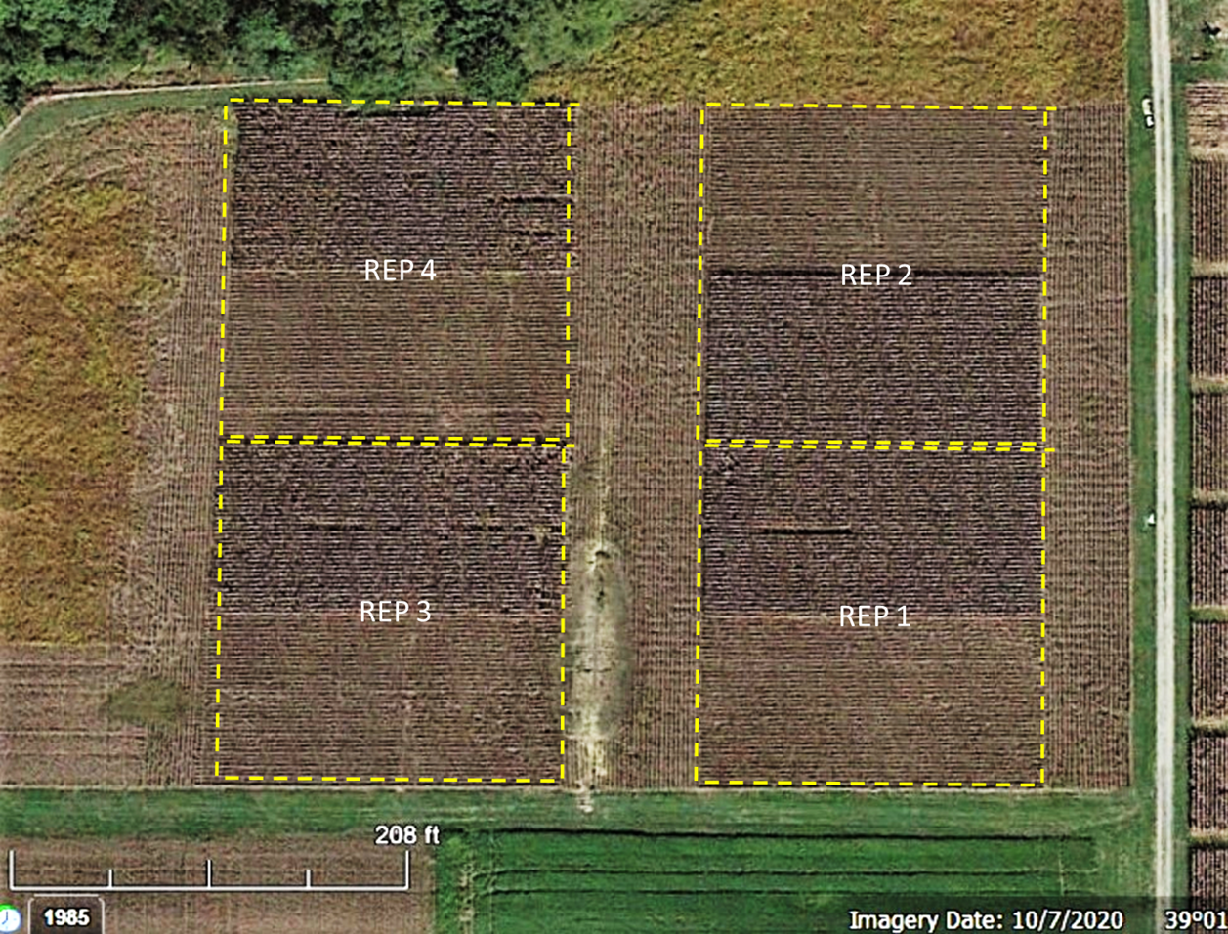
Rye | Green | Spring 2022 CORN sidedress N rates |  |  |  |  |  |  |  |  |  |  |  |  |  |  |  |  |  | 7E | 2023 | SOY | 2023-05-12 | Short Season | . | . | . | 2023-09-08 | 2023-10-17 | 2023-05-02 | 2023-05-10 | 2023-05-24 | Roundup Power Max and Enlist One Herbicides
 |  | Fertilizer N rates in lbs/acre |  |  |  |  |  |  |  |  |  |  |  |  |  |  |  |  |  | 39A | 2023 | SOY | 2023-05-12 | Short Season | . | . | . | 2023-09-08 | 2023-10-17 | 2023-05-02 | 2023-05-10 | 2023-05-24 | Roundup Power Max and Enlist One Herbicides
 |  |  |  |  |  |  |  |  |  |  |  |  |  |  |  |  |  |  |  | 39D | 2023 | SOY | 2023-05-12 | Short Season | . | . | . | 2023-09-08 | 2023-10-17 | . | 2023-05-10 | . | Roundup Power Max and Enlist One Herbicides
 | Spring 2022 Soybean Plots |  |  |  |  |  |  |  |  |  |  |  |  | Image of 7E
 | Cover crop term. target dates
 | early-Apr12 | mid-May04 | late-May13 | Soybean target planting 13 May 2022
 | Plant soybean "green" ~May01; herbicide cover crop in subplots ~12 Apr, ~01May, ~15 May
 | Band P and K starter as per soil test.
 | Hi-boy air seed 3-way and rye cover crop at leaf drop ~Sept01

 | 2022 Corn Plots
 | 2022 sidedress N rates, lbs N/A
 | 0 | 110 | 180 | for 7E | High N rate 140 lbs/A for both fields in 2021
 | 0 | 100 | 160 | for 39A
 | Plant corn "green" ~May 1 with roller-crimper in all plots, wait 9-10 days to spray late-kill plots.
 | Band P and K starter as per soil test, but no N at planting
 | Sidedress N rate + 20 lb S to Field 39A
 | Hi-Boy Air-seed 3-way mix and rye cover July15 - Aug15

 | Cover Crop Seeding Rates
Mix | 84 kg/ha Rye | 4.5 kg/ha Radish | 17 kg/ha Crimson clover
Rye | 112 kg/ha Rye

