Trial_1
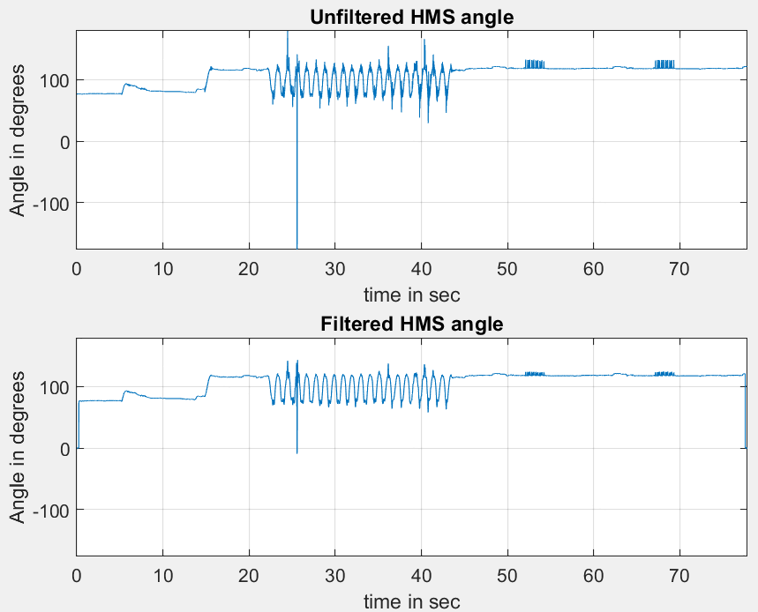
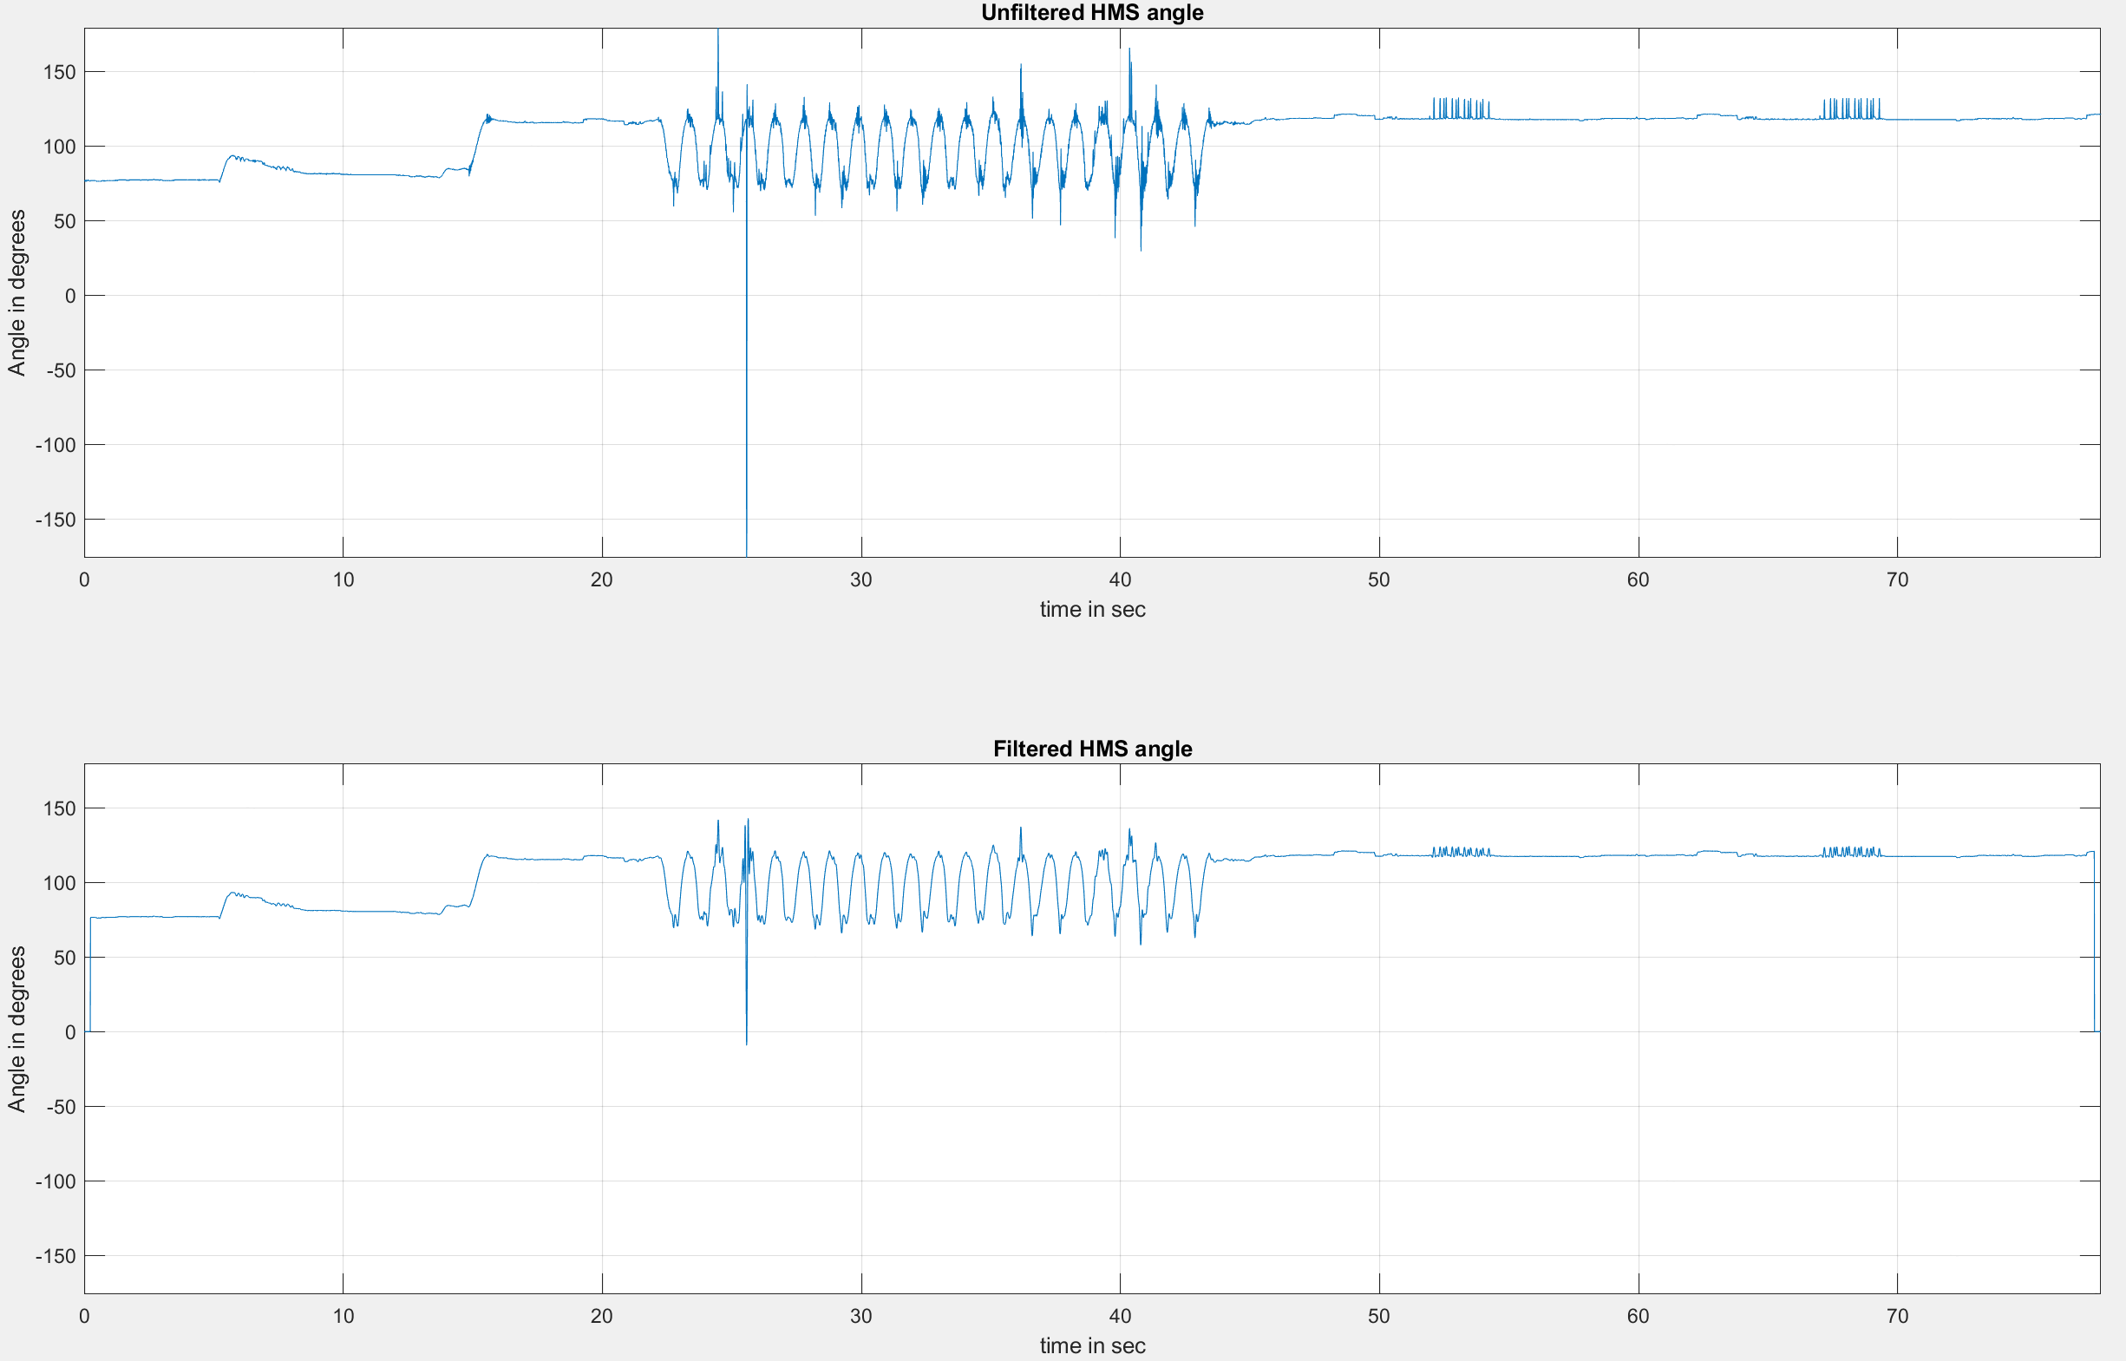
Number of Strokes | Extract Angle | Volume Pumped | Start Time | End Time
25 | 1519.7892105 | 11.297841874 | 22.373125 | 24.5975

Trial_3
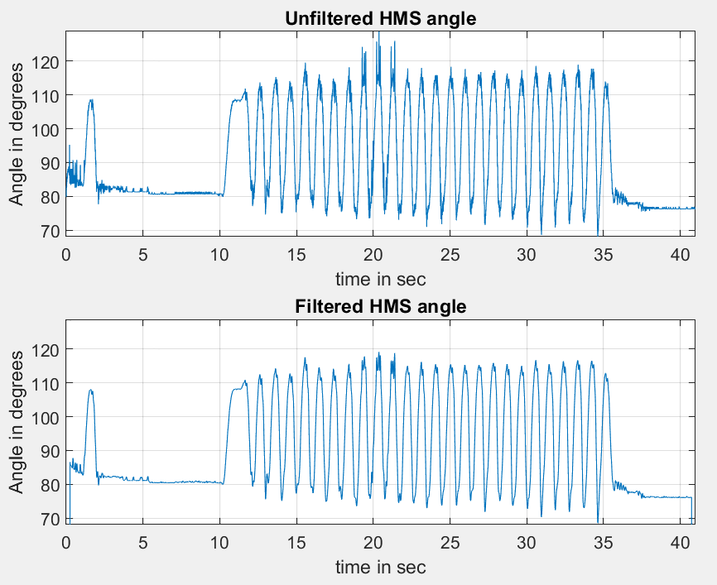
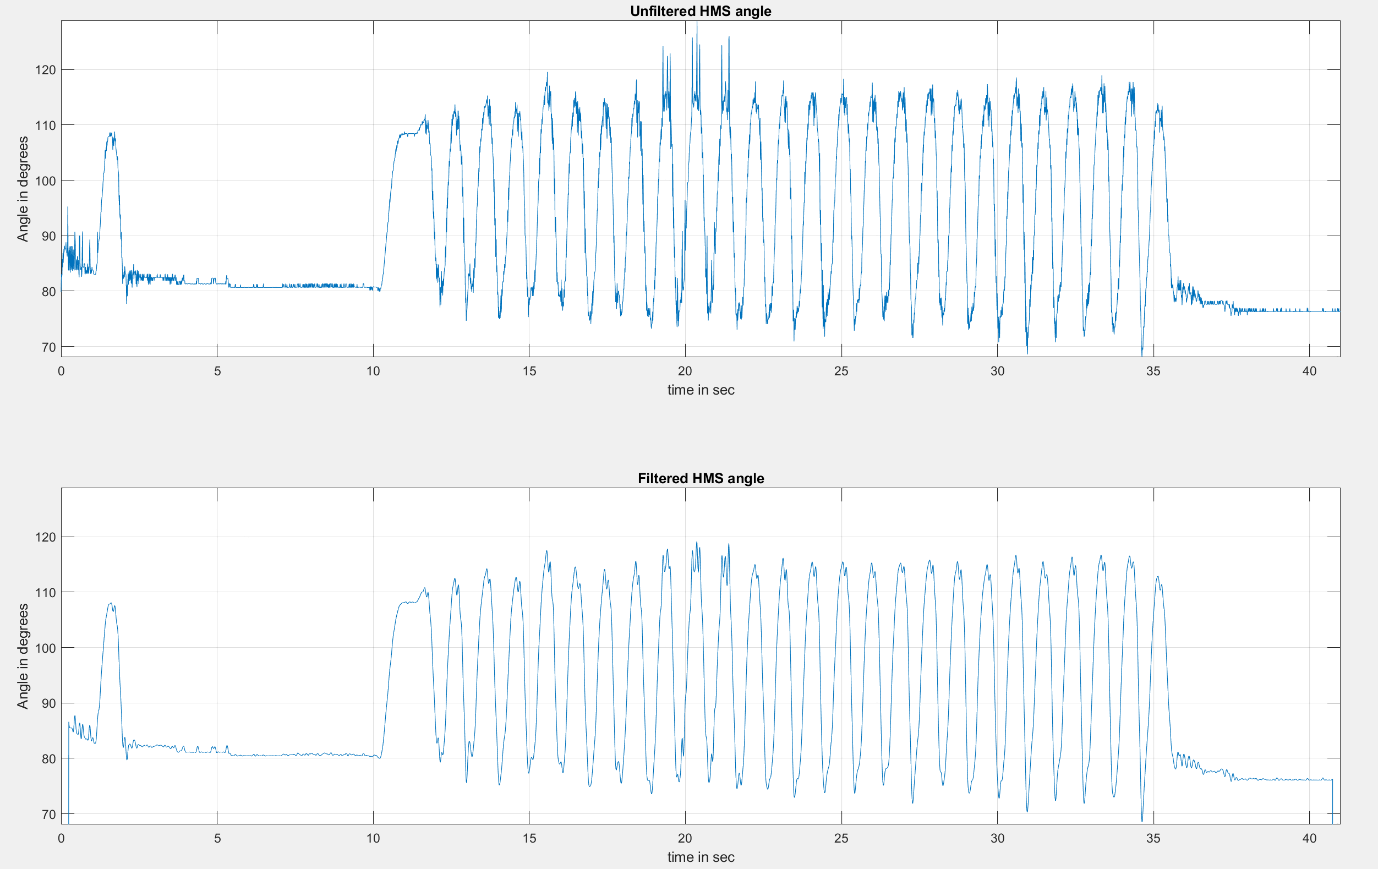
Number of Strokes | Extract Angle | Volume Pumped | Start Time | End Time
27 | 1158.123803 | 8.6601612902 | 10.3825 | 28.32375

Trial_4
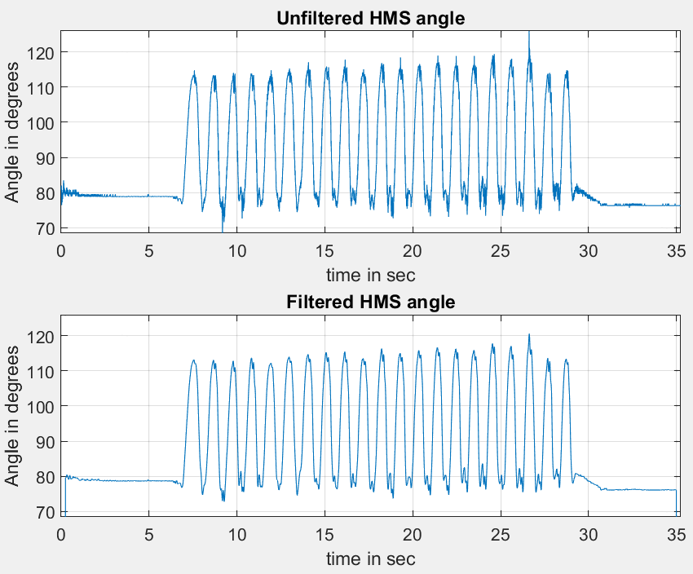
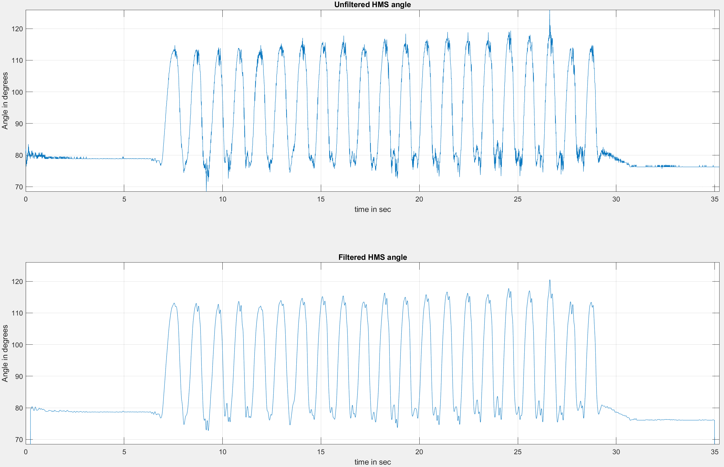
Number of Strokes | Extract Angle | Volume Pumped | Start Time | End Time
22 | 935.65038814 | 7.0193140979 | 7.03 | 25.029375

Trial_5
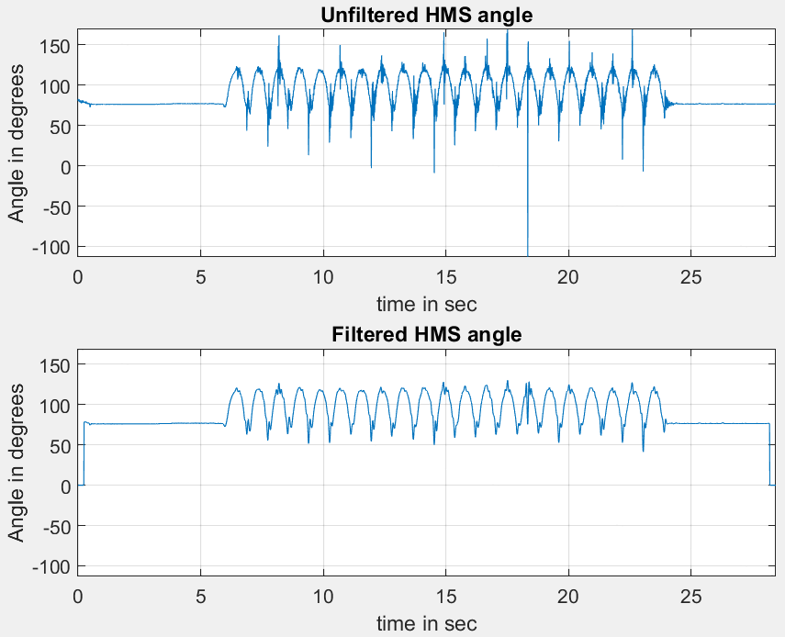
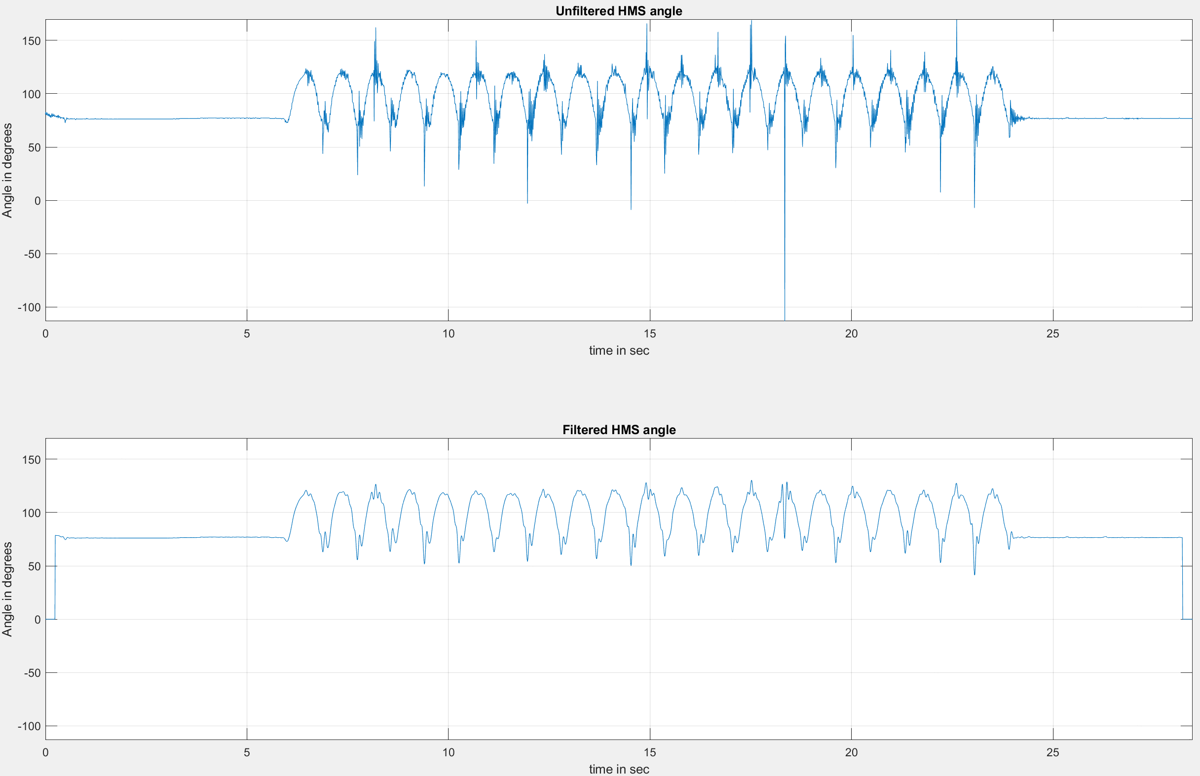
Number of Strokes | Extract Angle | Volume Pumped | Start Time | End Time
30 | 1660.5499913 | 12.344232408 | 6.08875 | 21.67625

Trial_6
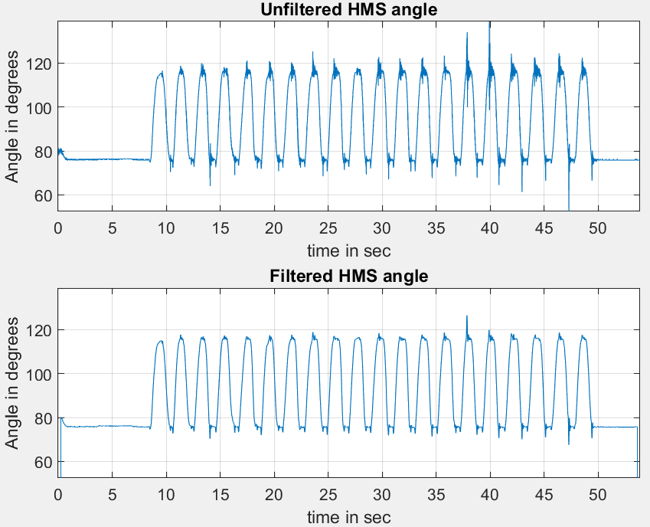
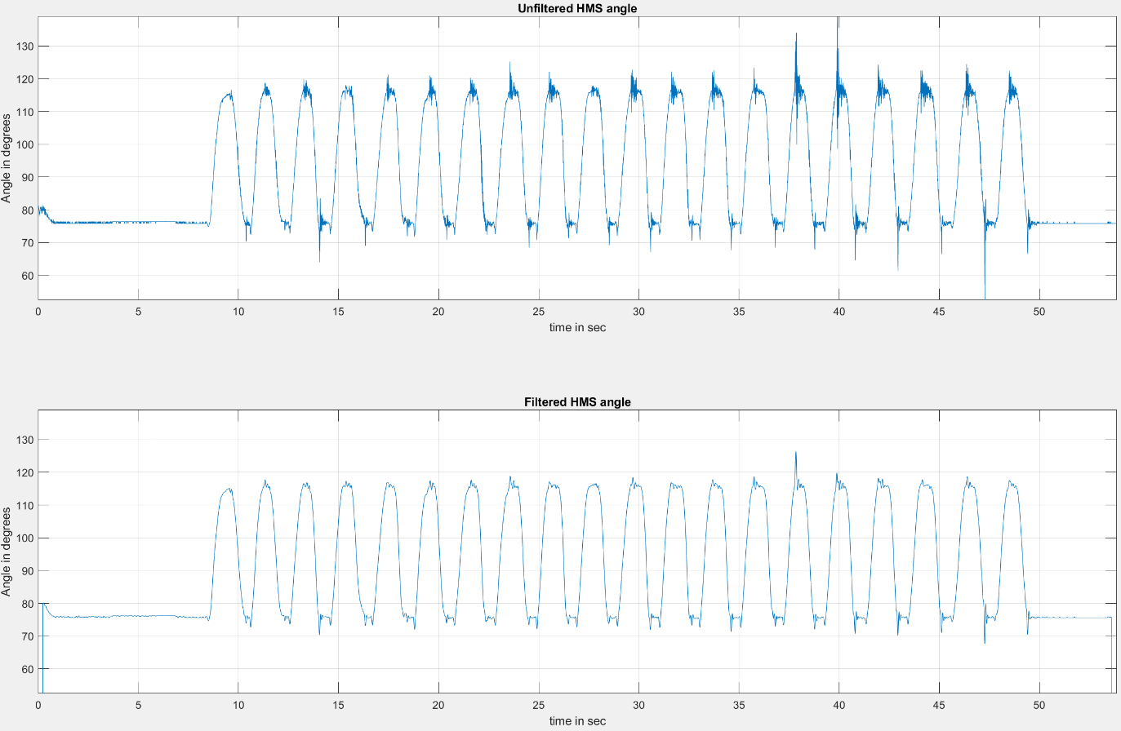
Number of Strokes | Extract Angle | Volume Pumped | Start Time | End Time
21 | 1071.2947221 | 5.7601215565 | 8.666875 | 42.088125

Trial_7
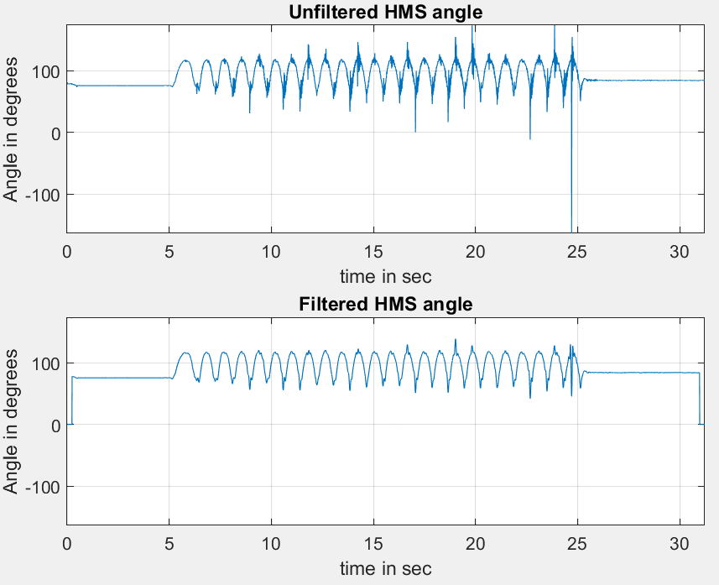
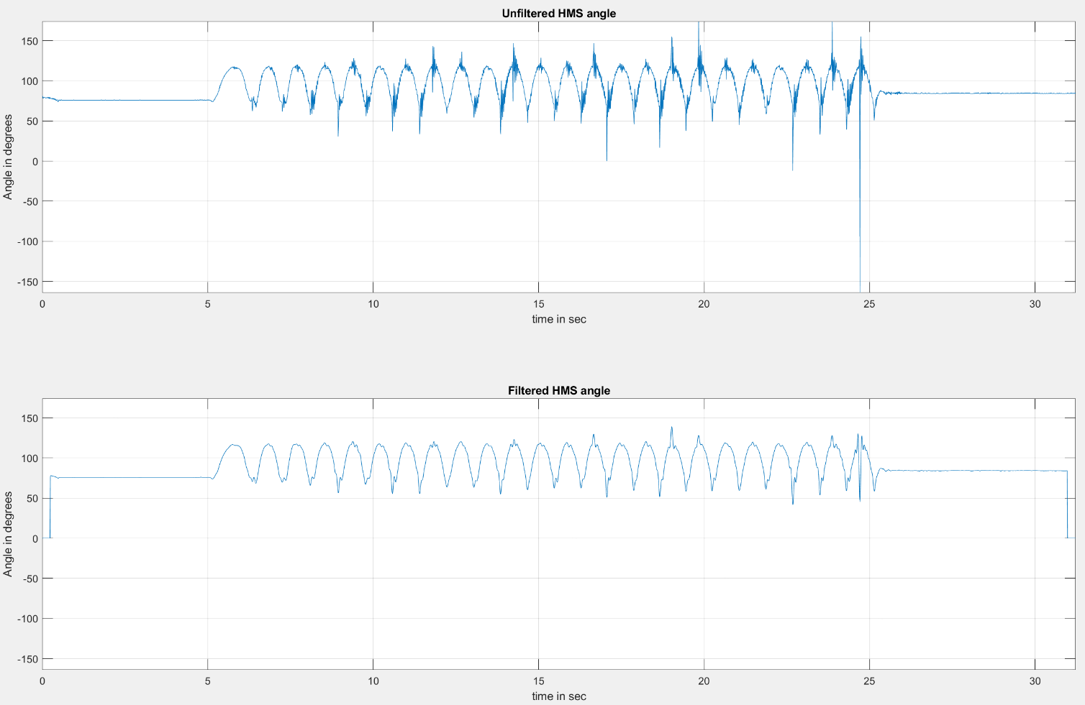
Number of Strokes | Extract Angle | Volume Pumped | Start Time | End Time
26 | 1717.0612349 | 12.764326912 | 5.275 | 24.79375

Trial_8
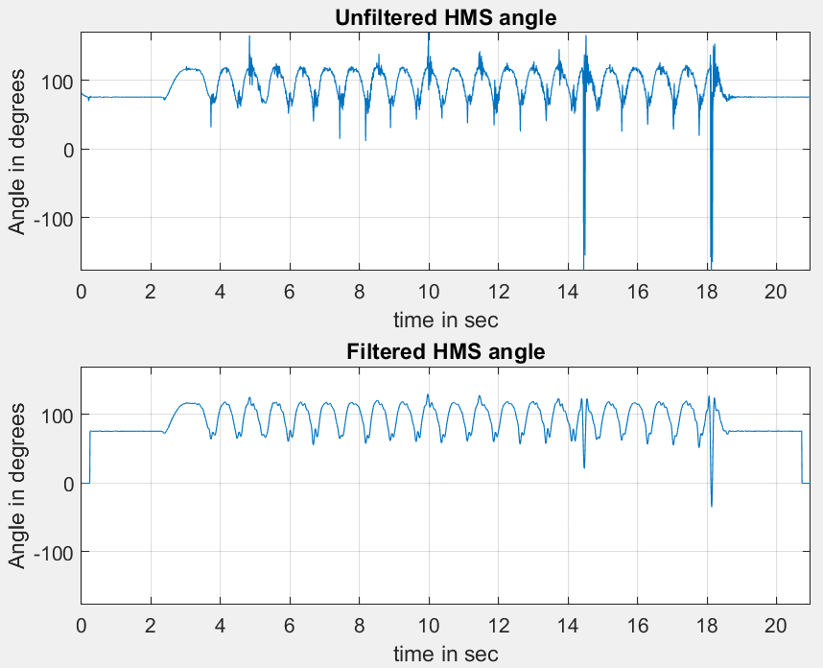
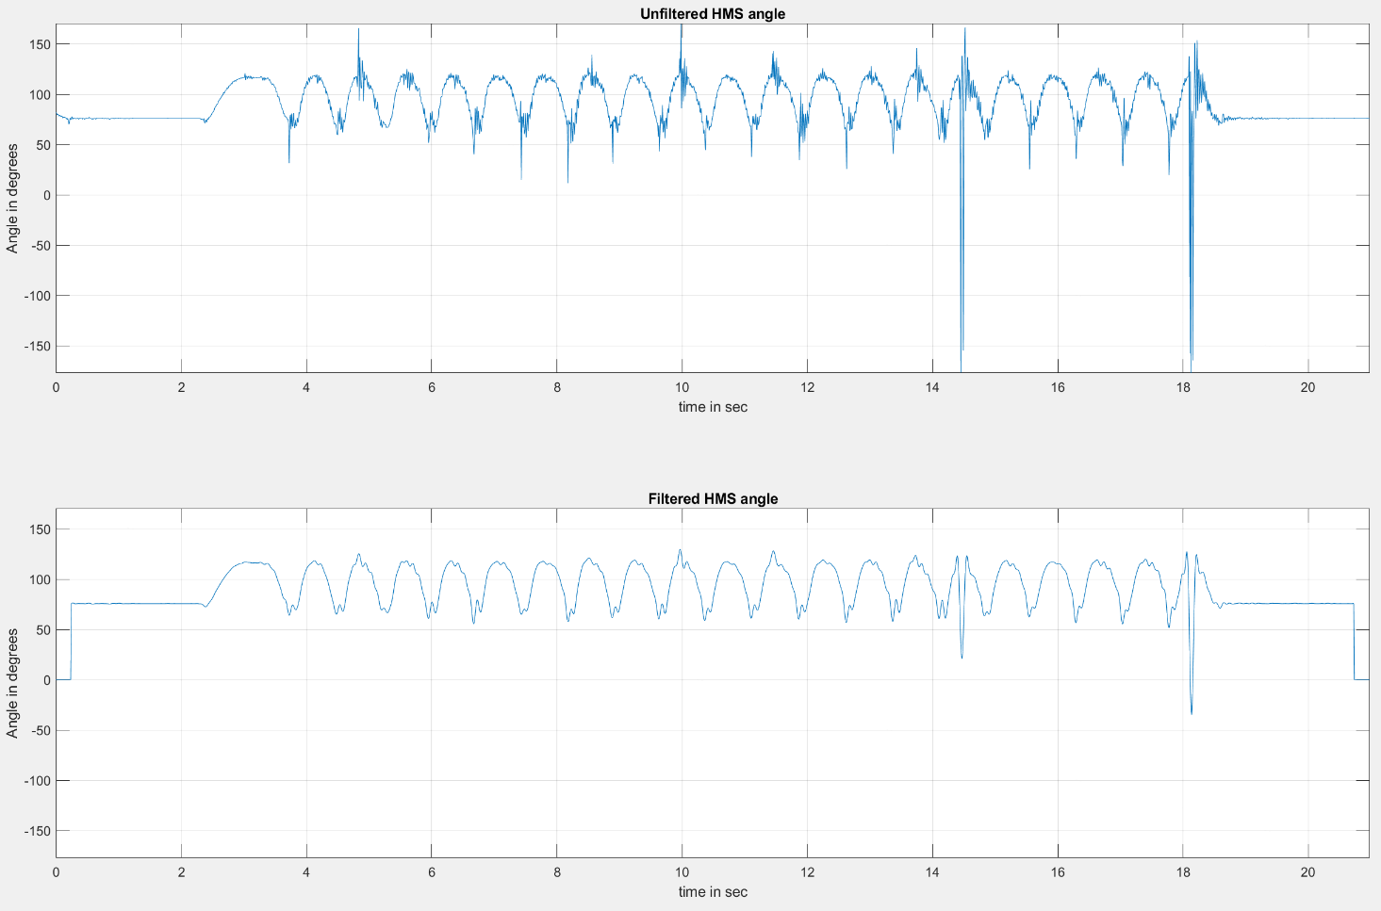
Number of Strokes | Extract Angle | Volume Pumped | Start Time | End Time
27 | 1784.4986961 | 13.265644968 | 2.51 | 18.470625

