Native Charts
Graph 5. Unity FPS versus input update rate
Input rate (Hz) | Mean Unity FPS | Input rate (Hz) | Sent | Received | Applied | Dropped
2.000 | 412.875 | 2.000 | 600.000 | 601.000 | 600.000 | 0.000
10.000 | 198.318 | 10.000 | 3000.000 | 3000.333 | 3000.000 | 0.000
30.000 | 194.748 | 30.000 | 9000.000 | 9000.000 | 9000.000 | 0.000
50.000 | 192.195 | 50.000 | 15000.000 | 15000.000 | 15000.000 | 0.000
100.000 | 189.528 | 100.000 | 29998.667 | 29999.000 | 29998.667 | 0.000

Graph 6. Message processing success

Publication Figures
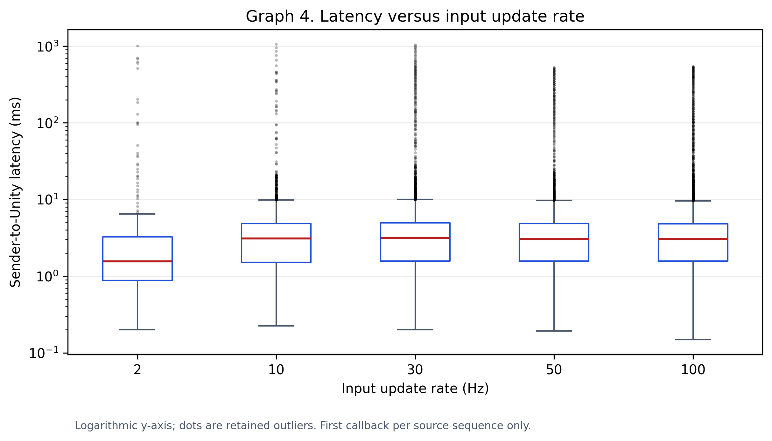
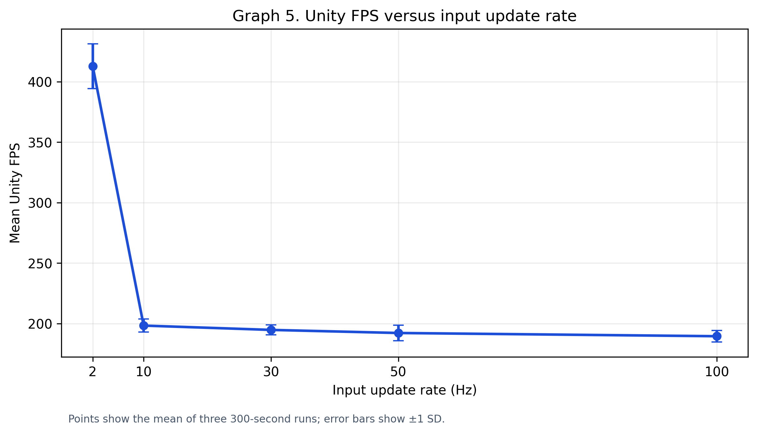
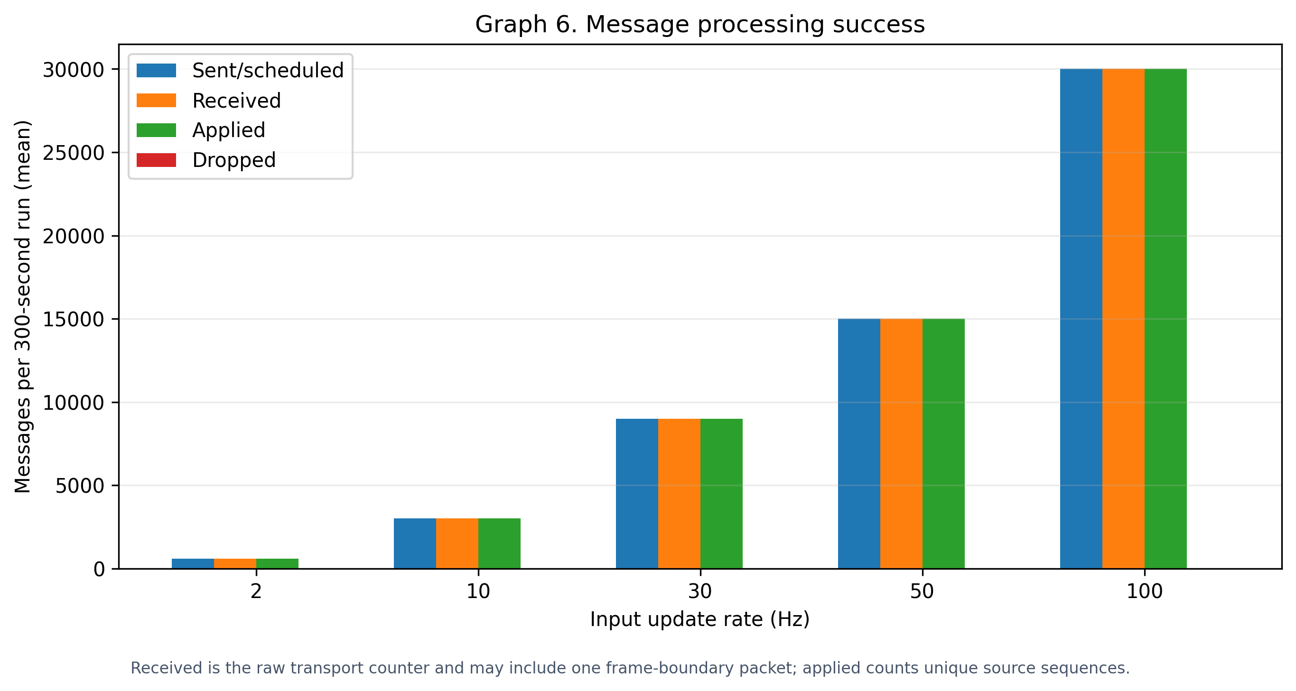
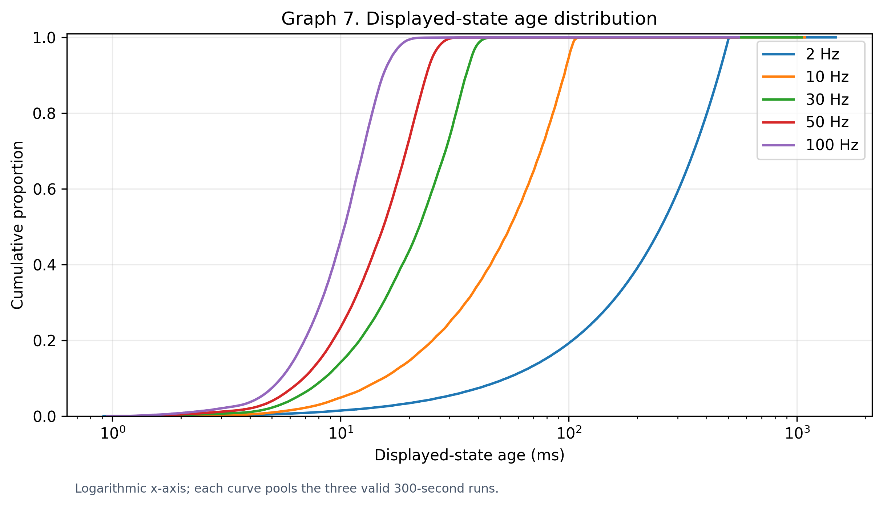
Publication Figures — Graphs 4–7
High-resolution PNG and PDF versions are saved beside this workbook.

