ILR
Individual Learner/Participant Record and Plan - please complete in BLOCK CAPITALS
ULN (for office use) |  |  |  |  |  |  |  |  |  |  |  |  |  |  |  |  |  |  |  | Subcontractor name or N/A if internal
National Insurance Number |  |  |  | tk1234567
Mr | X | Mrs |  | Miss |  | Ms |  |  | First Name |  |  |  |  | Muhammad
Middle Name |  |  |  | Osama |  |  |  |  |  | Family Name |  |  |  | Ahmed
Date of Birth (DD/MM/YYYY) |  |  |  | 1997-03-31 |  |  |  |  |  |  |  |  |  |  |  |  |  | Current Age at Start of programme
House No./Name & Street |  |  |  | 30 Queens Rd
Suburb / Village |  |  |  | none
Town / City |  |  |  | London
County |  |  |  | Walthamforest
Country of Domicile |  |  |  | Karachi
Current Postcode |  |  |  | E17 8PX |  |  |  |  |  |  |  |  |  |  |  | Post code prior to enrolment |  |  |  |  |  | E17 9AZ
Email Address |  |  |  | osamadatascientist@gmail.com
Primary Telephone Number |  |  |  | 7405327072
Secondary Telephone Number |  |  |  | 7405327072
Sex (select) |  |  |  | X |  |  |  |  | If Other, please state
Ethnicity
White |  |  |  |  |  |  |  |  |  |  |  | Mixed/ Multiple ethnic group
31 | English/ Welsh/ Scottish/ N Irish/ British |  |  |  |  |  |  |  |  |  |  | 35 |  | White and Black Caribbean
32 | Irish |  |  |  |  |  |  |  |  |  |  | 36 |  | White and Black African
33 | Roma, Gypsy or Irish Traveller |  |  |  |  |  |  |  |  |  |  | 37 |  | White and Asian
34 | Any other white background |  |  |  |  |  |  |  |  |  |  | 38 |  | Any other mixed/ multiple ethnic background
Asian/ Asian British |  |  |  |  |  |  |  |  |  |  |  | Black/ African/ Caribbean/ Black British
39 | Indian |  |  |  |  |  |  |  |  |  |  | 44 |  | African
40 | Pakistani |  |  |  |  |  |  |  |  |  |  | 45 |  | Caribbean
41 | Bangladeshi |  |  |  |  |  |  |  |  |  |  | 46 |  | Any Other Black/ African/ Caribbean background
42 | Chinese |  |  |  |  |  |  |  |  |  |  | Other Ethnic Group
43 | Any other Asian background |  |  |  |  |  |  |  |  |  |  | 47 |  | Arab
98 | Any other ethnic group |  |  |  |  |  |  |  |  |  |  |  |  |  |  |  |  |  |  |  |  |  |  |  |  | X
Prior Attainment
1 | Entry Level |  |  |  |  |  |  |  |  | - |  | 6 |  | Full Level 3 |  |  |  |  |  |  |  |  |  |  |  | -
2 | Level 1 |  |  |  |  |  |  |  |  | - |  | 7 |  | Level 4 |  |  |  |  |  |  |  |  |  |  |  | -
3 | Level 2 |  |  |  |  |  |  |  |  | - |  | 8 |  | Level 5 |  |  |  |  |  |  |  |  |  |  |  | -
4 | Full Level 2 |  |  |  |  |  |  |  |  | - |  | 9 |  | Level 6 |  |  |  |  |  |  |  |  |  |  |  | -
5 | Level 3 |  |  |  |  |  |  |  |  | - |  | 10 |  | Level 7 and above |  |  |  |  |  |  |  |  |  |  |  | -
99 | No Qualifications |  |  |  |  |  |  |  |  |  |  |  |  |  |  |  |  |  |  |  |  |  |  |  |  | X
Next of kin/ Emergency contact |  |  |  | 7405327072
Emergency Contact Phone Number |  |  |  | 7405327072
Household Situation – please select the most relevant option (place an 'x' in ALL relevant boxes)
1 - No household member in employment with one or more dependent children |  |  |  |  |  |  | JH, JH+DC |  |  |  | X | 2 - No household member in employment with no dependent children |  |  |  |  |  |  |  |  |  |  | JH
3 - Participant lives in a single adult household with dependent children |  |  |  |  |  |  | SAH+DC |  |  |  |  | 4 - Learner lives in single unemployed adult household with dependent children |  |  |  |  |  |  |  |  |  |  | JH, SAH+DC
99 - None of the above apply |  |  |  |  |  |  | N/A
LLDD, Health Problems, Other Disadvantaged
Do you consider yourself to have a long term disability, health problem or any learning difficulties? Choose the correct option. If Yes enter code in Primary LLDD or HP; you can add multiple LLDD or HP but primary must be recorded if Yes selected. |  |  |  |  |  |  |  |  |  |  |  |  |  |  |  |  |  |  |  |  |  | Y |  |  | N

LLDD or Health Problem Type |  |  |  |  |  |  |  |  |  |  |  |  |  |  |  |  |  |  |  | Primary |  | Secondary |  |  | Tertiary
4 | Vision impairment |  |  |  |  |  |  |  |  |  |  |  |  |  |  |  |  |  |  | X |  | - |  |  | -
5 | Hearing impairment |  |  |  |  |  |  |  |  |  |  |  |  |  |  |  |  |  |  | - |  | - |  |  | -
6 | Disability affecting mobility |  |  |  |  |  |  |  |  |  |  |  |  |  |  |  |  |  |  | - |  | - |  |  | -
7 | Profound complex disabilities |  |  |  |  |  |  |  |  |  |  |  |  |  |  |  |  |  |  | - |  | - |  |  | -
8 | Social and emotional difficulties |  |  |  |  |  |  |  |  |  |  |  |  |  |  |  |  |  |  | - |  | - |  |  | -
9 | Mental health difficulty |  |  |  |  |  |  |  |  |  |  |  |  |  |  |  |  |  |  | - |  | - |  |  | -
10 | Moderate learning difficulty |  |  |  |  |  |  |  |  |  |  |  |  |  |  |  |  |  |  | - |  | - |  |  | -
11 | Severe learning difficulty |  |  |  |  |  |  |  |  |  |  |  |  |  |  |  |  |  |  | - |  | - |  |  | -
12 | Dyslexia |  |  |  |  |  |  |  |  |  |  |  |  |  |  |  |  |  |  | - |  | - |  |  | p165
13 | Dyscalculia |  |  |  |  |  |  |  |  |  |  |  |  |  |  |  |  |  |  | - |  | - |  |  | -
14 | Autism spectrum disorder |  |  |  |  |  |  |  |  |  |  |  |  |  |  |  |  |  |  | - |  | - |  |  | -
15 | Asperger's syndrome |  |  |  |  |  |  |  |  |  |  |  |  |  |  |  |  |  |  | - |  | - |  |  | -
16 | Temporary disability after illness (for example post-viral) or accident |  |  |  |  |  |  |  |  |  |  |  |  |  |  |  |  |  |  | - |  | - |  |  | -
17 | Speech, Language and Communication Needs |  |  |  |  |  |  |  |  |  |  |  |  |  |  |  |  |  |  | - |  | - |  |  | -
93 | Other physical disability |  |  |  |  |  |  |  |  |  |  |  |  |  |  |  |  |  |  | - |  | - |  |  | -
94 | Other specific learning difficulty (e.g. Dyspraxia) |  |  |  |  |  |  |  |  |  |  |  |  |  |  |  |  |  |  | - |  | - |  |  | -
95 | Other medical condition (for example epilepsy, asthma, diabetes) |  |  |  |  |  |  |  |  |  |  |  |  |  |  |  |  |  |  | - |  | - |  |  | -
97 | Other learning difficulty |  |  |  |  |  |  |  |  |  |  |  |  |  |  |  |  |  |  | - |  | - |  |  | -
98 | Other disability |  |  |  |  |  |  |  |  |  |  |  |  |  |  |  |  |  |  | - |  | - |  |  | -
99 | Prefer not to say |  |  |  |  |  |  |  |  |  |  |  |  |  |  |  |  |  |  | -
Is there any other additional information that may impact on your ability to learn?

Other disadvantaged - Ex Offender? |  |  |  |  |  | N |  |  |  |  |  | Other disadvantaged - Homeless ? |  |  |  |  |  |  |  |  |  | N
Referral Source
Internally sourced |  |  |  |  | Self Referral |  |  |  |  |  | X | Website |  |  |  |  |  |  |  |  | Promotional material
Recommendation |  |  |  |  | Family/ Friends |  |  |  |  |  |  | Internally sourced |  |  |  |  |  |  |  |  | Website
Event (please specify) |  |  |  |  |  |  |  |  |  |  |  | Other (please specify)
Employment and Monitoring Information
Participant Employment Status (place an X in the applicable box)
Unemployed (looking for work and available to start work) -> go to section A |  |  |  |  | X |  | Economically Inactive (not looking for work and not available to start work) -> Go to section B |  |  |  |  |  |  |  |  |  |  | Employed (incuding self- employed) -> go to section C
Section A - Unemployment details
Where a participant’s employment status is long-term unemployed proof of both unemployment and the length of unemployment must be obtained.
If you are not working how long have you been without work?
Up to 12 months |  |  |  |  |  |  |  | X | 12 months or longer |  |  |  |  |  |  |  |  |  |  |  | -
Evidence of unemployment status (for more information look Start-Eligibility Evidence list tab)
A Letter or Document from JCP or DWP |  |  |  |  |  | X |  | A written referal from a careers service |  |  |  |  |  |  |  | - |  | Third Party Verification or Referral form |  |  |  |  |  |  |  |  | -
Other (please specify) |  |  |  | -
Section B - Economically Inactive details
The Participant is not employed and does not claim benefits at the time of the enrolment. |  |  |  |  |  |  |  |  |  |  |  |  |  |  |  |  |  |  |  |  |  |  |  |  |  | -
Type of evidence for Economically Inactive Status including self-declaration statement. |  |  |  |  |  |  |  |  |  |  | -
Date of issue of evidence |  |  |  | -

Section C - Employment details
Employer Name
Employer Address 1
Employer Address 2
Employer Address 3
Employer Postcode
Main Employer Contact Name
Contact Position
Contact Email Address
Contact Telephone Number
Employer EDRS number |  |  |  |  |  |  |  |  |  |  |  |  |  |  |  |  |  | Do you earn more than the London Living Wage of £23,302.50 pa (£11.95ph for 37.5 hrs pw).
Employment Hours (place an X in the applicable box) |  |  |  |  |  |  |  | 0-15 hrs per week |  |  |  |  | !6+ hrs per week
Are you claiming any benefits? If so please describe below what they are. |  |  |  |  |  |  |  |  |  |  |  |  |  |  |  | Are you the sole claimant of the benefit?
Universal Credit (UC) |  |  | Job Seekers Allowance (JSA) |  |  | Employment and Support Allowance (ESA) |  |  |  |  |  | Incapacity Benefit (or any other sickness related benefit) |  |  |  |  |  |  |  |  | Personal Independence Payment (PIP)
Other - please state
From what date has the above claim been in effect?
Detailed Learning Plan
Qualification Reference |  |  |  |  |  |  |  |  |  |  |  |  |  |  |  | Sector of work for Qualification
Qualification/ Course/ Unit Title/ Non-Regulated activity
Awarding Body |  |  |  |  |  |  |  |  |  |  |  |  |  |  |  |  |  |  |  |  |  | GLH
What is the benefit to you in completing this learning aim? Please be specific

Planned Start Date |  |  |  |  |  |  | Planned End Date |  |  |  |  |  |  |  |  |  |  | Note: Actual End Date to be recorded on 'Outcome and Progression' form at the end of the programme
Delivery Postcode |  |  |  |  |  |  |  |  |  |  |  |  |  |  |  | Date of first review
Progression - Indicate below the progression planned for this participant when they have completed all training
Progression within Work |  |  |  | Progression into Further Education or Training |  |  |  |  |  |  | Progression to Apprenticeship |  |  |  |  |  |  |  | Progression in to employment
Please detail your progression aim

Social Outcomes - How do you rate yourself now out of 5 for the below. 5= Great 1= Poor
Health and well being |  |  |  |  |  |  |  |  |  |  | 1 | 2 |  | 3 |  | 4 |  | 5
Social integration |  |  |  |  |  |  |  |  |  |  | 1 | 2 |  | 3 |  | 4 |  | 5
Learner self-efficacy |  |  |  |  |  |  |  |  |  |  | 1 | 2 |  | 3 |  | 4 |  | 5
Participation in volunteering |  |  |  |  |  |  |  |  |  |  | 1 | 2 |  | 3 |  | 4 |  | 5
Privacy and Data Protection Information
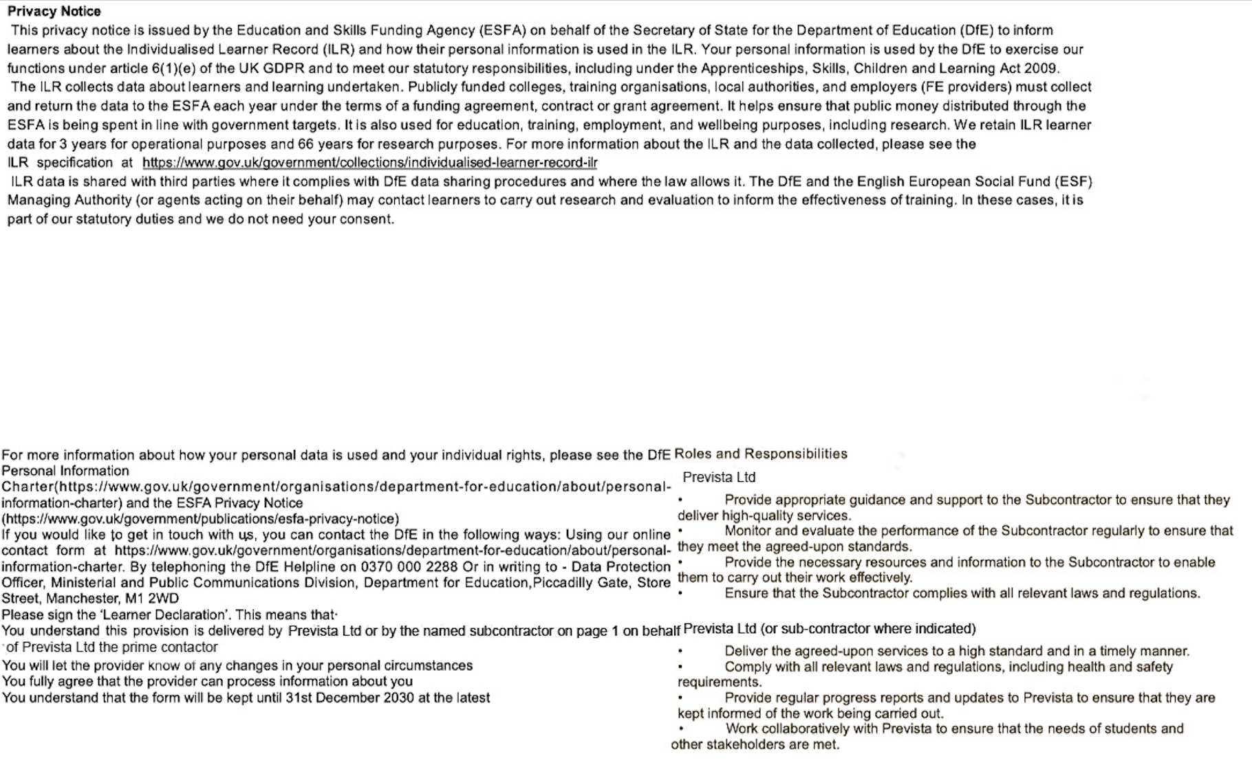

Add Y or N for any of the following boxes if you AGREE to be contacted; tick how you wish to be contacted
About courses/ learning opportunities (fill in all boxes with either Y or N) |  |  |  |  |  |  |  | For surveys & research |  |  |  |  |  |  | Y |  | Phone |  |  | X | Email |  | X | Post |  |  | X
Declarations
We hereby confirm that we have read, understood and agree with the contents of this document, and understand that the programme is funded by the Mayor of London.

Participant Declaration: I certify that I have provided all of the necessary information to confirm my eligibility for the Provision. I also consent for the named Training Provider to collect further evidence, from a 3rd party Training Provider, to support a progression claim on my behalf (where applicable).

Participant Signature |  |  |  |  |  |  |  |  |  |  |  |  |  |  |  |  | Date |  |  |  |  | 2024-07-16

I can confirm that the signature has been entered myself via the following method (please select 1 option): |  |  |  |  |  |  |  | Wet signature of original document |  |  |  |  | Inserting image of my signature (email mandate needed) |  |  |  |  |  |  | Signature software such as Docusign/Adobe Sign |  |  |  | Email declaration/mandate – this must be attached
Training Provider Declaration: I certify that I have seen and verified the supporting evidence as indicated above, to confirm the Participant eligibility for ESF funding and this specific project.

Name |  |  |  |  |  |  |  |  |  |  |  | Position

Signature |  |  |  |  |  |  |  |  |  |  |  |  |  |  |  |  | Date

I can confirm that the signature has been entered myself via the following method (please select 1 option): |  |  |  |  |  |  |  | Wet signature of original document |  |  |  |  | Inserting image of my signature (email mandate needed) |  |  |  |  |  |  | Signature software such as Docusign/Adobe Sign |  |  |  | Email declaration/mandate – this must be attached

