drop-avgtobuy, incomecat
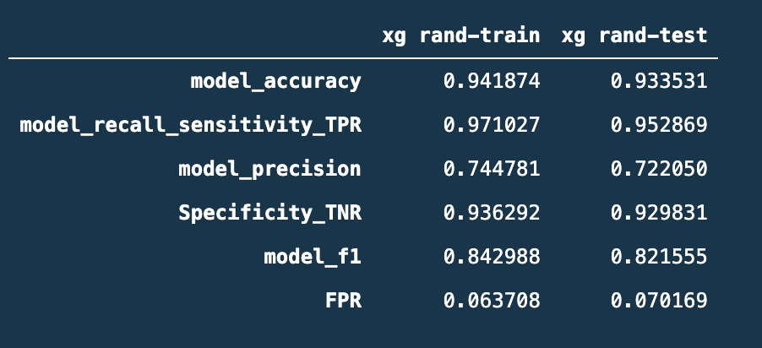
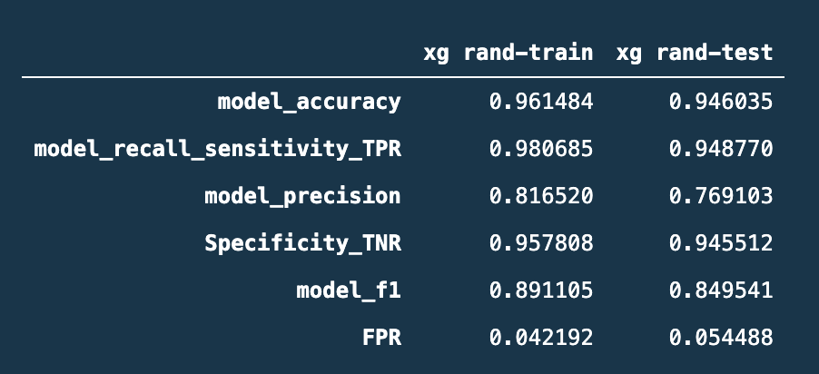
drop Avg to buy, income cat, clipping a few cols, merging low cats
 | LR-rand-train | LR-rand-test | RF-rand-train | RF-rand-test | DT-rand-train | DT-rand-test | BG-rand-train | BG-rand-test | AD-rand-train | AD-rand-test | GB-rand-train | GB-rand-test | XG-rand-train | XG-rand-test
model_accuracy | 84.678% | 84.567% | 96.374% | 94.340% | 73.251% | 72.919% | 92.579% | 91.543% | 98.617% | 96.380% | 99.012% | 97.368% | 95.626% | 94.110%
model_recall_sensitivity_TPR | 85.426% | 84.836% | 97.805% | 90.369% | 96.400% | 95.902% | 72.432% | 69.467% | 95.522% | 87.910% | 95.610% | 88.730% | 97.454% | 94.672% | 2.782%
model_precision | 51.400% | 51.174% | 82.764% | 77.915% | 37.183% | 36.821% | 79.556% | 75.839% | 95.859% | 89.375% | 98.197% | 94.541% | 79.799% | 75.122%
Specificity_TNR | 84.535% | 84.516% | 96.100% | 95.100% | 68.818% | 68.522% | 96.436% | 95.766% | 99.210% | 98.001% | 99.664% | 99.020% | 95.277% | 94.002%
model_f1 | 64.182% | 63.840% | 89.658% | 83.681% | 53.666% | 53.212% | 75.827% | 72.513% | 95.690% | 88.636% | 96.886% | 91.543% | 87.747% | 83.772%
FPR | 15.465% | 15.484% | 3.900% | 4.900% | 31.182% | 31.478% | 3.564% | 4.234% | 0.790% | 1.999% | 0.336% | 0.980% | 4.723% | 5.998%

drop Avg to buy, clipping a few cols, merging low cats
 | LR-rand-train | LR-rand-test | RF-rand-train | RF-rand-test | DT-rand-train | DT-rand-test | BG-rand-train | BG-rand-test | AD-rand-train | AD-rand-test | GB-rand-train | GB-rand-test | XG-rand-train | XG-rand-test
model_accuracy | 84.749% | 84.600% | 96.163% | 94.176% | 73.251% | 72.919% | 92.565% | 91.642% | 99.464% | 96.545% | 99.055% | 97.236% | 96.092% | 94.538%
model_recall_sensitivity_TPR | 85.514% | 85.041% | 97.717% | 89.754% | 96.400% | 95.902% | 72.344% | 69.262% | 97.805% | 88.320% | 95.786% | 88.115% | 98.068% | 95.287% | 2.782%
model_precision | 51.534% | 51.235% | 81.898% | 77.522% | 37.183% | 36.821% | 79.537% | 76.471% | 98.846% | 89.979% | 98.288% | 94.298% | 81.414% | 76.480%
Specificity_TNR | 84.602% | 84.516% | 95.865% | 95.022% | 68.818% | 68.522% | 96.436% | 95.923% | 99.781% | 98.118% | 99.681% | 98.981% | 95.714% | 94.394%
model_f1 | 64.312% | 63.945% | 89.111% | 83.191% | 53.666% | 53.212% | 75.770% | 72.688% | 98.323% | 89.142% | 97.021% | 91.102% | 88.969% | 84.854%
FPR | 15.398% | 15.484% | 4.135% | 4.978% | 31.182% | 31.478% | 3.564% | 4.077% | 0.219% | 1.882% | 0.319% | 1.019% | 4.286% | 5.606%

tuned gbm
 | LR-rand-train | LR-rand-test | RF-rand-train | RF-rand-test | DT-rand-train | DT-rand-test | BG-rand-train | BG-rand-test | AD-rand-train | AD-rand-test | GB-rand-train | GB-rand-test | XG-rand-train | XG-rand-test
model_accuracy | 84.749% | 84.600% | 96.163% | 94.176% | 73.251% | 72.919% | 92.565% | 91.642% | 99.464% | 96.545% | 100.000% | 97.400% | 96.092% | 94.538%
model_recall_sensitivity_TPR | 85.514% | 85.041% | 97.717% | 89.754% | 96.400% | 95.902% | 72.344% | 69.262% | 97.805% | 88.320% | 100.000% | 89.549% | 98.068% | 95.287% | 2.782%
model_precision | 51.534% | 51.235% | 81.898% | 77.522% | 37.183% | 36.821% | 79.537% | 76.471% | 98.846% | 89.979% | 100.000% | 93.978% | 81.414% | 76.480%
Specificity_TNR | 84.602% | 84.516% | 95.865% | 95.022% | 68.818% | 68.522% | 96.436% | 95.923% | 99.781% | 98.118% | 100.000% | 98.902% | 95.714% | 94.394%
model_f1 | 64.312% | 63.945% | 89.111% | 83.191% | 53.666% | 53.212% | 75.770% | 72.688% | 98.323% | 89.142% | 100.000% | 91.710% | 88.969% | 84.854%
FPR | 15.398% | 15.484% | 4.135% | 4.978% | 31.182% | 31.478% | 3.564% | 4.077% | 0.219% | 1.882% | 0.000% | 1.098% | 4.286% | 5.606%

didn’t combine plat and gold credit card
 | LR-rand-train | LR-rand-test | RF-rand-train | RF-rand-test | DT-rand-train | DT-rand-test | BG-rand-train | BG-rand-test | AD-rand-train | AD-rand-test | GB-rand-train | GB-rand-test | XG-rand-train | XG-rand-test
model_accuracy | 84.805% | 84.633% | 96.487% | 94.505% | 73.251% | 72.919% | 92.494% | 91.477% | 99.464% | 96.611% | 100.000% | 97.433% | 94.032% | 92.991%
model_recall_sensitivity_TPR | 85.514% | 85.041% | 98.420% | 89.959% | 96.400% | 95.902% | 72.169% | 69.057% | 97.805% | 88.730% | 100.000% | 89.959% | 96.576% | 95.697% | 0.879%
model_precision | 51.644% | 51.298% | 82.914% | 78.815% | 37.183% | 36.821% | 79.267% | 75.730% | 98.846% | 90.021% | 100.000% | 93.803% | 74.124% | 70.865%
Specificity_TNR | 84.670% | 84.555% | 96.117% | 95.374% | 68.818% | 68.522% | 96.386% | 95.766% | 99.781% | 98.118% | 100.000% | 98.863% | 93.545% | 92.474%
model_f1 | 64.397% | 63.994% | 90.004% | 84.019% | 53.666% | 53.212% | 75.551% | 72.240% | 98.323% | 89.370% | 100.000% | 91.841% | 83.873% | 81.430%
FPR | 15.330% | 15.445% | 3.883% | 4.626% | 31.182% | 31.478% | 3.614% | 4.234% | 0.219% | 1.882% | 0.000% | 1.137% | 6.455% | 7.526%

 |  |  |  |  |  |  |  |  |  |  |  | clipping trans-amt
 |  |  |  |  |  |  |  |  |  |  |  | xgb recall | 971 | 953
 |  |  |  |  |  |  |  |  |  |  |  | clipping trans-amt on train only
 | not clipping low cats |  |  |  |  |  |  |  |  |  |  | xgb recall

