FamaFrench
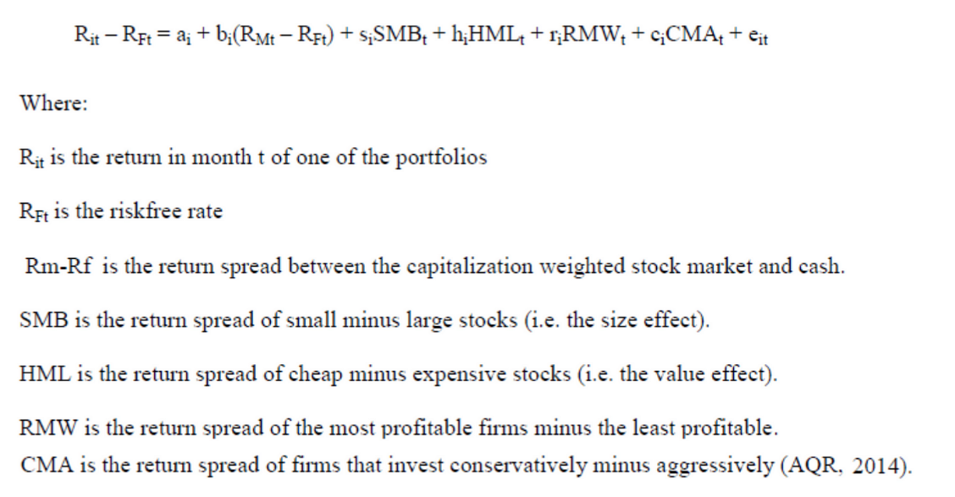
Fama-French 5-Factor Model
Cost of Equity (CAPM)
Riskfree Rate
Expected Inflation (Kelly Formula)
Average Real Interest Rate
Riskfree Rate | 0

Adjustments for Industry/Company Risk
Raw Beta
Debt to Value Ratio
Unlevered Beta
Unlevered Industry Beta
Levered Industry Beta
Beta | 0

Expected Equity Risk Premium |  | Data:
Estimated Future Market Return |  | https://mba.tuck.dartmouth.edu/pages/faculty/ken.french/data_library.html
Riskfree Rate
Expected Equity Risk Premium | 0

5 Factor Model
Small cap Premium
Small Cap Premium beta
Value versus Growth premium
Value versus Growth premium beta
Profitability premium
Porfitability premium beta
Conservative investment premiun
Conservative investment premiun beta

Cost of Equity 5 Factor Model | 0

