Main
Scandivian Tobacco
numbers in mio DKK |  |  | Price | 71.6
 |  |  | Shares | 78.6 | Q226
 | IR |  | MC | 5,629.2
 | STG.CO |  | Cash | 61.6 | Q226
 |  |  | Debt | 4,941.9 | Q226
 | Sgments | Brands | EV | 10,509.5
 | Handmade cigars | Cao, Cohiba, La Gloria Cubana, Petit, etc.
 | Machine-rolled cigars | Balmoral,Cubero, La Paz, Panter, etc.
 | Next Gen Prod | XQS, Ström, Ace, Grit | HQ: Denmark, Genftote
 | Other | Smoking and Pipe Tobacco, Accessoires | CEO: Niels Frederiksen

 | Notes |  | Employee Count (2024)
 | IPO 2016 |  | 10,219
 | Key Brands Europe: La Paz, Panter, Meharis, Signature
 | Key Brands North America: Tiedemanns, Cao, Cohiba, Macunado |  | Founded 1750
 | Captain Black, Punch
 | North America Online & Retail Brands: diesel, Mark Twain, Ave Maria
 | History
 | Merged in 2010 with Swedish Match Cigars

 | FY25 Guidance: 9.1 - 9.2 billion DKK, 19,5%-20,5% OM, FCF: 0,8-1 bil

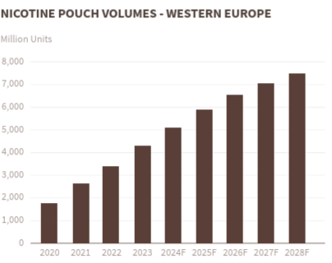

 | Value Chain

