Main
Kering
numbers in mio EUR |  |  |  |  | Price | 331.65
 |  |  |  |  | Shares out. | 122.6 | Q325
 | KER.PA |  |  |  | MC | 40,660
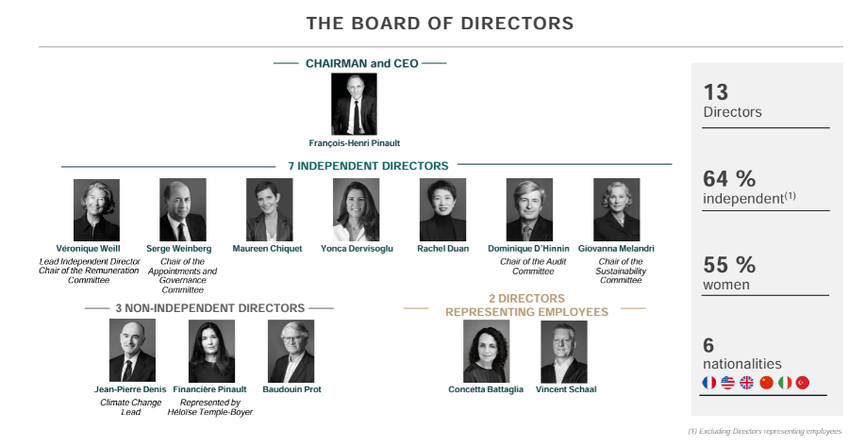
 | Investors |  |  |  | Cash | 4,240 | Q325
 |  |  |  |  | Debt | 13,743 | Q325
 | Brands | % of Rev | Products | Competitors | EV | 50,163
 | Gucci | 44% | Leather Goods, Shoes, Appereal
 | Yves Saint Laurent | 16% | Leather Goods, Shoes, Appereal
 | Bottega Veneta | 9% | Leather Goods, Shoes, Appereal |  | Founded: 1963
 | Kering Eyewear and Corporate | 19% | Eyeware |  | Employees | 46,930
 | Other Houeses: | 12%
 | Balenciaga |  | Appereal and other |  | Management
 | Alexander Mcqueen |  | Appereal and other |  | CEO: Luca de Meo
 | Brioni |  | Appereal and other |  | CFO: Armelle Poulou
 | Boucheron |  | Fregrance and Jewelery |  | Brand Development: Francessca Bellettini
 | Pomellato |  | Jewelery |  | COO: Jean-Marc Duplaix |  |  |  |  | Supply Chain
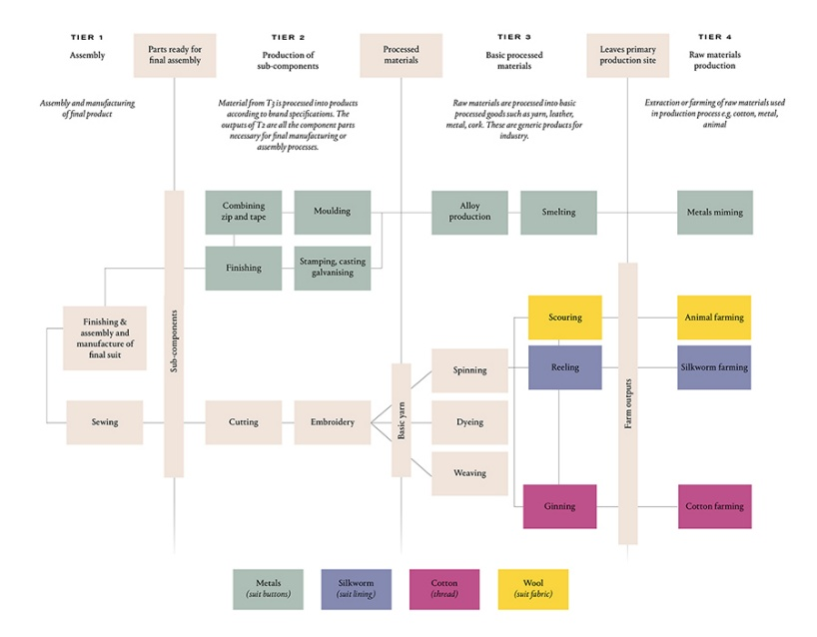
 | Dodo |  | Jewelery
 | Qeelin |  | Jewelery |  | EUR/USD | 1.07
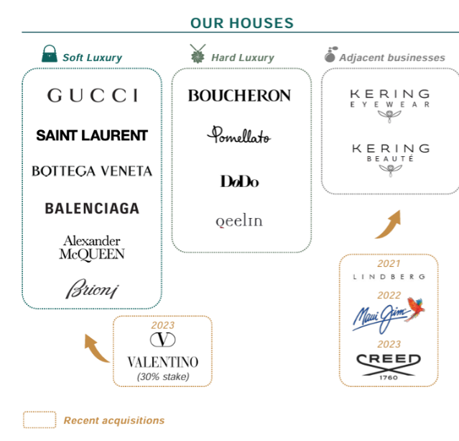
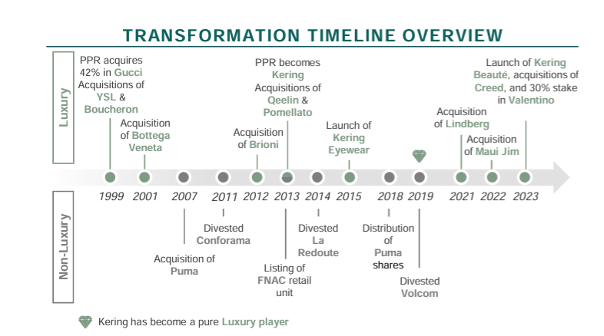

 |  |  |  |  |  |  |  | Strategy
 |  |  |  |  |  |  |  | 4 Pillars:
 |  |  |  |  |  |  |  | 1.Brand Building: Convey brand narrative
 |  |  |  |  |  |  |  | 2.Product Strategy: covering relevant range
 |  |  |  |  |  |  |  | 3.Distribution and Client Experience: Increase exclusivity
 | Revenue Stores & E-Com | 78% |  |  |  |  |  | 4. Excellence in Execution: Improving organization
 | Revenue Wholesale | 22% |  |  |  |  |  | Focus on direclty operated online stores, lower wholesale penetration, close outlets and stores with low profitability

 | Notes: |  |  |  |  |  |  | Equity Investments
 | Disposal of Girard-Perregaux and Ulysse Nardin in 2022 (Watch-Makers) |  |  |  |  |  |  | Valentino | 1,768
 | Jan. 2024 -> Acquistion of strategic Real Estate in New York 10.700 sqm for 885 mio EUR 715-175 Fith Evenue |  |  |  |  |  |  | Other | 75
 | April 2024 -> Acquistion of company that ownes real estate in at 8 Via 11,800 sqm for 1,3 bil EUR Montenapoleone in Milan |  |  |  |  |  |  | Valentino will be incoporated in the group within 3 years
 | Dual Tranche Bond: 1 bil EUR for 8-year matuiry 3,375% Coupon, 750 Mil for 12 year maturity 3,625% Coupon
 | November 2024: 750mio EUR bond 10 year maturity 3,625% coupon
 | Q324: Ewa Abrams appointed President of Kering Americas
 | Boucheron fist Store in NY
 | Bottega Venetta first Parfume collection through Kering Beautue
 | 15-01-25: Real Estate Deal with Adrian for these properties: Hôtel de Nocé, located 26, place Vendôme, and two buildings located on avenue Montaigne, at 35-37 and 56, Kerings investment amounts to 837 mio EUR
 | 29-01-25: Patnership with 0-93. Lab
 | 07-02-25: Gucci endes collaboration with Sabato de Sarno
 | Kering Beaute: Launch of Bottega and Balenciaga fragrances in H2.24
 | 13-03-25: Demna new creative director of Gucci
 | 03-04-25: acquisition of Visard and Mistral by Kering Eyewear
 | 20-05-25: New Creative Director at Balenciag and 750 mio EUR bond issuance
 | 10-06-25: Kerign Eyewear acquires Italian manufacturer Lenti (100 employees)-> produces lences for sunglasses, was part of the Safilo Group
 | 16-06-25: Kering appoints new CEO Luca de Meo -> biggest rise in stock since 2008, Francouis-Henri Pinault remains chairman of the board
 | 17-09-25: Francesca Bellettini new President and CEO of GUCCI

Brands
Main
 | Kering
 | CEO: Luca de Meo | was former CEO of Renault -> a lot of experience in the automotive industry (Fiat, Volkswagen etc.)

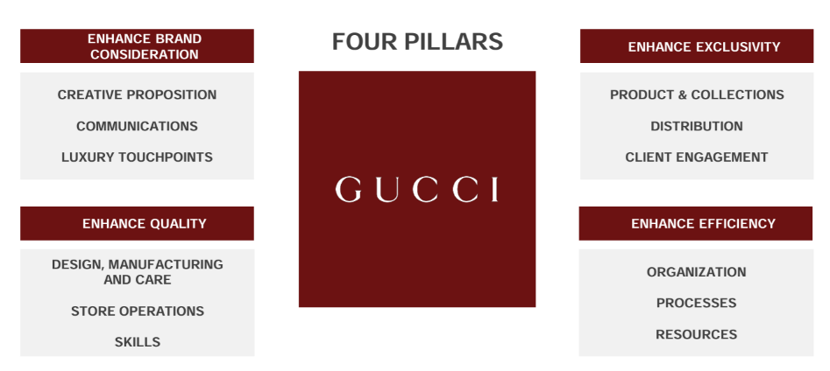
 | GUCCI |  |  |  | Products:
 | CEO: Francesca Bellettini (Former CEOs: Stefano Cantino, Jean Franqouis Palus) |  |  |  | 50% Leather Goods
 | Creative Director: Demna Gvasalia |  |  |  | 21% Shoes
 | Former: Sabato de Sano, Alessandro Michele |  |  |  | 17% Ready-to-Wear
 | 90% of Revenue in driectly operated stores |  |  |  | 4% Wathches & Jewelery
 | 10% of Revenue in Wholesale |  |  |  | 8% other

 | GUCCI Design Idea
 | Demna Gvasalia: Founder of Vetments, former creative director of Balenciaga

 | Red -> New main colour of GUCCI
 | Contrast to Allesandro Michele -> less loud

 | https://www.gq-magazin.de/artikel/gucci-sabato-de-sarno-spring-summer-2025
 | https://www.vogue.de/artikel/gucci-kreativdirektor-sabato-de-sarno-interview
 | https://bellevue.nzz.ch/mode-beauty/wer-ist-sabato-de-sarno-gucci-zeigt-film-ueber-neuen-chefdesigner-ld.1822928

 | Gucci Collections: | https://www.vogue.com/fashion-shows/designer/gucci
 | next Collection

 | Yves Saint Laurent
 | CEO: Cedric Charbit (former: Francesca Bellettini) |  |  | Products: | 70% Leather Goods
 | Creative Director: Anthony Vaccarello |  |  |  | 7% Shoes
 | 81% of Revenue in driectly operated stores |  |  |  | 12% Ready-to-Wear
 | 19% of Revenue in Wholesale |  |  |  | 11% other

 | Bottega Venetta |  |  | Products: | 79% Leather Goods
 | CEO: Bartolomeo Rongone |  |  |  | 9% Shoes
 | Creative Director: Louise Trotter (former: Matthieu Blazy) |  |  |  | 9% Ready-to-Wear
 | 84% of Revenue in driectly operated stores |  |  |  | 3% other
 | 16% of Revenue in Wholesale

 | Other Houses |  |  | Products: | 17% Leather Goods
 | 73% of Revenue in driectly operated stores |  |  |  | 25% Shoes
 | 27% of Revenue in Wholesale |  |  |  | 26% Ready-to-Wear
 |  |  |  |  | 28% Wathches & Jewelery
 | Balenciaga |  |  |  | 4% other
 | CEO: Gianfranco Gianangeli (former: Cedric Charbit, now at YSL) |  |  | Products:
 | Creative Director: | Peirpaolo Piccioli |  | Ready-to-Wear, Shoes, Leather Goods etc

 | Alexander McQueen |  | Products:
 | CEO: Gianfilippo Testa |  | Ready-to-Wear, Shoes, Leather Goods etc
 | Creative Director: Sean McGirr

 | Brioni |  | Products:
 | CEO: Mehdi Benabadji |  | Suits, Shoes etc
 | Creative Director: Justin O'Shea

 | Boucheron |  | Products:
 | CEO: Helene Poulit-Duquesne |  | Jewelery
 | Creative Dircetor: Claire Choisne

 | Pomellato |  | Products:
 | CEO: Sabina Belli |  | Jewelery
 | Creative Dircetor: Vincenzo Castaldo

 | DoDo |  | Products:
 | CEO: Sabina Belli |  | Jewelery
 | Creative Dircetor: Vincenzo Castaldo

 | Queelin |  | Products:
 | CEO: Christophe Artaux |  | Jewelery
 | Creative Director: Dennis Chan

 | Ginori 1735 |  | Products:
 | CEO: Massimiliano Righi |  | Tabletop and Home Decor

 | Kering Beatué |  | Products:
 | CEO: Raffaella Cornaggia |  | Parfume for Bottega Veneta, Balenciaga, Alexander McQueen, Pomellato, Qeelin and Creed

 | Kering Eyewear |  |  |  | Products: Eyewear
 | CEO: Roberto Vedovotto |  |  |  | Brands: Lindberg, Maui Jim, Zeal Optics, Gucci, Cartier, Saint Laurent, Bottega Veneta, Balenciaga, Chloé, Alexander Mcqueen, Montblanc, Dunhill, Alaïa, Puma
 | 73% of Revenue in driectly operated stores
 | 27% of Revenue in Wholesale

 | https://quartr.com/insights/company-research/house-of-pinault-the-history-and-business-of-kering-and-gucci?utm_source=edge&utm_medium=email&utm_campaign=edge_45

Macro
Main
Revenue vs. Operating Income
 | Revenue | Operating Profit
 | 19,098 | 1,634
 | 20,201 | 1,721
 | 13,584 | 1,240
 | 14,605 | 1,531
 | 8,062 | 1,501
 | 9,736 | 1,791
 | 9,656 | 1,751
 | 10,038 | 1,664
 | 11,584 | 1,647
 | 12,385 | 1,886
 | 15,478 | 2,948
 | 13,665 | 3,944
 | 15,884 | 4,778
 | 13,100 | 3,135
 | 17,645 | 5,017
 | 20,351 | 5,589
 | 19,566 | 4,746
 | 17,194 | 2,554
Revenue by houses
 | Gucci Revenue | Saint Laurent Revenue | Bottega Venetta Revenue | Other Houses | Corporate and Eyewear Revenue
 | 3,143 | 683 | 354 | 738 | 3,156
 | 3,639 | 473 | 945 | 1,156 | 3,793
 | 3,561 | 1,016 | 557 | 1,244 | 3,278
 | 3,497 | 707 | 1,131 | 1,424 | 3,279
 | 3,898 | 974 | 1,286 | 1,708 | 3,719
 | 4,378 | 1,220 | 1,173 | 1,698 | 3,916
 | 6,211 | 1,502 | 1,176 | 1,624 | 302
 | 8,285 | 1,744 | 1,109 | 2,109 | 418
 | 9,628 | 2,049 | 1,168 | 2,538 | 501
 | 7,441 | 1,744 | 1,210 | 2,281 | 424
 | 9,731 | 2,521 | 1,503 | 3,285 | 733
 | 10,487 | 3,300 | 1,740 | 3,874 | 1,139
 | 9,873 | 3,179 | 1,645 | 3,514 | 1,568
 | 7,650 | 2,881 | 1,713 | 3,221 | 1,941

 | Revenue vs. Operating Income since 2007 | Revenue by houses since 2011

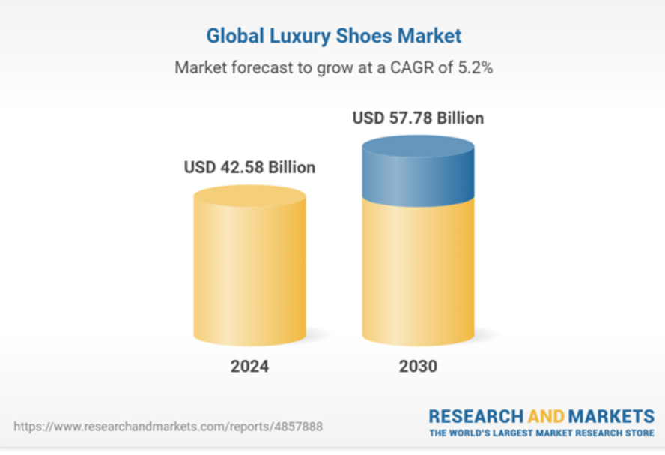
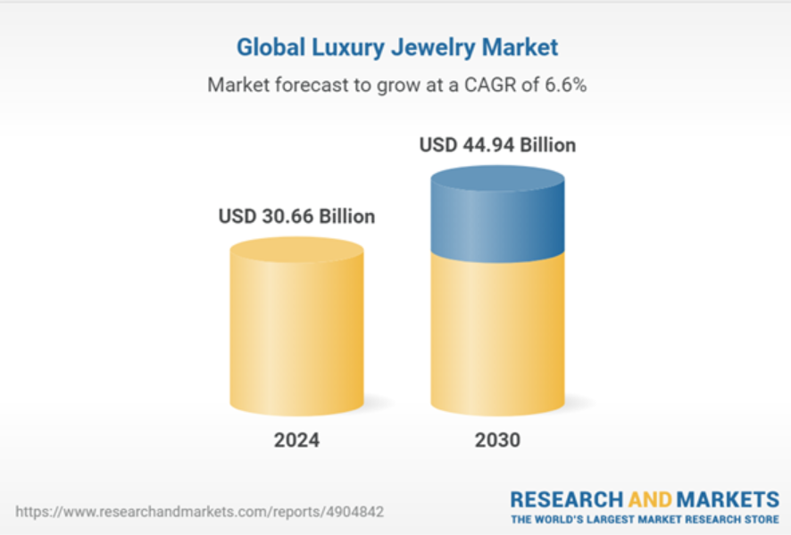

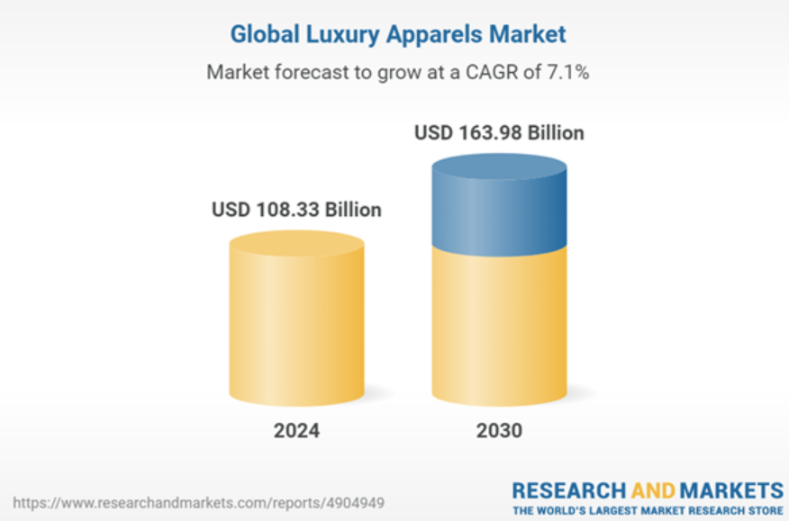
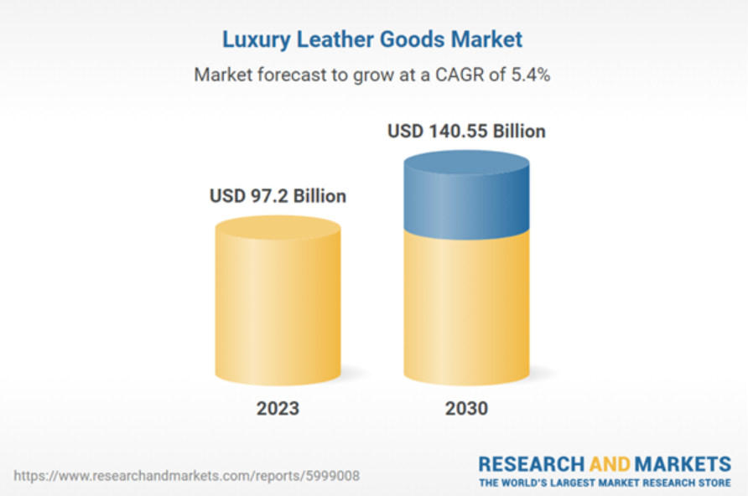

 | https://www.statista.com/outlook/cmo/luxury-goods/worldwide#revenue

