Main
LVMH
numbers in mio EUR

 | Investors |  |  |  | Price | 605.7
 | MC.PA |  |  |  | Shares | 498.4 | Q325
 |  |  |  |  | MC | 301,905
 | Segments | % of Rev | Brands/Products | Competition | Cash | 8,176 | Q325
 | Wines & Spirits | 7% | Hennessy, Moet & Chandon, Dom Perignon, Vueve Clicqout, Krug etc. |  | Debt | 22,381 | Q325
 | Fashion & Leather Goods | 51% | Louis Vuitton, Givenchy, Rimowa, Kenzo, Loro Piana, Fendi, Celine, Loewe etc. | Hermes, Kering | EV | 316,110
 | Perfumes & Cosmetics | 11% | Parfums Christian Dior, LV, Guerlain, Aqua de Parma, Stella McCartney etc.
 | Watches & Jevelery | 12% | Tiffany & Co, Bulgari, TAG Heuer, Hublot, Zenith, Chaumet, Repossi etc. | Richemont | Founded 1987
 | Selective Retailing | 20% | Sephora, Le Bon Marche, 24S, DFS, La Grande Ecipiere de Paris |  | Employee Count: 213.618
 |  |  |  |  | Management
x | Notes |  |  |  | CEO and Chairman |  | Bernard Arnault
 | 75 Maisons (2025) |  |  |  | CFO |  | Cecile Cabanis
 |  |  |  |  | CEO Dior |  | Delphine Arnault
 |  |  |  |  | Group Manager |  | Stephane Bianchi
 |  |  |  |  | Fashion Group |  | Michael Burke
 |  |  |  |  | CEO Wines & Spirits |  | Jean-Jacques Guiony

 | History:
 | Founded 1987 through a merger of Louis Vuitton, Moet & Chandon and Hennessy -> orechestrated by Bernard Arnault
 | Louis Vuitton founded 1854 in France, on of Frenchs first fashion labels that concentrated on selling to royals and elites
 | Moet & Chandon founded in 1743, Hennesy founded in 1765 -> merged in 1971 to Moet Hennesy
 | Bernard Arnault -> after University joined the construction company of his father Ferret-Savinel
 | 1984: Arnault acquired Boussac Saint-Fères -> struggling textile company (owned Dior) through an LBO with Lazard for 80 mio EUR
 | Arnault restructured the company, sold off many segments -> only kept Dior and Le Bon Marché -> turned it around, gained 400 mio EUR
 | Before the Acqusition famous cab ride in NY -> the cab driver didn't know the French President -> said: "No, but I know Christian Dior".
 | After the Cration LVMH -> aggressive expansion: Givenchy (1989), Celine (1996), Tag Heuer (1999),

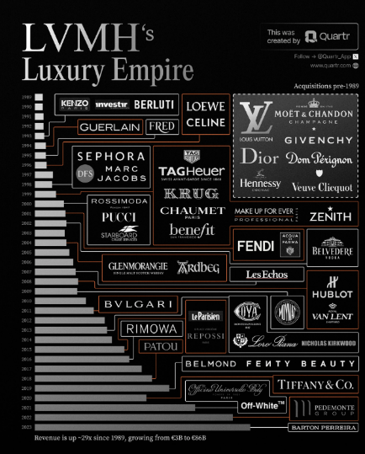
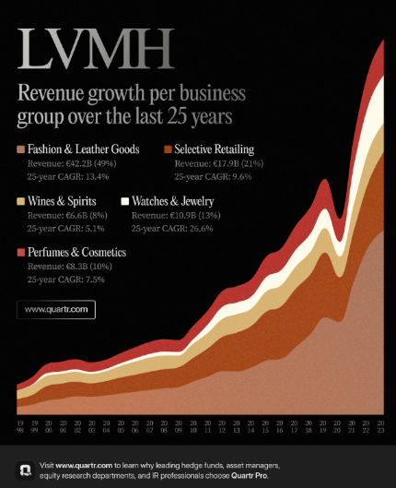

 | https://quartr.com/insights/company-research/lvmh-guardians-of-tradition-engineers-of-desirability

