Main
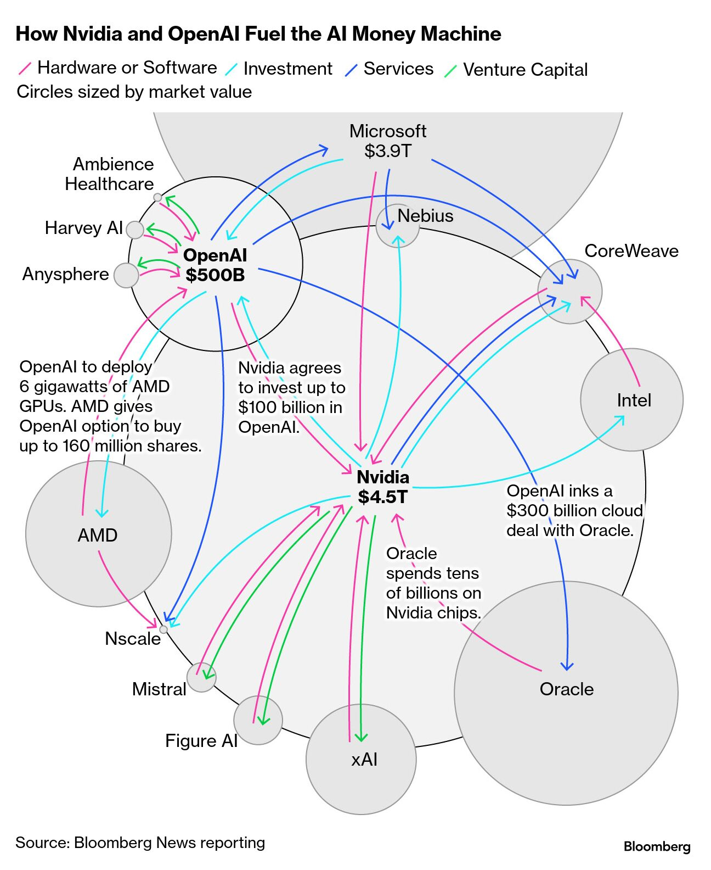
NVIDIA
numbers in mio USD |  | Price | 179.6
 |  | Shares | 24,366 | Q226
 | SEC | MC | 4,375,159
 | NVDA | Cash | 56,791 | Q226
 |  | Debt | 8,466 | Q226
x | Businessmodel | EV | 4,326,834

 |  | Fouded: 1993, Founders: Jen-Hsun Huang, Chris Malachowsky, Curtis R. Priem
 |  | CEO: Jen-Hsun Huang
 | Notes | CFO: Colette M. Kress
 | Launch of Blackwell chips in FY25
 | Next-Gen chips: Rubin

 | AI-Economy:

