Main
Brunello Cucinelli
numbers in mio EUR |  | Price | 85.3
 |  | Shares | 68.0 | Q225
 | BC.MI | MC | 5,799.9
 | IR | Cash | 243.8 | Q225
 |  | Debt | 7.0 | Q225
 |  | EV | 5,563.1

 |  | CEO & CD | Brunello Cucinelli

 | Notes
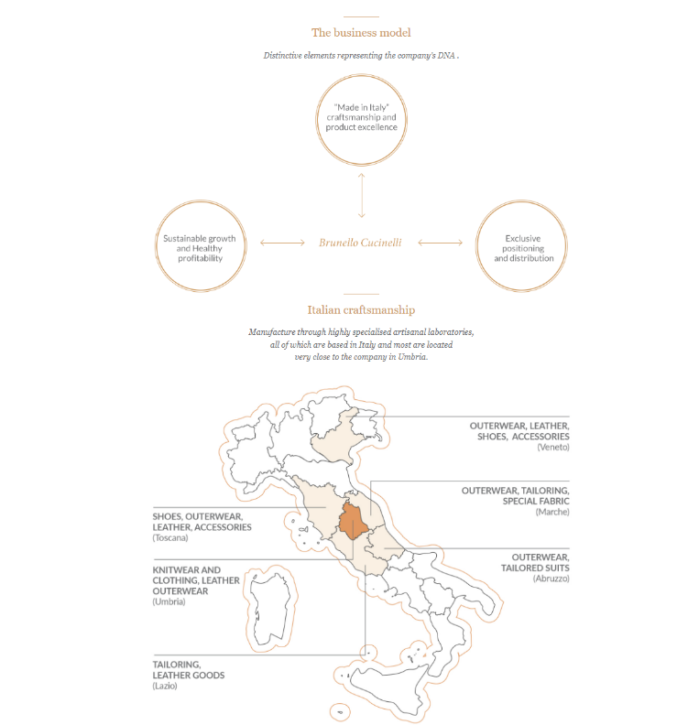

 | Short Report:
 | https://www.morpheus-research.com/cucinelli/

