Main
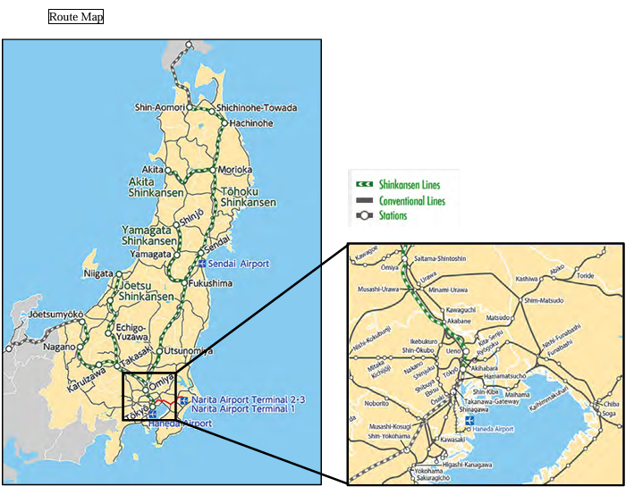
East Japan Railway
numbers in mio Yen |  | Price | 3,048
 |  | Shares | 1,131 | Q325
 | IR | MC | 3,448,235
 |  | Cash | 281,000 | Q325
 | Segments | Debt | 4,605,018 | Q325
 | Transportation | EV | 7,772,253
 | Services
 | Real Estate

