Main
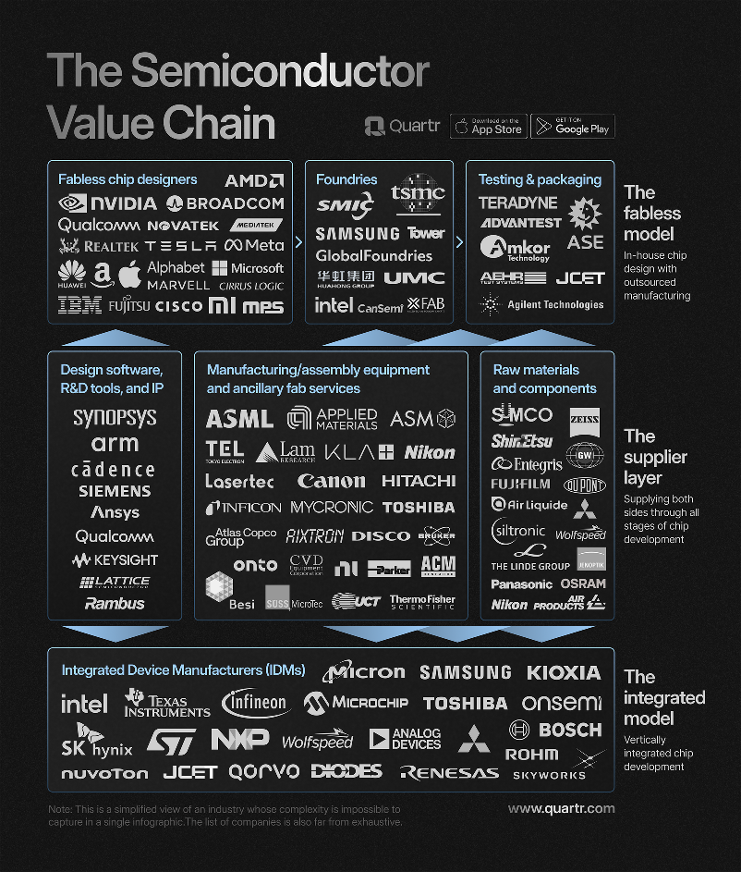
ASML
numbers in mio EUR |  |  |  | Price | 565.5
 |  |  |  | Shares | 392 | Q125
 | ASML | EUR/USD | 1.1 | MC | 221,846
 | IR |  |  | Cash | 9,104 | Q125
 |  |  |  | Debt | 3,681 | Q125
 |  |  |  | EV | 216,423

