Main
Deere and Company
number in USD |  |  | Price | 485.5
 |  |  | Shares | 272 | Q424
 | DE |  | MC | 131,850
 | SEC |  | Cash | 8,478 | Q424
 |  |  | Debt | 65,193 | Q424
 |  |  | EV | 188,565

Revenue
 | 24,082
 | 28,438
 | 23,112
 | 26,005
 | 32,013
 | 36,157
 | 37,795
 | 36,067
 | 28,863
 | 26,644
 | 29,738
 | 37,358
 | 39,258
 | 35,540
 | 44,024
 | 52,577
 | 61,251
 | 51,716
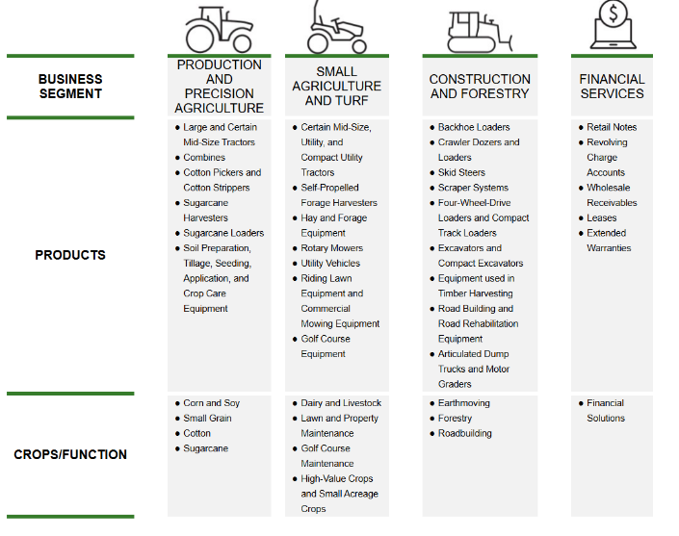

 |  | https://quartr.com/insights/company-research/deere-company-shaping-the-future-of-agriculture-since-1837

