Main
Union Pacific Corporation
numbers in mio USD |  | Price | 218.47
 |  | Shares | 604 | Q424
 | Segments | MC | 132,018
 | Premiun | Cash | 1,036 | Q424
 | Bulk | Debt | 31,192 | Q424
 | Industrial | EV | 162,174

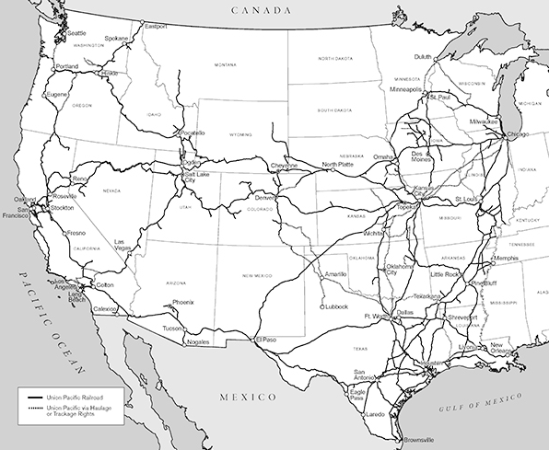
 | connects 23 states in the western 2/3 of the US by rail | incorp. | 1969
 | Connects with Canada and Mexico rail system | founded | 1862

