Main
Xiaomi
numbers in mio RMB |  |  | Price HKD | 56.2
 |  |  | Price RMB | 51.7
 |  |  | Shares | 25,843 | Q225
 | IR |  | MC | 1,336,198
 |  |  | Cash | 110,462 | Q225
 |  |  | Debt | 28,913 | Q225
 |  |  | EV | 1,254,649

 |  |  | HKD/RMB | 0.92

 | Products
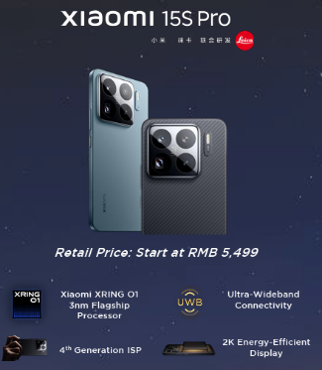
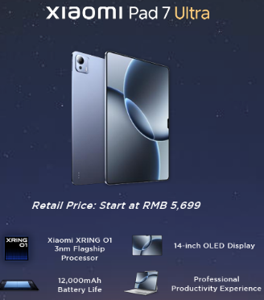

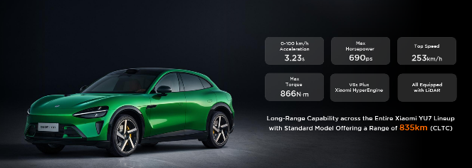

 | Vecivles | Price
 | Xiamo YU7 | 253,500
 | Xiamo YU7 Pro | 279,900
 | Xiamo YU7 Max | 329,900

